Updates for contestants
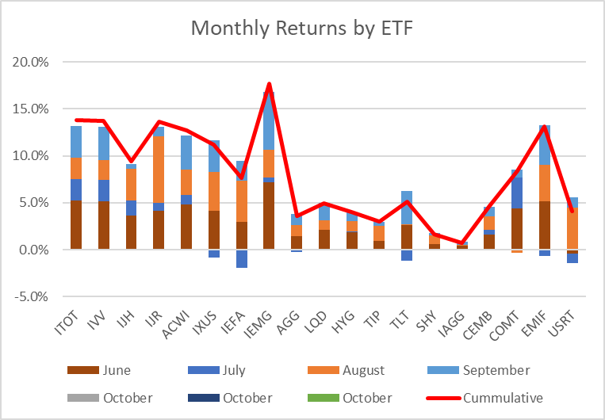
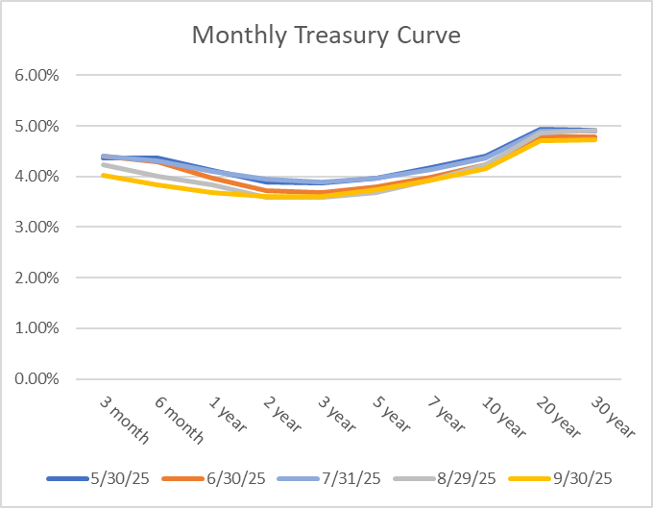
Investment Section
2025 Asset Allocation Contest
September Results

 | Leaderboard (entry #)
 | Alpha |  | Accumulation |  | Drawdown
 | Matthew Brady (3) | 1.55% | Thomas King (51) | 113,758 | Sidharth Sadani (108) | 33,926
 | Edward Yen (12) | 1.48% | Elena Ripp (73) | 113,731 | Yaoyi Wang (93) | 33,546
 | Pat McCormack (33) | 1.30% | Sidharth Sadani (72) | 113,649 | Jia Wei Kang (95) | 33,509

Entry # | Name | Contest | Current Month Rank | Prior Rank | Change in Rank | Accum. Value | Annualized Vol. | Return | Alpha | ITOT | IVV | IJH | IJR | ACWI | IXUS | IEFA | IEMG | AGG | LQD | HYG | TIP | TLT | SHY | IAGG | CEMB | COMT | EMIF | USRT | Rebalance
1 | Benchmark | Alpha | 9 | 15 | 6 | 109,021 | 5.93% | 9.02% | 0.00% | 0 | 0 | 0 | 0 | 60 | 0 | 0 | 0 | 40 | 0 | 0 | 0 | 0 | 0 | 0 | 0 | 0 | 0 | 0 | No rebalance
3 | Matthew Brady | Alpha | 1 | 5 | 4 | 108,069 | 4.28% | 8.07% | 1.55% | 0 | 0 | 0 | 0 | 40 | 0 | 0 | 0 | 0 | 0 | 0 | 0 | 20 | 20 | 0 | 0 | 20 | 0 | 0 | Automatic rebalance
12 | Edward Yen | Alpha | 2 | 1 | -1 | 111,433 | 6.54% | 11.43% | 1.48% | 25 | 0 | 0 | 0 | 0 | 25 | 0 | 10 | 0 | 0 | 0 | 0 | 0 | 0 | 0 | 0 | 20 | 10 | 10 | No rebalance
33 | Pat McCormack | Alpha | 3 | 2 | -1 | 113,205 | 7.82% | 13.20% | 1.30% | 0 | 70 | 0 | 0 | 0 | 0 | 0 | 10 | 0 | 0 | 0 | 0 | 10 | 0 | 0 | 0 | 0 | 10 | 0 | No rebalance
17 | Ryan Manheimer | Alpha | 4 | 6 | 2 | 108,654 | 5.25% | 8.65% | 0.66% | 0 | 0 | 0 | 0 | 0 | 25 | 0 | 20 | 0 | 0 | 0 | 15 | 0 | 15 | 0 | 0 | 15 | 0 | 10 | Automatic rebalance
14 | Thomas King | Alpha | 5 | 4 | -1 | 112,385 | 7.87% | 12.38% | 0.41% | 0 | 4 | 0 | 19 | 0 | 0 | 6 | 32 | 0 | 0 | 0 | 0 | 5 | 0 | 1 | 2 | 14 | 10 | 7 | Automatic rebalance
26 | John Mulwa | Alpha | 6 | 9 | 3 | 110,424 | 6.59% | 10.42% | 0.40% | 0 | 40 | 0 | 0 | 30 | 0 | 0 | 0 | 10 | 10 | 0 | 0 | 5 | 5 | 0 | 0 | 0 | 0 | 0 | Automatic rebalance
35 | Elena Ripp | Alpha | 7 | 16 | 9 | 111,665 | 7.47% | 11.66% | 0.29% | 0 | 25 | 0 | 0 | 0 | 25 | 0 | 25 | 0 | 0 | 25 | 0 | 0 | 0 | 0 | 0 | 0 | 0 | 0 | No rebalance
10 | Komissarov, Nick | Alpha | 8 | 11 | 3 | 116,073 | 10.49% | 16.07% | 0.11% | 0 | 10 | 10 | 10 | 0 | 0 | 0 | 70 | 0 | 0 | 0 | 0 | 0 | 0 | 0 | 0 | 0 | 0 | 0 | No rebalance
31 | Brian Basiaga | Alpha | 10 | 24 | 14 | 103,097 | 2.13% | 3.10% | -0.15% | 0 | 0 | 0 | 0 | 0 | 0 | 0 | 0 | 10 | 0 | 40 | 0 | 0 | 40 | 0 | 10 | 0 | 0 | 0 | No rebalance
15 | Michael Buchenholz | Alpha | 11 | 18 | 7 | 110,351 | 7.10% | 10.35% | -0.45% | 20 | 0 | 0 | 0 | 0 | 0 | 15 | 25 | 0 | 0 | 5 | 0 | 20 | 0 | 0 | 0 | 5 | 0 | 10 | Automatic rebalance
22 | Daniel Klein | Alpha | 12 | 3 | -9 | 110,266 | 7.05% | 10.27% | -0.46% | 0 | 0 | 17 | 0 | 0 | 0 | 22 | 20 | 0 | 0 | 0 | 0 | 0 | 0 | 0 | 0 | 41 | 0 | 0 | No rebalance
16 | Benjamin Auman | Alpha | 13 | 17 | 4 | 108,443 | 5.97% | 8.44% | -0.64% | 0 | 10 | 10 | 0 | 40 | 0 | 0 | 0 | 30 | 0 | 0 | 0 | 0 | 0 | 10 | 0 | 0 | 0 | 0 | Automatic rebalance
27 | Ariel Pandey | Alpha | 14 | 23 | 9 | 106,746 | 4.95% | 6.75% | -0.79% | 0 | 0 | 10 | 0 | 0 | 0 | 0 | 10 | 0 | 0 | 5 | 10 | 20 | 20 | 0 | 5 | 5 | 10 | 5 | No rebalance
18 | Gary Hatfield | Alpha | 15 | 12 | -3 | 108,186 | 5.97% | 8.19% | -0.90% | 0 | 0 | 0 | 0 | 0 | 0 | 15 | 5 | 0 | 5 | 0 | 0 | 0 | 0 | 10 | 9 | 41 | 15 | 0 | No rebalance
6 | Stephen Strommen | Alpha | 16 | 25 | 9 | 106,598 | 4.95% | 6.60% | -0.94% | 10 | 10 | 0 | 0 | 0 | 0 | 0 | 0 | 10 | 70 | 0 | 0 | 0 | 0 | 0 | 0 | 0 | 0 | 0 | No rebalance
19 | James Glickman | Alpha | 17 | 14 | -3 | 109,122 | 6.77% | 9.12% | -1.18% | 30 | 0 | 0 | 0 | 0 | 0 | 0 | 0 | 0 | 0 | 0 | 10 | 0 | 0 | 0 | 0 | 10 | 20 | 30 | Automatic rebalance
4 | Jake Winship | Alpha | 18 | 13 | -5 | 109,993 | 7.36% | 9.99% | -1.21% | 30 | 0 | 10 | 10 | 0 | 20 | 0 | 0 | 20 | 0 | 5 | 0 | 0 | 0 | 0 | 0 | 5 | 0 | 0 | Automatic rebalance
2 | Jia Wei Kang | Alpha | 19 | 7 | -12 | 113,303 | 9.66% | 13.30% | -1.39% | 10 | 70 | 10 | 10 | 0 | 0 | 0 | 0 | 0 | 0 | 0 | 0 | 0 | 0 | 0 | 0 | 0 | 0 | 0 | Automatic rebalance
8 | Kevin Spradlin | Alpha | 20 | 20 | 0 | 109,515 | 7.17% | 9.52% | -1.40% | 30 | 0 | 0 | 0 | 0 | 45 | 0 | 0 | 0 | 0 | 0 | 0 | 0 | 15 | 10 | 0 | 0 | 0 | 0 | No rebalance
20 | Pawel Szeszko | Alpha | 21 | 8 | -13 | 113,317 | 9.79% | 13.32% | -1.58% | 34 | 46 | 10 | 10 | 0 | 0 | 0 | 0 | 0 | 0 | 0 | 0 | 0 | 0 | 0 | 0 | 0 | 0 | 0 | No rebalance
11 | Lee Hakert | Alpha | 22 | 29 | 7 | 103,567 | 3.58% | 3.57% | -1.87% | 0 | 0 | 0 | 0 | 0 | 0 | 0 | 0 | 50 | 0 | 30 | 0 | 0 | 10 | 0 | 0 | 0 | 0 | 10 | Automatic rebalance
21 | Yaoyi Wang | Alpha | 23 | 10 | -13 | 113,356 | 10.01% | 13.36% | -1.88% | 70 | 10 | 10 | 10 | 0 | 0 | 0 | 0 | 0 | 0 | 0 | 0 | 0 | 0 | 0 | 0 | 0 | 0 | 0 | No rebalance
34 | Sidharth Sadani | Alpha | 24 | 26 | 2 | 107,177 | 5.99% | 7.18% | -1.94% | 0 | 0 | 0 | 0 | 0 | 20 | 0 | 20 | 0 | 0 | 0 | 0 | 0 | 40 | 0 | 0 | 0 | 0 | 20 | Automatic rebalance
13 | Troy Dempsey | Alpha | 25 | 27 | 2 | 103,626 | 3.76% | 3.63% | -2.10% | 0 | 0 | 0 | 0 | 0 | 0 | 0 | 0 | 0 | 0 | 0 | 70 | 10 | 10 | 0 | 0 | 10 | 0 | 0 | No rebalance
25 | Paolo Zadra | Alpha | 26 | 22 | -4 | 111,321 | 8.83% | 11.32% | -2.12% | 0 | 20 | 5 | 10 | 0 | 20 | 10 | 10 | 0 | 5 | 5 | 0 | 0 | 0 | 0 | 0 | 0 | 10 | 5 | No rebalance
9 | Bruce Friedland | Alpha | 27 | 21 | -6 | 110,568 | 8.52% | 10.57% | -2.39% | 10 | 10 | 0 | 25 | 0 | 0 | 0 | 10 | 0 | 15 | 0 | 0 | 0 | 10 | 0 | 0 | 0 | 10 | 10 | No rebalance
7 | Stefanos Orfanos | Alpha | 28 | 28 | 0 | 107,413 | 7.02% | 7.41% | -3.28% | 0 | 10 | 0 | 0 | 0 | 0 | 0 | 0 | 0 | 0 | 10 | 0 | 20 | 0 | 0 | 0 | 50 | 0 | 10 | No rebalance
28 | William Knickel | Alpha | 29 | 32 | 3 | 103,473 | 4.49% | 3.47% | -3.36% | 0 | 0 | 0 | 0 | 0 | 0 | 0 | 0 | 10 | 10 | 0 | 70 | 10 | 0 | 0 | 0 | 0 | 0 | 0 | No rebalance
32 | Kyle Retallick | Alpha | 30 | 30 | 0 | 109,886 | 8.96% | 9.89% | -3.74% | 0 | 0 | 0 | 10 | 0 | 70 | 0 | 0 | 0 | 0 | 0 | 0 | 10 | 10 | 0 | 0 | 0 | 0 | 0 | No rebalance
30 | Joshua Khew | Alpha | 31 | 34 | 3 | 104,243 | 5.26% | 4.24% | -3.77% | 0 | 0 | 0 | 0 | 0 | 0 | 0 | 0 | 10 | 0 | 0 | 50 | 30 | 0 | 0 | 0 | 10 | 0 | 0 | No rebalance
5 | Nicholas Salm | Alpha | 32 | 19 | -13 | 110,212 | 9.31% | 10.21% | -3.95% | 0 | 0 | 20 | 25 | 0 | 0 | 0 | 5 | 0 | 0 | 5 | 0 | 0 | 0 | 0 | 0 | 15 | 15 | 15 | No rebalance
24 | Sam Wells | Alpha | 33 | 31 | -2 | 111,598 | 10.22% | 11.60% | -3.96% | 0 | 0 | 10 | 0 | 0 | 50 | 20 | 20 | 0 | 0 | 0 | 0 | 0 | 0 | 0 | 0 | 0 | 0 | 0 | Automatic rebalance
29 | John Nussbaum | Alpha | 34 | 35 | 1 | 104,569 | 8.68% | 4.57% | -8.64% | 0 | 0 | 0 | 0 | 0 | 0 | 0 | 0 | 0 | 10 | 0 | 10 | 70 | 10 | 0 | 0 | 0 | 0 | 0 | No rebalance
23 | Naoya Kobayashi | Alpha | 35 | 33 | -2 | 113,225 | 14.89% | 13.22% | -9.44% | 10 | 10 | 10 | 70 | 0 | 0 | 0 | 0 | 0 | 0 | 0 | 0 | 0 | 0 | 0 | 0 | 0 | 0 | 0 | No rebalance

16 | Thomas King | Accumulation | 1 | 7 | 6 | 113,758 | 10.68% | 13.76% |  | 0 | 0 | 0 | 25 | 0 | 0 | 20 | 35 | 0 | 0 | 0 | 0 | 0 | 0 | 0 | 0 | 0 | 20 | 0 | Automatic rebalance
38 | Elena Ripp | Accumulation | 2 | 11 | 9 | 113,731 | 9.27% | 13.73% |  | 0 | 30 | 10 | 0 | 0 | 30 | 0 | 30 | 0 | 0 | 0 | 0 | 0 | 0 | 0 | 0 | 0 | 0 | 0 | No rebalance
37 | Sidharth Sadani | Accumulation | 3 | 1 | -2 | 113,649 | 14.88% | 13.65% |  | 10 | 0 | 10 | 70 | 0 | 0 | 0 | 10 | 0 | 0 | 0 | 0 | 0 | 0 | 0 | 0 | 0 | 0 | 0 | Automatic rebalance
23 | Yaoyi Wang | Accumulation | 4 | 3 | -1 | 113,356 | 10.01% | 13.36% |  | 70 | 10 | 10 | 10 | 0 | 0 | 0 | 0 | 0 | 0 | 0 | 0 | 0 | 0 | 0 | 0 | 0 | 0 | 0 | No rebalance
22 | Pawel Szeszko | Accumulation | 5 | 5 | 0 | 113,317 | 9.79% | 13.32% |  | 34 | 46 | 10 | 10 | 0 | 0 | 0 | 0 | 0 | 0 | 0 | 0 | 0 | 0 | 0 | 0 | 0 | 0 | 0 | No rebalance
1 | Jia Wei Kang | Accumulation | 6 | 6 | 0 | 113,303 | 9.66% | 13.30% |  | 10 | 70 | 10 | 10 | 0 | 0 | 0 | 0 | 0 | 0 | 0 | 0 | 0 | 0 | 0 | 0 | 0 | 0 | 0 | Automatic rebalance
13 | Komissarov, Nick | Accumulation | 7 | 2 | -5 | 113,225 | 14.89% | 13.22% |  | 10 | 10 | 10 | 70 | 0 | 0 | 0 | 0 | 0 | 0 | 0 | 0 | 0 | 0 | 0 | 0 | 0 | 0 | 0 | No rebalance
36 | Pat McCormack | Accumulation | 8 | 8 | 0 | 113,195 | 9.08% | 13.20% |  | 10 | 70 | 10 | 0 | 10 | 0 | 0 | 0 | 0 | 0 | 0 | 0 | 0 | 0 | 0 | 0 | 0 | 0 | 0 | No rebalance
...

