Figure 1
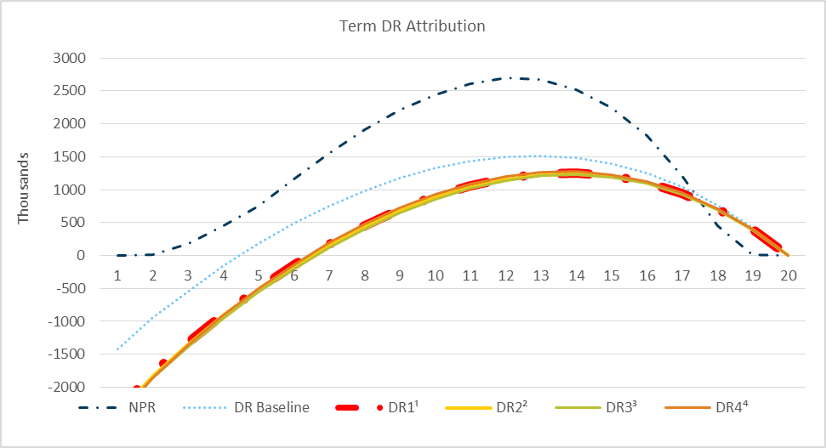
 | NPR | DR Baseline | DR1¹ | DR2² | DR3³ | DR4⁴ | Figure 1: Deterministic Reserve Attribution—20-Year Term, Low-Band
1 | - | (1,422,680.82) | (2,343,298.84) | (2,389,226.25) | (2,432,955.26) | (2,458,392.53)
2 | 18,859.73 | (941,210.99) | (1,786,159.86) | (1,821,241.70) | (1,861,599.07) | (1,862,333.25)
3 | 179,870.26 | (539,550.13) | (1,318,155.31) | (1,346,511.72) | (1,383,973.38) | (1,355,326.81)
4 | 445,480.76 | (159,351.79) | (890,323.62) | (915,613.09) | (950,906.76) | (905,778.15)
5 | 754,222.97 | 184,658.34 | (500,964.75) | (524,930.00) | (558,193.66) | (503,418.87)
6 | 1,158,242.42 | 488,378.30 | (146,330.44) | (171,809.04) | (203,083.14) | (140,468.71)
7 | 1,550,651.47 | 754,550.52 | 172,100.51 | 146,139.50 | 116,888.57 | 188,258.70
8 | 1,910,636.63 | 987,406.02 | 456,276.69 | 430,550.82 | 403,300.76 | 477,485.17
9 | 2,210,151.04 | 1,180,859.08 | 701,311.28 | 676,597.53 | 651,369.44 | 726,091.34
10 | 2,445,138.90 | 1,331,525.14 | 903,648.64 | 880,620.23 | 857,440.82 | 930,516.30
11 | 2,610,489.16 | 1,437,569.90 | 1,061,097.39 | 1,040,291.55 | 1,019,189.54 | 1,088,113.19
12 | 2,691,927.90 | 1,498,857.07 | 1,172,961.58 | 1,154,792.48 | 1,135,801.14 | 1,197,644.64
13 | 2,665,946.23 | 1,515,441.22 | 1,239,438.30 | 1,224,249.29 | 1,207,423.55 | 1,261,813.64
14 | 2,520,785.73 | 1,481,535.65 | 1,253,945.49 | 1,241,918.62 | 1,227,309.34 | 1,273,071.51
15 | 2,246,612.12 | 1,392,936.31 | 1,211,973.95 | 1,203,126.71 | 1,190,789.18 | 1,227,208.29
16 | 1,817,332.57 | 1,246,658.16 | 1,109,737.35 | 1,103,900.78 | 1,093,894.75 | 1,120,785.28
17 | 1,217,763.83 | 1,039,595.93 | 943,583.75 | 940,385.67 | 932,775.00 | 950,547.03 | 1DR1: Remove Mortality Margins
18 | 456,462.84 | 765,601.63 | 706,668.67 | 705,502.08 | 700,354.75 | 710,091.29 | 2DR2: Remove Lapse Margins
19 | 9,431.69 | 422,035.93 | 395,448.33 | 395,448.33 | 392,836.51 | 396,369.95 | 3DR3: Remove Expense Margin
20 | - | - | - | - | - | - | 4DR4: Level Discount Rate (4%)

 |  |  |  |  |  |  | Period 1 is not shown for DR1, DR2, DR3 or DR4 data points to improve readability of the graph.

Figure 3
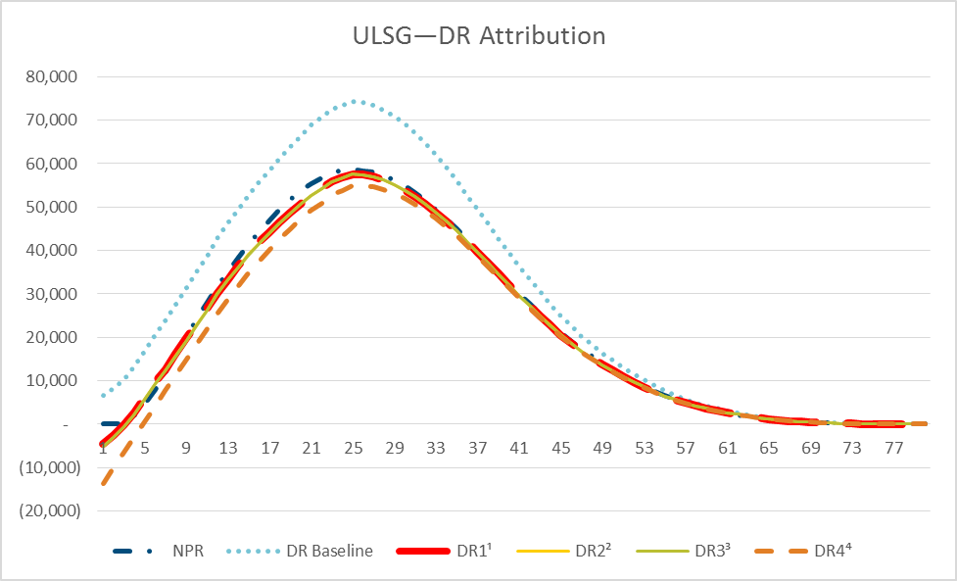
 | NPR | DR Baseline | DR1¹ | DR2² | DR3³ | DR4⁴ | Figure 3: Deterministic Reserve Attribution—ULSG, Low-Band
1 | - | 6,669.00 | (4,496.00) | (5,040.00) | (5,086.00) | (13,715.00)
2 | 16.00 | 8,218.00 | (2,441.00) | (2,946.00) | (2,989.00) | (10,074.00)
3 | 216.00 | 10,193.00 | (128.00) | (604.00) | (645.00) | (6,499.00)
4 | 1,976.00 | 13,111.00 | 2,684.00 | 2,229.00 | 2,189.00 | (2,941.00)
5 | 4,514.00 | 16,877.00 | 6,246.00 | 5,788.00 | 5,749.00 | 605.00
6 | 8,076.00 | 20,646.00 | 9,793.00 | 9,337.00 | 9,298.00 | 4,164.00
7 | 11,944.00 | 23,744.00 | 12,680.00 | 12,248.00 | 12,210.00 | 7,742.00
8 | 15,941.00 | 27,547.00 | 16,219.00 | 15,795.00 | 15,758.00 | 11,322.00
9 | 20,050.00 | 31,367.00 | 19,751.00 | 19,340.00 | 19,304.00 | 14,904.00
10 | 24,234.00 | 35,093.00 | 23,182.00 | 22,812.00 | 22,777.00 | 18,430.00
11 | 28,045.00 | 38,781.00 | 26,565.00 | 26,235.00 | 26,201.00 | 21,922.00
12 | 31,692.00 | 42,821.00 | 30,317.00 | 30,017.00 | 29,984.00 | 25,324.00
13 | 35,131.00 | 46,310.00 | 33,479.00 | 33,229.00 | 33,197.00 | 28,666.00
14 | 38,379.00 | 49,570.00 | 36,424.00 | 36,204.00 | 36,173.00 | 31,800.00
15 | 41,380.00 | 52,724.00 | 39,225.00 | 39,025.00 | 38,994.00 | 34,766.00
16 | 44,230.00 | 55,727.00 | 41,866.00 | 41,679.00 | 41,650.00 | 37,578.00
17 | 46,991.00 | 58,527.00 | 44,292.00 | 44,119.00 | 44,091.00 | 40,210.00
18 | 49,528.00 | 61,232.00 | 46,585.00 | 46,434.00 | 46,407.00 | 42,701.00
19 | 51,767.00 | 63,833.00 | 48,739.00 | 48,605.00 | 48,579.00 | 45,045.00 | 1DR1: Remove Mortality Margins
20 | 53,757.00 | 66,239.00 | 50,674.00 | 50,560.00 | 50,535.00 | 47,176.00 | 2DR2: Remove Lapse Margins
21 | 55,421.00 | 68,810.00 | 52,842.00 | 52,741.00 | 52,716.00 | 49,219.00 | 3DR3: Remove Expense Margin
22 | 56,780.00 | 70,658.00 | 54,367.00 | 54,278.00 | 54,255.00 | 50,958.00 | 4DR4: Level Discount Rate (5.2%)
23 | 57,801.00 | 72,601.00 | 56,005.00 | 55,929.00 | 55,907.00 | 52,790.00
24 | 58,447.00 | 73,490.00 | 56,856.00 | 56,785.00 | 56,764.00 | 53,860.00
25 | 58,721.00 | 74,217.00 | 57,612.00 | 57,549.00 | 57,529.00 | 54,815.00
26 | 58,409.00 | 74,016.00 | 57,476.00 | 57,422.00 | 57,403.00 | 54,877.00
27 | 58,012.00 | 73,362.00 | 57,003.00 | 56,960.00 | 56,942.00 | 54,598.00
28 | 57,261.00 | 72,310.00 | 56,233.00 | 56,198.00 | 56,181.00 | 54,014.00
29 | 56,229.00 | 70,882.00 | 55,205.00 | 55,176.00 | 55,160.00 | 53,166.00
30 | 54,906.00 | 69,127.00 | 53,923.00 | 53,899.00 | 53,884.00 | 52,055.00
31 | 53,319.00 | 67,034.00 | 52,405.00 | 52,386.00 | 52,372.00 | 50,694.00
32 | 51,499.00 | 64,675.00 | 50,705.00 | 50,691.00 | 50,678.00 | 49,138.00
33 | 49,488.00 | 62,037.00 | 48,822.00 | 48,811.00 | 48,799.00 | 47,393.00
34 | 47,295.00 | 59,142.00 | 46,748.00 | 46,740.00 | 46,729.00 | 45,448.00
35 | 44,938.00 | 55,989.00 | 44,500.00 | 44,495.00 | 44,485.00 | 43,322.00
36 | 42,448.00 | 52,733.00 | 42,119.00 | 42,117.00 | 42,108.00 | 41,055.00
37 | 39,995.00 | 49,411.00 | 39,649.00 | 39,649.00 | 39,640.00 | 38,692.00
38 | 37,505.00 | 46,086.00 | 37,136.00 | 37,136.00 | 37,128.00 | 36,277.00
39 | 35,019.00 | 42,822.00 | 34,655.00 | 34,655.00 | 34,648.00 | 33,886.00
40 | 32,554.00 | 39,617.00 | 32,169.00 | 32,169.00 | 32,163.00 | 31,483.00
41 | 30,124.00 | 36,484.00 | 29,711.00 | 29,711.00 | 29,705.00 | 29,101.00
42 | 27,763.00 | 33,459.00 | 27,321.00 | 27,321.00 | 27,316.00 | 26,781.00
43 | 25,482.00 | 30,544.00 | 25,015.00 | 25,015.00 | 25,010.00 | 24,538.00
44 | 23,256.00 | 27,732.00 | 22,782.00 | 22,782.00 | 22,777.00 | 22,362.00
45 | 21,133.00 | 25,017.00 | 20,614.00 | 20,614.00 | 20,610.00 | 20,246.00
46 | 19,159.00 | 22,556.00 | 18,663.00 | 18,663.00 | 18,659.00 | 18,342.00
47 | 17,332.00 | 20,289.00 | 16,876.00 | 16,876.00 | 16,873.00 | 16,596.00
48 | 15,644.00 | 18,269.00 | 15,253.00 | 15,253.00 | 15,250.00 | 15,011.00
49 | 14,057.00 | 16,410.00 | 13,742.00 | 13,742.00 | 13,740.00 | 13,533.00
50 | 12,564.00 | 14,671.00 | 12,311.00 | 12,311.00 | 12,309.00 | 12,132.00
51 | 11,169.00 | 13,056.00 | 10,980.00 | 10,980.00 | 10,978.00 | 10,811.00
52 | 9,880.00 | 11,563.00 | 9,738.00 | 9,738.00 | 9,737.00 | 9,580.00
53 | 8,695.00 | 10,185.00 | 8,588.00 | 8,588.00 | 8,587.00 | 8,441.00
54 | 7,590.00 | 8,912.00 | 7,519.00 | 7,519.00 | 7,518.00 | 7,382.00
55 | 6,580.00 | 7,722.00 | 6,509.00 | 6,509.00 | 6,508.00 | 6,383.00
56 | 5,695.00 | 6,683.00 | 5,641.00 | 5,641.00 | 5,640.00 | 5,525.00
57 | 4,918.00 | 5,753.00 | 4,878.00 | 4,878.00 | 4,877.00 | 4,773.00
58 | 4,235.00 | 4,949.00 | 4,225.00 | 4,225.00 | 4,225.00 | 4,131.00
59 | 3,626.00 | 4,236.00 | 3,650.00 | 3,650.00 | 3,649.00 | 3,567.00
60 | 3,091.00 | 3,645.00 | 3,147.00 | 3,147.00 | 3,147.00 | 3,075.00
61 | 2,606.00 | 3,104.00 | 2,682.00 | 2,682.00 | 2,681.00 | 2,619.00
62 | 2,173.00 | 2,614.00 | 2,257.00 | 2,257.00 | 2,257.00 | 2,204.00
63 | 1,790.00 | 2,175.00 | 1,875.00 | 1,875.00 | 1,874.00 | 1,831.00
64 | 1,449.00 | 1,782.00 | 1,532.00 | 1,532.00 | 1,532.00 | 1,496.00
65 | 1,155.00 | 1,430.00 | 1,221.00 | 1,221.00 | 1,221.00 | 1,192.00
66 | 915.00 | 1,138.00 | 971.00 | 971.00 | 971.00 | 947.00
67 | 718.00 | 888.00 | 765.00 | 765.00 | 765.00 | 747.00
68 | 563.00 | 687.00 | 605.00 | 605.00 | 605.00 | 590.00
69 | 442.00 | 554.00 | 488.00 | 488.00 | 488.00 | 476.00
70 | 339.00 | 439.00 | 386.00 | 386.00 | 386.00 | 378.00
71 | 254.00 | 341.00 | 298.00 | 298.00 | 298.00 | 292.00
72 | 184.00 | 258.00 | 223.00 | 223.00 | 223.00 | 219.00
73 | 127.00 | 189.00 | 161.00 | 161.00 | 161.00 | 158.00
74 | 81.00 | 132.00 | 109.00 | 109.00 | 109.00 | 107.00
75 | 46.00 | 83.00 | 64.00 | 64.00 | 64.00 | 63.00
76 | 23.00 | 49.00 | 34.00 | 34.00 | 34.00 | 34.00
77 | 9.00 | 23.00 | 14.00 | 14.00 | 14.00 | 14.00
78 | 1.00 | 3.00 | 2.00 | 2.00 | 2.00 | 2.00
79 | - | - | - | - | - | -
80 | - | - | - | - | - | -

Figure 8
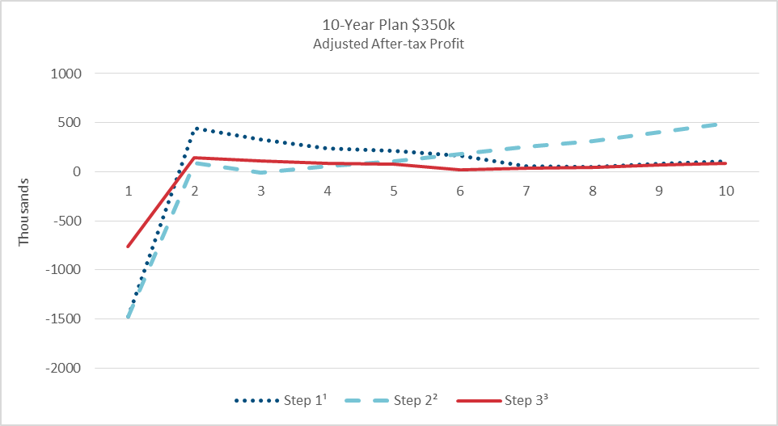
 | Step 1¹ | Step 2² | Step 3³ | Figure 8: Profit Pattern—Small Company 10-Year Term, Low-Band
1 | (1,470,336.44) | (1,470,336.44) | (758,775.80)
2 | 447,421.67 | 91,854.99 | 140,620.95
3 | 329,346.02 | (8,158.58) | 112,106.99
4 | 239,692.03 | 54,962.88 | 89,918.83
5 | 213,315.32 | 108,134.89 | 81,127.53
6 | 167,199.73 | 177,438.74 | 22,440.38
7 | 60,884.14 | 253,882.61 | 34,470.75
8 | 49,654.93 | 310,762.14 | 47,073.88
9 | 80,936.57 | 401,732.83 | 66,844.14
10 | 102,609.06 | 492,942.70 | 86,535.76

 |  |  |  | 1Step 1: Higher Acquisition Expenses 2Step 2: Lower Mortality Credibility 3Step 3: Coinsurance

Figure 9
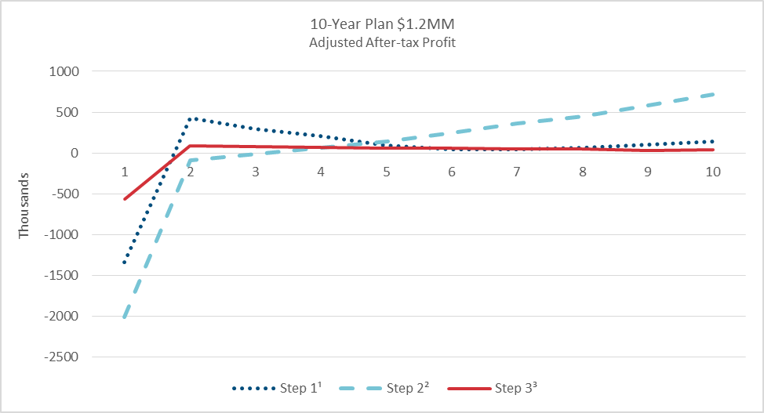
 | Step 1¹ | Step 2² | Step 3³ | Figure 9: Profit Pattern -Small Company 10-Year Term, High-Band
1 | (1,335,566.57) | (2,012,910.44) | (570,201.69)
2 | 428,274.08 | (86,052.36) | 92,210.93
3 | 297,949.97 | (11,116.71) | 77,004.01
4 | 207,360.35 | 66,422.17 | 65,836.08
5 | 95,598.64 | 141,591.06 | 61,427.53
6 | 43,205.65 | 244,118.90 | 55,086.07
7 | 40,470.44 | 360,584.30 | 52,281.86
8 | 60,316.16 | 445,920.18 | 45,746.57
9 | 105,445.28 | 578,652.07 | 30,008.81
10 | 140,308.68 | 717,544.40 | 37,726.85

 |  |  |  | 1Step 1: Higher Acquisition Expenses 2Step 2: Lower Mortality Credibility 3Step 3: Coinsurance

Figure 10
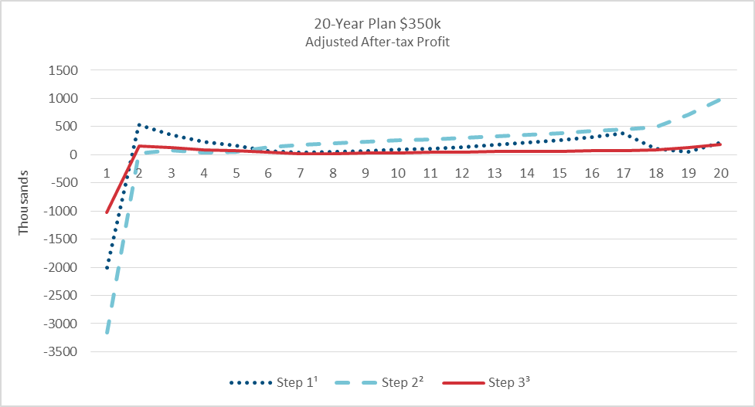
 | Step 1¹ | Step 2² | Step 3³ | Figure 10: Profit Pattern—Small Company 20-Year Term, Low-Band
1 | (1,999,704.75) | (3,162,655.59) | (1,026,346.81)
2 | 527,031.36 | 29,704.86 | 159,988.25
3 | 356,841.75 | 79,810.23 | 121,804.47
4 | 229,372.29 | 36,227.05 | 92,841.15
5 | 155,293.89 | 47,344.13 | 75,283.12
6 | 63,955.66 | 137,385.36 | 43,522.98
7 | 44,618.80 | 181,101.79 | 19,525.48
8 | 46,522.08 | 198,706.77 | 24,768.53
9 | 67,049.66 | 226,860.02 | 31,732.13
10 | 86,988.83 | 254,755.86 | 38,578.64
11 | 105,747.88 | 274,058.05 | 42,412.87
12 | 132,242.77 | 292,927.02 | 45,813.08
13 | 174,620.84 | 328,732.02 | 53,378.00
14 | 217,776.18 | 357,047.12 | 59,308.87
15 | 262,224.98 | 383,066.44 | 64,685.45
16 | 319,503.72 | 416,425.29 | 71,488.43
17 | 381,494.88 | 450,228.91 | 78,346.14 | 1Step 1: Higher Acquisition Expenses 2Step 2: Lower Mortality Credibility 3Step 3: Coinsurance
18 | 108,642.54 | 487,267.86 | 85,746.53
19 | 47,572.93 | 708,111.47 | 129,883.93
20 | 223,259.63 | 990,269.63 | 186,122.37

Figure 11
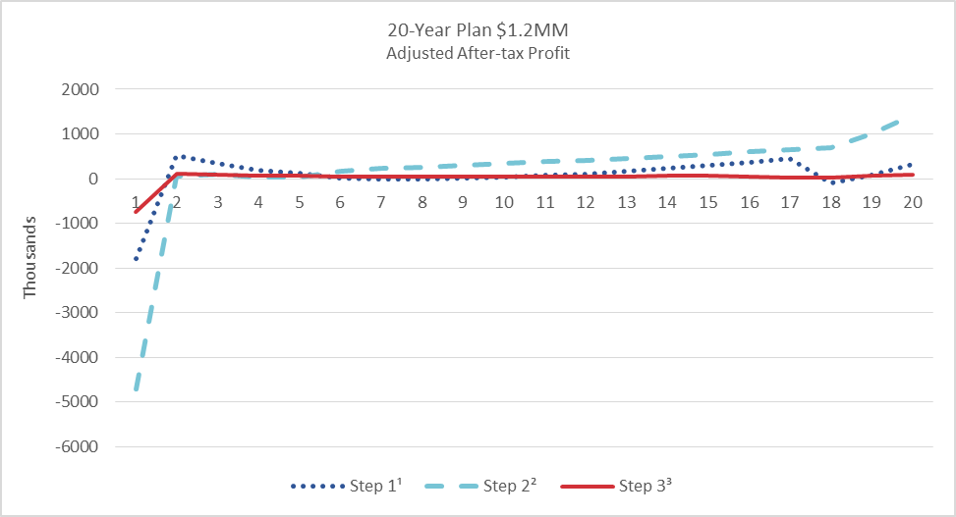
 | Step 1¹ | Step 2² | Step 3³ | Figure 11: Profit Pattern—Small Company 20-Year Term, High-Band
1 | (1,784,522.34) | (4,717,130.62) | (750,475.36)
2 | 523,596.78 | 59,345.58 | 103,548.17
3 | 334,292.84 | 104,766.34 | 84,175.43
4 | 197,944.63 | 26,572.76 | 70,027.17
5 | 117,602.32 | 44,664.13 | 61,183.41
6 | 6,602.02 | 159,609.63 | 50,774.56
7 | (10,479.89) | 232,130.24 | 48,114.70
8 | (7,578.76) | 259,350.24 | 47,567.65
9 | 18,675.34 | 301,887.59 | 49,016.74
10 | 43,800.70 | 344,530.16 | 50,341.86
11 | 71,249.08 | 378,136.04 | 50,526.64
12 | 106,997.02 | 408,934.78 | 51,014.28
13 | 163,088.97 | 461,045.20 | 54,227.45
14 | 224,682.81 | 505,971.72 | 57,784.72
15 | 288,101.78 | 546,168.90 | 61,378.21
16 | 369,190.11 | 594,766.22 | 46,486.70
17 | 457,636.69 | 642,443.60 | 30,716.50 | 1Step 1: Higher Acquisition Expenses 2Step 2: Lower Mortality Credibility 3Step 3: Coinsurance
18 | (87,885.38) | 696,737.83 | 34,232.01
19 | 79,290.86 | 1,007,732.25 | 58,983.22
20 | 329,775.22 | 1,414,622.40 | 91,352.97

Figure 12
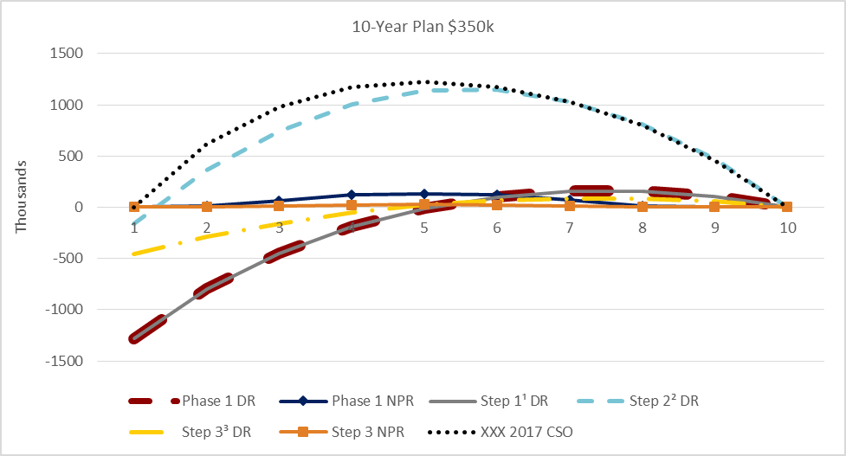
 | Phase 1 DR | Phase 1 NPR | Step 1¹ DR | Step 2² DR | Step 3³ DR | Step 3 NPR | XXX 2017 CSO | Figure 12: Reserve Levels—10-Year Term, Low-Band
1 | (1,279,973.73) | - | (1,279,973.73) | (156,522.09) | (455,305.15) | - | 3,036.88
2 | (795,504.13) | 16,321.86 | (795,504.13) | 359,135.87 | (290,988.36) | 3,264.37 | 613,125.35
3 | (450,393.64) | 62,684.34 | (450,393.64) | 741,307.51 | (159,796.00) | 12,536.87 | 981,708.29
4 | (189,039.09) | 125,556.84 | (189,039.09) | 1,003,399.00 | (54,365.51) | 25,111.37 | 1,175,540.84
5 | (11,421.24) | 131,562.41 | (11,421.24) | 1,138,524.17 | 21,462.97 | 26,312.48 | 1,228,199.18
6 | 99,853.87 | 123,289.73 | 99,853.87 | 1,152,472.65 | 69,580.68 | 24,657.95 | 1,175,440.31
7 | 156,836.47 | 67,525.11 | 156,836.47 | 1,032,967.76 | 88,309.09 | 13,505.02 | 1,032,670.89
8 | 158,298.28 | 13,136.92 | 158,298.28 | 810,943.95 | 84,793.23 | 2,627.38 | 800,726.26
9 | 106,702.22 | - | 106,702.22 | 471,189.31 | 56,201.53 | - | 458,165.11
10 | - | - | - | - | - | - | 3.05

 |  |  |  |  |  |  |  | 1Step 1: Higher Acquisition Expenses 2Step 2: Lower Mortality Credibility 3Step 3: Coinsurance

Figure 13
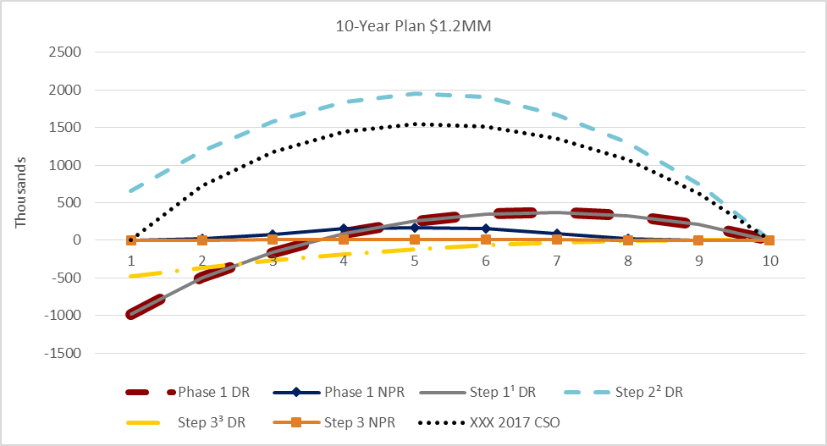
 | Phase 1 DR | Phase 1 NPR | Step 1¹ DR | Step 2² DR | Step 3³ DR | Step 3 NPR | XXX 2017 CSO | Figure 13: Reserve Levels—10-Year Term, High-Band
1 | (983,664.04) | - | (983,664.04) | 653,050.40 | (476,423.95) | - | 3,539.81
2 | (495,370.37) | 19,219.89 | (495,370.37) | 1,187,009.06 | (363,182.70) | 1,601.66 | 722,462.43
3 | (160,297.63) | 75,438.35 | (160,297.63) | 1,576,668.85 | (267,439.84) | 6,286.53 | 1,180,821.34
4 | 90,582.90 | 154,384.73 | 90,582.90 | 1,838,209.18 | (183,741.60) | 12,865.39 | 1,444,693.29
5 | 256,233.71 | 165,322.63 | 256,233.71 | 1,948,869.92 | (115,518.52) | 13,776.89 | 1,542,303.18
6 | 348,845.40 | 158,340.68 | 348,845.40 | 1,901,720.37 | (62,655.40) | 13,195.06 | 1,508,153.41
7 | 375,740.30 | 88,656.35 | 375,740.30 | 1,669,811.76 | (26,551.00) | 7,388.03 | 1,353,246.30
8 | 330,138.44 | 17,656.48 | 330,138.44 | 1,294,171.94 | (2,689.99) | 1,471.37 | 1,070,754.88
9 | 207,501.45 | - | 207,501.45 | 746,514.62 | 6,836.34 | - | 625,865.75
10 | - | - | - | - | - | - | 0.00

 |  |  |  |  |  |  |  | 1Step 1: Higher Acquisition Expenses 2Step 2: Lower Mortality Credibility 3Step 3: Coinsurance

Figure 14
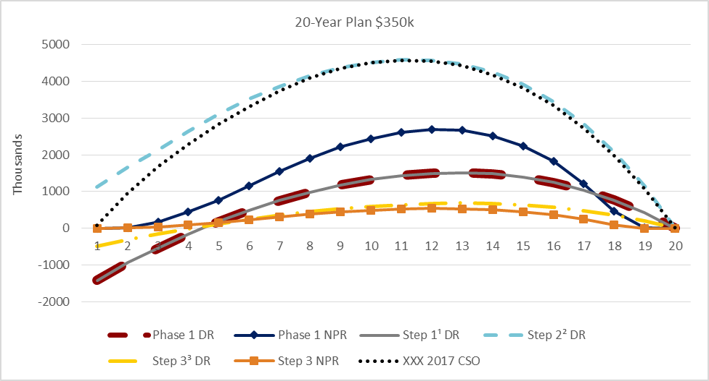
 | Phase 1 DR | Phase 1 NPR | Step 1¹ DR | Step 2² DR | Step 3³ DR | Step 3 NPR | XXX 2017 CSO | Figure 14: Reserve Levels—20-Year Term, Low-Band
1 | (1,422,680.82) | - | (1,422,680.82) | 1,121,240.68 | (482,409.51) | - | 73,935.69
2 | (941,210.99) | 18,859.73 | (941,210.99) | 1,651,969.57 | (313,576.90) | 3,771.95 | 949,375.65
3 | (539,550.13) | 179,870.26 | (539,550.13) | 2,129,664.55 | (163,551.35) | 35,974.05 | 1,671,717.02
4 | (159,351.79) | 445,480.76 | (159,351.79) | 2,642,160.62 | (17,287.49) | 89,096.15 | 2,290,530.18
5 | 184,658.34 | 754,222.97 | 184,658.34 | 3,124,325.25 | 119,496.74 | 150,844.59 | 2,844,187.59
6 | 488,378.30 | 1,158,242.42 | 488,378.30 | 3,533,086.27 | 242,819.17 | 231,648.48 | 3,318,971.91
7 | 754,550.52 | 1,550,651.47 | 754,550.52 | 3,870,112.24 | 350,463.43 | 310,130.29 | 3,748,707.86
8 | 987,406.02 | 1,910,636.63 | 987,406.02 | 4,158,177.61 | 446,565.02 | 382,127.33 | 4,094,158.98
9 | 1,180,859.08 | 2,210,151.04 | 1,180,859.08 | 4,376,386.71 | 527,394.38 | 442,030.21 | 4,347,861.78
10 | 1,331,525.14 | 2,445,138.90 | 1,331,525.14 | 4,520,033.75 | 592,099.22 | 489,027.78 | 4,508,277.04
11 | 1,437,569.90 | 2,610,489.16 | 1,437,569.90 | 4,591,242.33 | 641,164.71 | 522,097.83 | 4,582,531.43
12 | 1,498,857.07 | 2,691,927.90 | 1,498,857.07 | 4,583,129.59 | 673,319.37 | 538,385.58 | 4,561,883.70
13 | 1,515,441.22 | 2,665,946.23 | 1,515,441.22 | 4,471,014.17 | 683,806.84 | 533,189.25 | 4,431,657.10
14 | 1,481,535.65 | 2,520,785.73 | 1,481,535.65 | 4,251,214.93 | 671,903.52 | 504,157.14 | 4,188,911.73
15 | 1,392,936.31 | 2,246,612.12 | 1,392,936.31 | 3,917,732.78 | 636,487.10 | 449,322.42 | 3,832,844.37
16 | 1,246,658.16 | 1,817,332.57 | 1,246,658.16 | 3,450,270.86 | 573,558.18 | 363,466.51 | 3,348,139.61
17 | 1,039,595.93 | 1,217,763.83 | 1,039,595.93 | 2,838,455.99 | 481,110.63 | 243,552.77 | 2,730,098.56 | 1Step 1: Higher Acquisition Expenses 2Step 2: Lower Mortality Credibility 3Step 3: Coinsurance
18 | 765,601.63 | 456,462.84 | 765,601.63 | 2,074,886.27 | 357,736.58 | 91,292.57 | 1,976,450.27
19 | 422,035.93 | 9,431.69 | 422,035.93 | 1,137,820.06 | 199,155.97 | 1,886.34 | 1,073,488.28
20 | - | - | - | - | - | - | 0.00

Figure 15
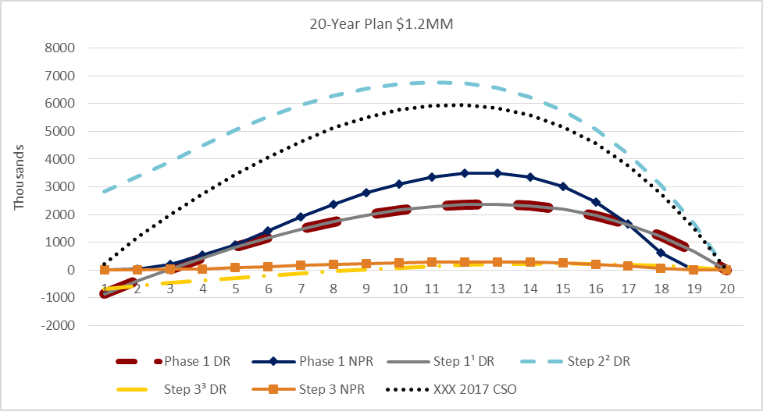
 | Phase 1 DR | Phase 1 NPR | Step 1¹ DR | Step 2² DR | Step 3³ DR | Step 3 NPR | XXX 2017 CSO | Figure 15: Reserve Levels—20-Year Term, High-Band
1 | (867,637.90) | - | (867,637.90) | 2,827,427.96 | (691,791.07) | - | 211,033.77
2 | (381,919.35) | 21,674.33 | (381,919.35) | 3,378,354.42 | (576,376.08) | 1,806.19 | 1,170,051.37
3 | 24,756.33 | 209,272.08 | 24,756.33 | 3,889,171.09 | (473,072.98) | 17,439.34 | 1,990,467.73
4 | 437,000.92 | 524,796.24 | 437,000.92 | 4,484,420.40 | (376,171.04) | 43,733.02 | 2,735,868.04
5 | 822,788.52 | 901,119.93 | 822,788.52 | 5,056,062.91 | (284,034.60) | 75,093.32 | 3,438,719.79
6 | 1,167,802.03 | 1,406,076.41 | 1,167,802.03 | 5,545,921.92 | (196,653.30) | 117,173.03 | 4,068,240.59
7 | 1,472,389.76 | 1,905,953.73 | 1,472,389.76 | 5,944,731.38 | (116,882.92) | 158,829.47 | 4,645,864.37
8 | 1,745,994.67 | 2,376,498.91 | 1,745,994.67 | 6,288,178.84 | (42,596.11) | 198,041.57 | 5,130,078.74
9 | 1,977,967.29 | 2,780,872.04 | 1,977,967.29 | 6,546,153.98 | 24,426.79 | 231,739.33 | 5,508,328.38
10 | 2,160,626.84 | 3,111,879.84 | 2,160,626.84 | 6,709,601.12 | 83,563.32 | 259,323.31 | 5,774,672.61
11 | 2,290,307.95 | 3,359,343.22 | 2,290,307.95 | 6,779,320.19 | 134,816.10 | 279,945.26 | 5,930,859.56
12 | 2,363,601.43 | 3,501,884.86 | 2,363,601.43 | 6,743,620.92 | 177,342.34 | 291,823.73 | 5,965,376.79
13 | 2,375,322.19 | 3,505,053.94 | 2,375,322.19 | 6,566,566.81 | 208,474.55 | 292,087.82 | 5,855,050.58
14 | 2,320,133.56 | 3,348,948.83 | 2,320,133.56 | 6,240,409.93 | 227,548.14 | 279,079.06 | 5,591,684.14
15 | 2,186,988.71 | 3,015,386.95 | 2,186,988.71 | 5,753,613.12 | 233,711.77 | 251,282.24 | 5,169,367.78
16 | 1,966,248.32 | 2,463,261.63 | 1,966,248.32 | 5,074,553.80 | 224,440.72 | 205,271.79 | 4,562,399.05
17 | 1,647,568.24 | 1,664,803.68 | 1,647,568.24 | 4,184,306.87 | 198,273.01 | 138,733.63 | 3,758,372.55 | 1Step 1: Higher Acquisition Expenses 2Step 2: Lower Mortality Credibility 3Step 3: Coinsurance
18 | 1,221,959.27 | 626,591.94 | 1,221,959.27 | 3,068,365.37 | 154,114.83 | 52,215.99 | 2,748,484.91
19 | 677,146.56 | 13,074.09 | 677,146.56 | 1,689,540.67 | 89,184.03 | 1,089.51 | 1,507,834.17
20 | - | - | - | - | - | - | 0.00

Figure 18
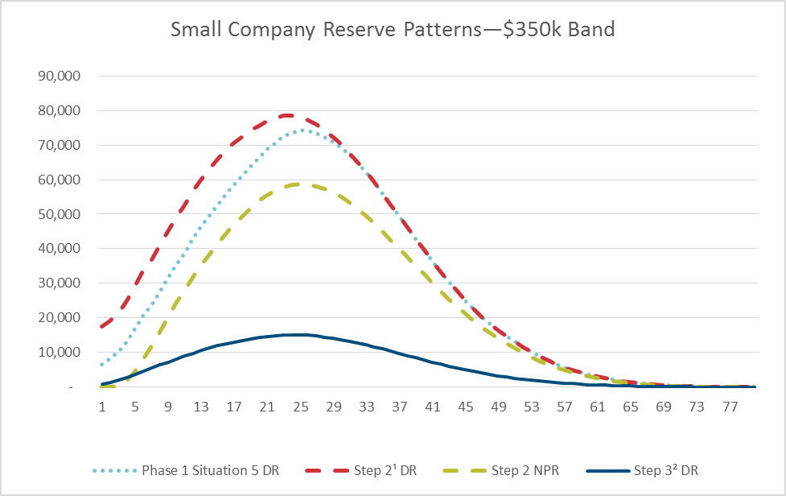
 | Phase 1 Situation 5 DR | Step 2¹ DR | Step 2 NPR | Step 3² DR | Figure 18: Reserve Levels—ULSG, Low-Band
1 | 6,669.00 | 17,547.00 | - | 884.00
2 | 8,218.00 | 19,214.00 | 16.00 | 1,396.00
3 | 10,193.00 | 21,411.00 | 216.00 | 1,988.00
4 | 13,111.00 | 24,880.00 | 1,976.00 | 2,785.00
5 | 16,877.00 | 29,229.00 | 4,514.00 | 3,742.00
6 | 20,646.00 | 33,479.00 | 8,076.00 | 4,675.00
7 | 23,744.00 | 36,936.00 | 11,944.00 | 5,449.00
8 | 27,547.00 | 41,015.00 | 15,941.00 | 6,340.00
9 | 31,367.00 | 45,038.00 | 20,050.00 | 7,216.00
10 | 35,093.00 | 48,870.00 | 24,234.00 | 8,054.00
11 | 38,781.00 | 52,610.00 | 28,045.00 | 8,901.00
12 | 42,821.00 | 56,597.00 | 31,692.00 | 9,793.00
13 | 46,310.00 | 59,998.00 | 35,131.00 | 10,566.00
14 | 49,570.00 | 63,058.00 | 38,379.00 | 11,271.00
15 | 52,724.00 | 65,881.00 | 41,380.00 | 11,926.00
16 | 55,727.00 | 68,417.00 | 44,230.00 | 12,520.00
17 | 58,527.00 | 70,587.00 | 46,991.00 | 13,039.00
18 | 61,232.00 | 72,530.00 | 49,528.00 | 13,508.00
19 | 63,833.00 | 74,223.00 | 51,767.00 | 13,924.00
20 | 66,239.00 | 75,571.00 | 53,757.00 | 14,268.00 | 1Step 2: Small Company Acquisition and Reserve Assumptions
21 | 68,810.00 | 76,990.00 | 55,421.00 | 14,620.00 | 2Step 3: Small Company with Coinsurance
22 | 70,658.00 | 77,724.00 | 56,780.00 | 14,833.00
23 | 72,601.00 | 78,605.00 | 57,801.00 | 15,069.00
24 | 73,490.00 | 78,448.00 | 58,447.00 | 15,099.00
25 | 74,217.00 | 78,194.00 | 58,721.00 | 15,104.00
26 | 74,016.00 | 77,220.00 | 58,409.00 | 14,964.00
27 | 73,362.00 | 75,865.00 | 58,012.00 | 14,744.00
28 | 72,310.00 | 74,197.00 | 57,261.00 | 14,458.00
29 | 70,882.00 | 72,232.00 | 56,229.00 | 14,109.00
30 | 69,127.00 | 70,035.00 | 54,906.00 | 13,711.00
31 | 67,034.00 | 67,584.00 | 53,319.00 | 13,258.00
32 | 64,675.00 | 64,953.00 | 51,499.00 | 12,767.00
33 | 62,037.00 | 62,131.00 | 49,488.00 | 12,233.00
34 | 59,142.00 | 59,142.00 | 47,295.00 | 11,662.00
35 | 55,989.00 | 55,989.00 | 44,938.00 | 11,055.00
36 | 52,733.00 | 52,733.00 | 42,448.00 | 10,425.00
37 | 49,411.00 | 49,411.00 | 39,995.00 | 9,779.00
38 | 46,086.00 | 46,086.00 | 37,505.00 | 9,129.00
39 | 42,822.00 | 42,822.00 | 35,019.00 | 8,490.00
40 | 39,617.00 | 39,617.00 | 32,554.00 | 7,862.00
41 | 36,484.00 | 36,484.00 | 30,124.00 | 7,246.00
42 | 33,459.00 | 33,459.00 | 27,763.00 | 6,650.00
43 | 30,544.00 | 30,544.00 | 25,482.00 | 6,075.00
44 | 27,732.00 | 27,732.00 | 23,256.00 | 5,520.00
45 | 25,017.00 | 25,017.00 | 21,133.00 | 4,982.00
46 | 22,556.00 | 22,556.00 | 19,159.00 | 4,495.00
47 | 20,289.00 | 20,289.00 | 17,332.00 | 4,045.00
48 | 18,269.00 | 18,269.00 | 15,644.00 | 3,644.00
49 | 16,410.00 | 16,410.00 | 14,057.00 | 3,275.00
50 | 14,671.00 | 14,671.00 | 12,564.00 | 2,929.00
51 | 13,056.00 | 13,056.00 | 11,169.00 | 2,608.00
52 | 11,563.00 | 11,563.00 | 9,880.00 | 2,310.00
53 | 10,185.00 | 10,185.00 | 8,695.00 | 2,035.00
54 | 8,912.00 | 8,912.00 | 7,590.00 | 1,782.00
55 | 7,722.00 | 7,722.00 | 6,580.00 | 1,544.00
56 | 6,683.00 | 6,683.00 | 5,695.00 | 1,337.00
57 | 5,753.00 | 5,753.00 | 4,918.00 | 1,151.00
58 | 4,949.00 | 4,949.00 | 4,235.00 | 990.00
59 | 4,236.00 | 4,236.00 | 3,626.00 | 848.00
60 | 3,645.00 | 3,645.00 | 3,091.00 | 730.00
61 | 3,104.00 | 3,104.00 | 2,606.00 | 621.00
62 | 2,614.00 | 2,614.00 | 2,173.00 | 523.00
63 | 2,175.00 | 2,175.00 | 1,790.00 | 435.00
64 | 1,782.00 | 1,782.00 | 1,449.00 | 357.00
65 | 1,430.00 | 1,430.00 | 1,155.00 | 286.00
66 | 1,138.00 | 1,138.00 | 915.00 | 228.00
67 | 888.00 | 888.00 | 718.00 | 178.00
68 | 687.00 | 687.00 | 563.00 | 138.00
69 | 554.00 | 554.00 | 442.00 | 111.00
70 | 439.00 | 439.00 | 339.00 | 88.00
71 | 341.00 | 341.00 | 254.00 | 68.00
72 | 258.00 | 258.00 | 184.00 | 52.00
73 | 189.00 | 189.00 | 127.00 | 38.00
74 | 132.00 | 132.00 | 81.00 | 26.00
75 | 83.00 | 83.00 | 46.00 | 17.00
76 | 49.00 | 49.00 | 23.00 | 10.00
77 | 23.00 | 23.00 | 9.00 | 5.00
78 | 3.00 | 3.00 | 1.00 | 1.00
79 | - | - | - | -
80 | - | - | - | -

Figure 19
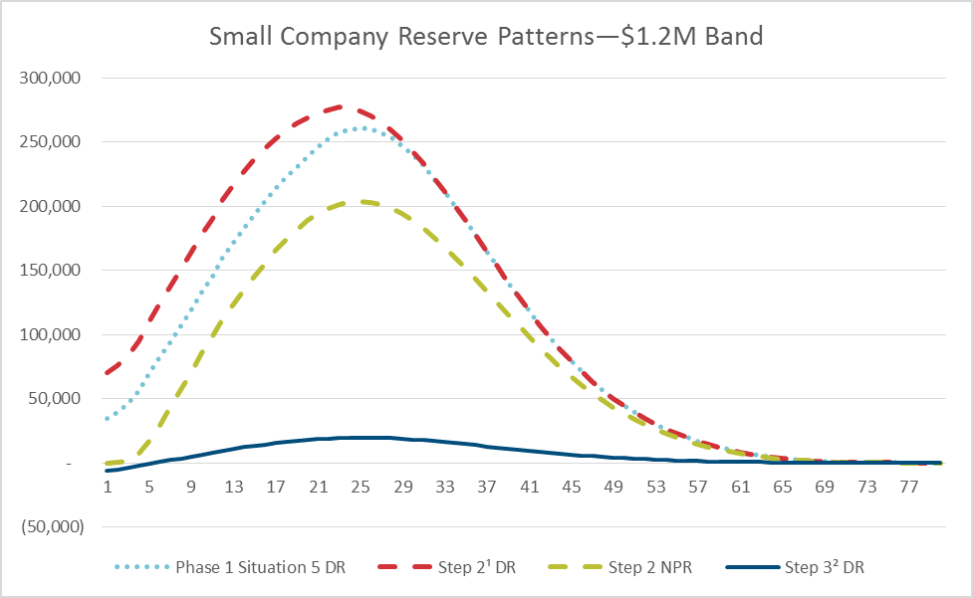
 | Phase 1 Situation 5 DR | Step 2¹ DR | Step 2 NPR | Step 3² DR | Figure 19: Reserve Levels—ULSG, High-Band
1 | 34,627.00 | 70,487.00 | - | (6,512.00)
2 | 39,549.00 | 75,894.00 | 47.00 | (5,256.00)
3 | 46,099.00 | 83,314.00 | 922.00 | (3,963.00)
4 | 56,030.00 | 95,100.00 | 7,569.00 | (2,538.00)
5 | 69,104.00 | 110,147.00 | 16,674.00 | (919.00)
6 | 82,255.00 | 124,861.00 | 29,263.00 | 654.00
7 | 93,130.00 | 136,809.00 | 42,813.00 | 2,006.00
8 | 106,471.00 | 150,936.00 | 56,819.00 | 3,497.00
9 | 119,836.00 | 164,848.00 | 71,191.00 | 4,961.00
10 | 132,865.00 | 178,117.00 | 85,815.00 | 6,371.00
11 | 145,530.00 | 190,839.00 | 99,095.00 | 7,846.00
12 | 159,890.00 | 204,955.00 | 111,799.00 | 9,408.00
13 | 171,942.00 | 216,620.00 | 123,905.00 | 10,776.00
14 | 183,340.00 | 227,331.00 | 135,219.00 | 12,064.00
15 | 193,830.00 | 236,640.00 | 145,817.00 | 13,235.00
16 | 204,339.00 | 245,583.00 | 155,694.00 | 14,350.00
17 | 213,752.00 | 252,876.00 | 165,375.00 | 15,331.00
18 | 222,646.00 | 259,210.00 | 174,067.00 | 16,220.00
19 | 231,124.00 | 264,697.00 | 181,893.00 | 17,022.00
20 | 238,673.00 | 268,791.00 | 188,587.00 | 17,703.00 | 1Step 2: Small Company Acquisition and Reserve Assumptions
21 | 246,677.00 | 273,052.00 | 194,080.00 | 18,372.00 | 2Step 3: Small Company with Coinsurance
22 | 252,197.00 | 274,982.00 | 198,539.00 | 18,843.00
23 | 257,907.00 | 277,317.00 | 201,660.00 | 19,314.00
24 | 259,874.00 | 275,971.00 | 203,541.00 | 19,496.00
25 | 261,194.00 | 274,199.00 | 203,975.00 | 19,618.00
26 | 260,210.00 | 270,570.00 | 202,818.00 | 19,579.00
27 | 257,413.00 | 265,382.00 | 201,301.00 | 19,400.00
28 | 253,151.00 | 259,061.00 | 198,438.00 | 19,113.00
29 | 247,299.00 | 251,466.00 | 194,351.00 | 18,710.00
30 | 239,994.00 | 242,761.00 | 189,189.00 | 18,203.00
31 | 231,302.00 | 232,958.00 | 182,954.00 | 17,594.00
32 | 221,763.00 | 222,594.00 | 175,886.00 | 16,923.00
...

Figure 20
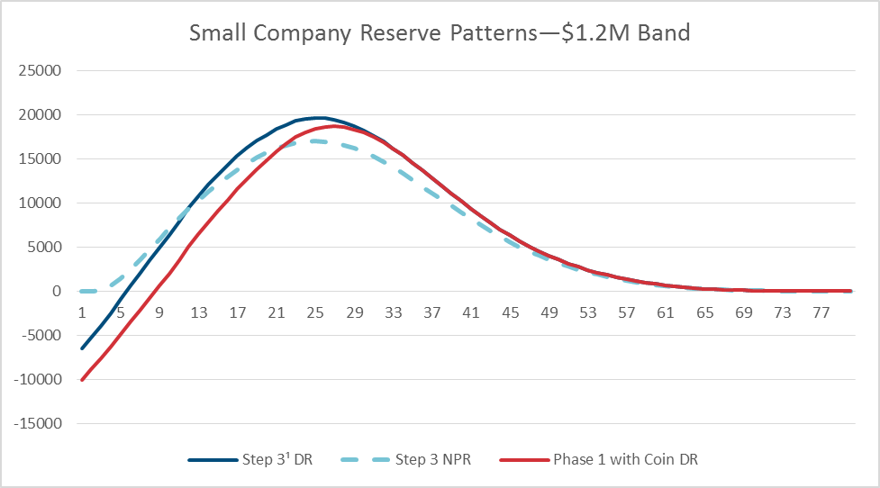
 | Step 3¹ DR | Step 3 NPR | Phase 1 with Coin DR | Figure 20: Reserve Levels—ULSG, High-Band
1 | (6,512.00) | - | (10,038.00)
2 | (5,256.00) | 4.00 | (8,810.00)
3 | (3,963.00) | 77.00 | (7,587.00)
4 | (2,538.00) | 631.00 | (6,331.00)
5 | (919.00) | 1,390.00 | (4,901.00)
6 | 654.00 | 2,438.00 | (3,478.00)
7 | 2,006.00 | 3,568.00 | (2,221.00)
8 | 3,497.00 | 4,735.00 | (804.00)
9 | 4,961.00 | 5,933.00 | 609.00
10 | 6,371.00 | 7,152.00 | 1,998.00
11 | 7,846.00 | 8,258.00 | 3,471.00
12 | 9,408.00 | 9,316.00 | 5,055.00
13 | 10,776.00 | 10,326.00 | 6,463.00
14 | 12,064.00 | 11,268.00 | 7,822.00
15 | 13,235.00 | 12,152.00 | 9,112.00
16 | 14,350.00 | 12,974.00 | 10,384.00
17 | 15,331.00 | 13,781.00 | 11,575.00
18 | 16,220.00 | 14,506.00 | 12,716.00 | 1Step 3: Small Company with Coinsurance
19 | 17,022.00 | 15,158.00 | 13,811.00
20 | 17,703.00 | 15,716.00 | 14,829.00
21 | 18,372.00 | 16,174.00 | 15,858.00
22 | 18,843.00 | 16,545.00 | 16,676.00
23 | 19,314.00 | 16,805.00 | 17,472.00
24 | 19,496.00 | 16,962.00 | 17,973.00
25 | 19,618.00 | 16,998.00 | 18,391.00
26 | 19,579.00 | 16,901.00 | 18,604.00
27 | 19,400.00 | 16,774.00 | 18,653.00
...

Figure 23
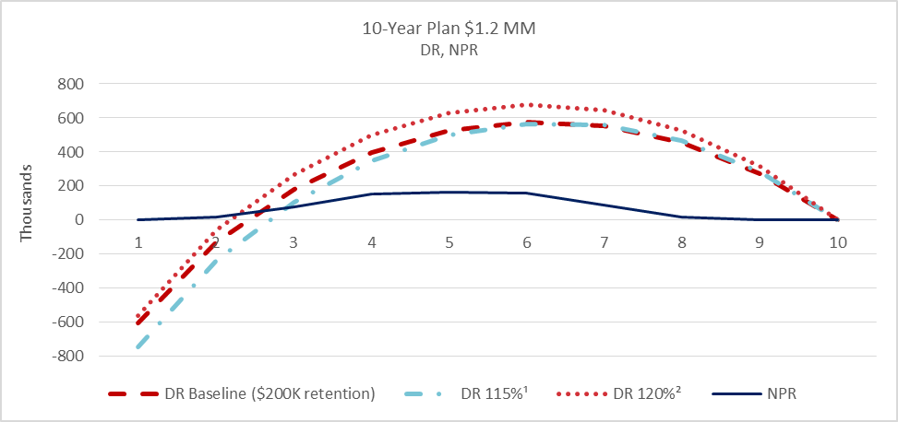
 | DR Baseline ($200K retention) | DR 115%¹ | DR 120%² | NPR | Figure 23: Reserve Levels—Guaranteed YRT, 10-Year Term, High-Band
1 | (603,057.17) | (744,207.01) | (559,393.35) | -
2 | (129,451.17) | (235,519.93) | (59,381.10) | 19,219.89
3 | 181,697.88 | 106,278.15 | 269,790.85 | 75,438.35
4 | 399,012.24 | 350,407.39 | 498,232.86 | 154,384.73
5 | 525,983.55 | 499,947.96 | 629,714.88 | 165,322.63
6 | 575,572.53 | 567,334.93 | 676,858.92 | 158,340.68
7 | 555,074.90 | 559,364.93 | 646,373.19 | 88,656.35
8 | 456,193.23 | 466,750.20 | 528,205.44 | 17,656.48
9 | 274,020.51 | 283,580.60 | 316,166.53 | -
10 | - | - | - | -

 |  |  |  |  | 1115%: Guaranteed YRT Premiums Equal to 115% of Expected Mortality
 |  |  |  |  | 2120%: Guaranteed YRT Premiums Equal to 120% of Expected Mortality

Figure 24
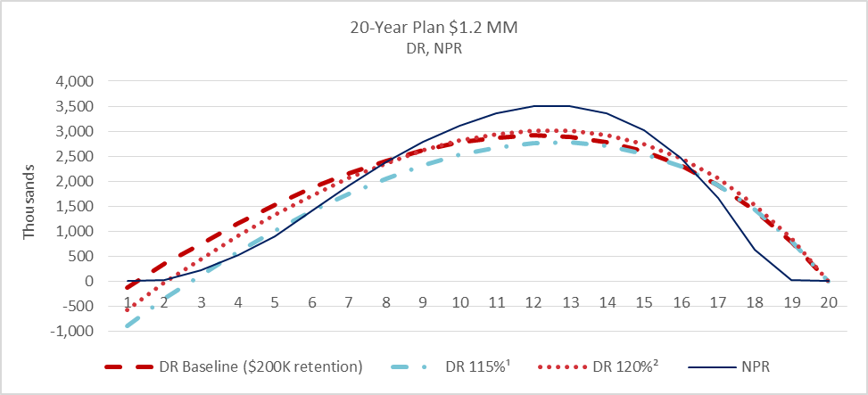
 | DR Baseline ($200K retention) | DR 115%¹ | DR 120%² | NPR | Figure 24: Reserve Levels—Guaranteed YRT, 20-Year Term, High-Band
1 | (132,021.93) | (904,360.35) | (570,663.64) | -
2 | 343,246.99 | (346,687.63) | (19,462.69) | 21,674.33
3 | 738,741.71 | 120,268.59 | 441,102.78 | 209,272.08
4 | 1,146,862.06 | 582,563.01 | 902,154.70 | 524,796.24
5 | 1,526,839.38 | 1,014,020.85 | 1,332,291.09 | 901,119.93
6 | 1,860,474.90 | 1,401,504.39 | 1,715,940.67 | 1,406,076.41
7 | 2,150,983.31 | 1,746,254.89 | 2,055,206.04 | 1,905,953.73
8 | 2,407,301.46 | 2,055,151.20 | 2,357,597.90 | 2,376,498.91
9 | 2,618,356.61 | 2,317,885.46 | 2,612,127.64 | 2,780,872.04
10 | 2,775,740.50 | 2,525,611.48 | 2,809,586.89 | 3,111,879.84
11 | 2,875,465.55 | 2,673,733.91 | 2,945,239.59 | 3,359,343.22
12 | 2,913,390.97 | 2,757,313.37 | 3,013,916.63 | 3,501,884.86
13 | 2,884,417.09 | 2,771,108.19 | 3,010,032.90 | 3,505,053.94
14 | 2,782,355.70 | 2,707,609.96 | 2,925,805.22 | 3,348,948.83
15 | 2,595,181.84 | 2,553,979.14 | 2,747,875.70 | 3,015,386.95 | 1115%: Guaranteed YRT Premiums Equal to 115% of Expected Mortality
16 | 2,312,391.28 | 2,298,251.94 | 2,463,769.73 | 2,463,261.63 | 2120%: Guaranteed YRT Premiums Equal to 120% of Expected Mortality
17 | 1,922,729.01 | 1,927,959.40 | 2,060,471.71 | 1,664,803.68
18 | 1,416,410.56 | 1,431,741.17 | 1,526,091.13 | 626,591.94
19 | 780,199.51 | 794,544.05 | 844,917.31 | 13,074.09
20 | - | - | - | -

Figure 27
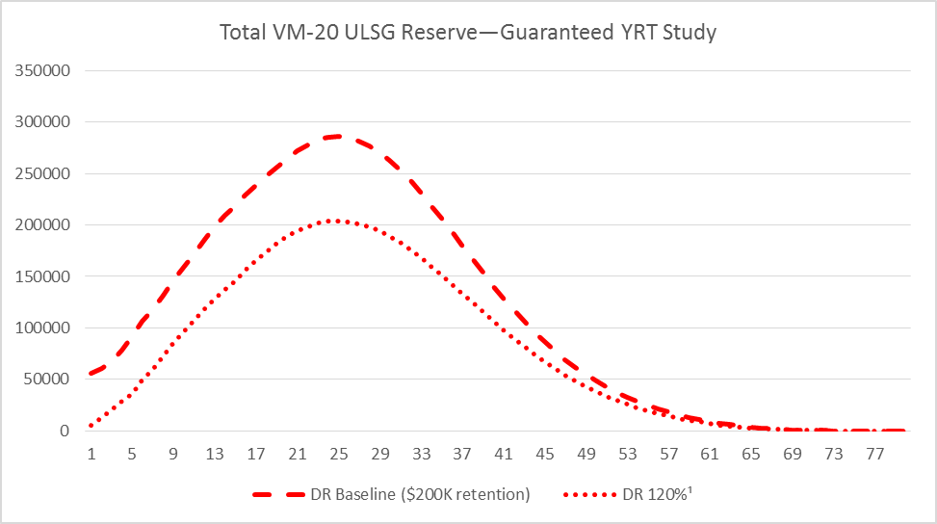
 | DR Baseline ($200K retention) | DR 120%¹ | Figure 27: Reserve Levels—Guaranteed YRT—ULSG
1 | 56,225.00 | 5,098.00
2 | 60,819.00 | 12,943.00
3 | 67,418.00 | 20,787.00
4 | 78,173.00 | 28,631.00
5 | 92,563.00 | 36,476.00
6 | 106,512.00 | 49,211.00
7 | 117,821.00 | 60,078.00
8 | 131,795.00 | 72,521.00
9 | 145,679.00 | 84,732.00
10 | 159,094.00 | 96,406.00
11 | 171,828.00 | 107,126.00
12 | 186,268.00 | 118,618.00
13 | 198,071.00 | 128,038.00
14 | 209,007.00 | 137,359.00
15 | 218,849.00 | 146,098.00
16 | 228,778.00 | 155,694.00
17 | 238,488.00 | 165,375.00
18 | 247,638.00 | 174,067.00 | 1120%: Guaranteed YRT Premiums Equal to 120% of Expected Mortality
19 | 256,350.00 | 181,893.00
20 | 264,055.00 | 188,587.00
21 | 272,237.00 | 194,080.00
22 | 277,784.00 | 198,539.00
23 | 283,580.00 | 201,660.00
24 | 285,309.00 | 203,541.00
25 | 286,371.00 | 203,975.00
26 | 284,958.00 | 202,818.00
27 | 281,601.00 | 201,301.00
...

Figure 35
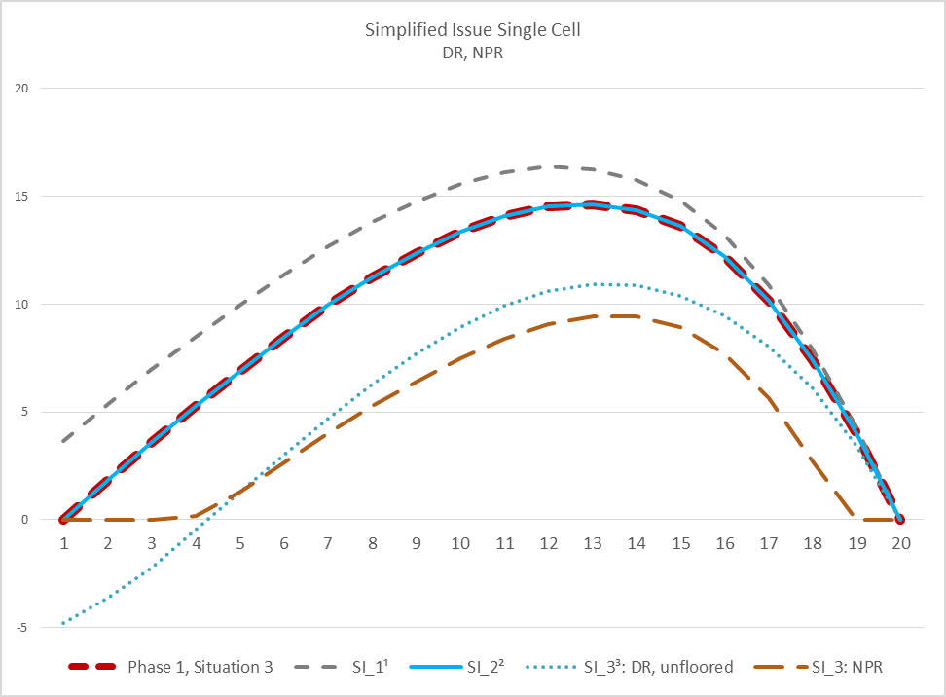
Phase 1, Situation 3 | SI_1¹ | SI_2² | SI_3³: DR, unfloored | SI_3: NPR | Figure 35: Reserve Levels—Simplified Issue—20-Year Term Single Cell
- | 3.64 | - | (4.78) | -
1.85 | 5.36 | 1.85 | (3.63) | -
3.61 | 6.97 | 3.61 | (2.20) | -
5.27 | 8.48 | 5.27 | (0.48) | 0.18
6.91 | 9.96 | 6.91 | 1.30 | 1.30
8.49 | 11.39 | 8.49 | 3.03 | 2.68
9.96 | 12.69 | 9.96 | 4.69 | 4.01
11.25 | 13.81 | 11.25 | 6.29 | 5.25
12.39 | 14.77 | 12.39 | 7.73 | 6.42
13.36 | 15.56 | 13.36 | 8.95 | 7.50
14.10 | 16.12 | 14.10 | 9.93 | 8.41
14.55 | 16.37 | 14.55 | 10.60 | 9.09
14.64 | 16.27 | 14.64 | 10.92 | 9.44
14.36 | 15.78 | 14.36 | 10.86 | 9.42
13.61 | 14.81 | 13.61 | 10.38 | 8.91
12.24 | 13.22 | 12.24 | 9.46 | 7.71
10.14 | 10.89 | 10.14 | 8.05 | 5.64
7.38 | 7.89 | 7.38 | 6.08 | 2.70
4.03 | 4.29 | 4.03 | 3.44 | -
- | - | - | - | -

 |  |  |  |  | 1SI_1: Simplified Issue Assumptions
 |  |  |  |  | 2SI_2: Simplified Issue Average Size and Premiums
 |  |  |  |  | 3SI_3: Simplified Issue VM-20

Figure 37
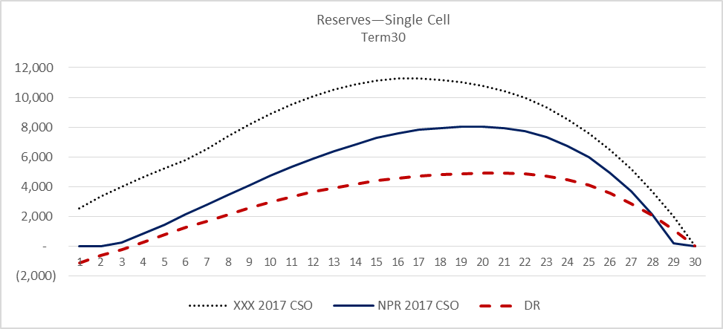
 | XXX 2017 CSO | NPR 2017 CSO | DR | Figure 37: Reserve Levels—30-Year Term, Low-Band Single Cell
1 | 2,543.82 | - | (1,130.40)
2 | 3,335.59 | - | (659.19)
3 | 4,001.06 | 252.44 | (225.12)
4 | 4,621.85 | 856.42 | 259.43
5 | 5,223.12 | 1,455.44 | 766.67
6 | 5,765.18 | 2,129.53 | 1,245.22
7 | 6,552.15 | 2,804.00 | 1,669.90
8 | 7,398.98 | 3,455.58 | 2,113.64
9 | 8,174.98 | 4,092.11 | 2,540.98
10 | 8,881.27 | 4,713.59 | 2,946.44
11 | 9,509.81 | 5,310.14 | 3,302.42
12 | 10,051.53 | 5,869.92 | 3,643.42
13 | 10,500.74 | 6,383.82 | 3,929.40
14 | 10,860.54 | 6,851.71 | 4,180.85
15 | 11,122.44 | 7,260.73 | 4,399.75
16 | 11,265.24 | 7,583.46 | 4,577.49
17 | 11,282.93 | 7,806.99 | 4,708.39
18 | 11,197.24 | 7,947.57 | 4,795.33
19 | 11,034.45 | 8,027.76 | 4,831.83
20 | 10,787.58 | 8,035.46 | 4,909.89
21 | 10,445.14 | 7,952.90 | 4,924.66
22 | 9,958.54 | 7,720.65 | 4,854.79
23 | 9,320.78 | 7,319.82 | 4,707.65
24 | 8,531.25 | 6,737.51 | 4,457.21
...

Figure 38
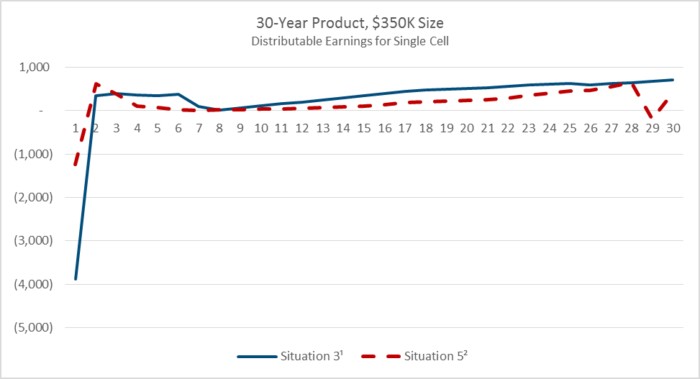
 | Situation 3¹ | Situation 5² | Figure 38: Profit Pattern—30-Year Term, Low-Band Single Cell
1 | (3,882.41) | (1,243.95)
2 | 351.35 | 618.40
3 | 387.18 | 380.29
4 | 367.26 | 96.99
5 | 351.04 | 78.72
6 | 373.39 | 14.64
7 | 96.34 | 3.75
8 | 7.78 | 16.57
9 | 62.00 | 25.41
10 | 110.09 | 30.73
11 | 157.37 | 37.41
12 | 204.35 | 48.18
13 | 253.06 | 65.39
14 | 296.05 | 80.70
15 | 344.17 | 105.63
16 | 398.51 | 142.40
17 | 450.51 | 182.72 | 1Situation 3: XXX (Model 830) Reserve Methods and 2017 CSO Mortality
18 | 486.18 | 211.38 | 2Situation 5: Full PBR Pricing Situation
19 | 497.15 | 218.58
20 | 509.88 | 231.62
21 | 521.94 | 248.25
22 | 555.66 | 294.49
23 | 593.58 | 353.19
24 | 612.08 | 400.32
25 | 622.72 | 447.95
26 | 599.54 | 470.99
27 | 620.94 | 549.70
...

Figure 40
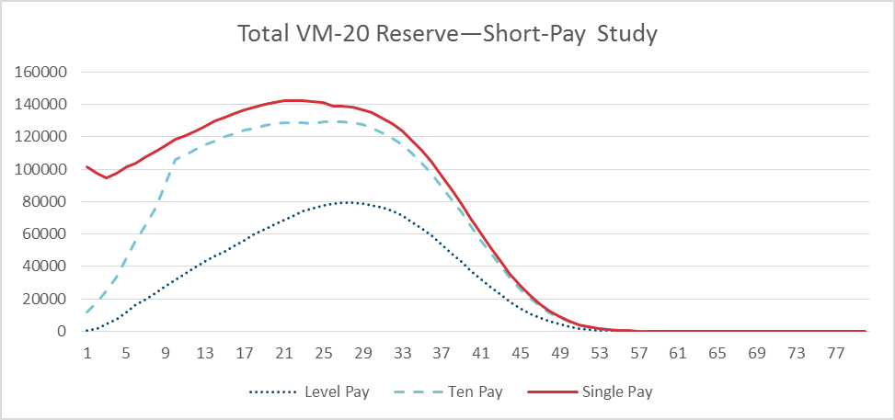
 | Level Pay | Ten Pay | Single Pay | Figure 40: Reserve Levels—Short-Pay—ULSG Single Cell
1 | 549.00 | 11,532.00 | 101,490.00
2 | 1,703.00 | 17,958.00 | 97,613.00
3 | 4,198.00 | 25,077.00 | 94,806.00
4 | 7,461.00 | 33,192.00 | 97,461.00
5 | 12,049.00 | 45,408.00 | 101,552.00
6 | 16,231.00 | 56,061.00 | 103,859.00
7 | 19,720.00 | 65,733.00 | 107,534.00
8 | 23,850.00 | 76,477.00 | 111,147.00
9 | 27,932.00 | 90,842.00 | 114,700.00
10 | 31,771.00 | 106,241.00 | 118,232.00
11 | 35,445.00 | 109,043.00 | 120,846.00
12 | 39,485.00 | 112,146.00 | 123,383.00
13 | 42,917.00 | 114,971.00 | 126,602.00
14 | 46,274.00 | 117,546.00 | 129,534.00
15 | 49,530.00 | 119,903.00 | 132,216.00
16 | 52,784.00 | 122,007.00 | 134,609.00
17 | 56,270.00 | 123,879.00 | 136,739.00
18 | 59,769.00 | 125,493.00 | 138,577.00
19 | 62,798.00 | 126,823.00 | 140,092.00
20 | 65,664.00 | 127,845.00 | 141,261.00
21 | 68,810.00 | 128,558.00 | 142,082.00
22 | 71,361.00 | 128,890.00 | 142,475.00
23 | 74,087.00 | 128,816.00 | 142,414.00
24 | 75,798.00 | 128,210.00 | 141,916.00
...

