Figure 6
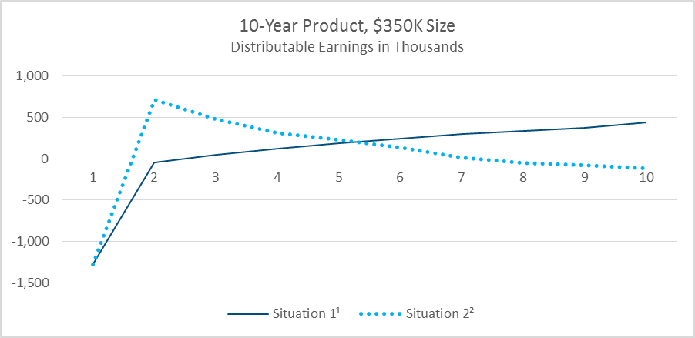
 | Situation 1¹ | Situation 2² | Figure 6: 10-Year Product, $350,000: Distributable Earnings in Thousands
1 | (1,282.75) | (1,280.57)
2 | (44.84) | 714.39
3 | 47.42 | 479.37
4 | 118.77 | 316.70
5 | 184.73 | 226.90
6 | 243.36 | 136.46
7 | 294.15 | 16.56
8 | 331.88 | (49.73)
9 | 376.01 | (78.60)
10 | 435.44 | (117.05)

 |  |  | 1 Situation 1: XXX Stat/Tax, 2001 CSO.
 |  |  | 2 Situation 2: AG48 Stat, XXX Tax 2001 CSO.

Figure 7
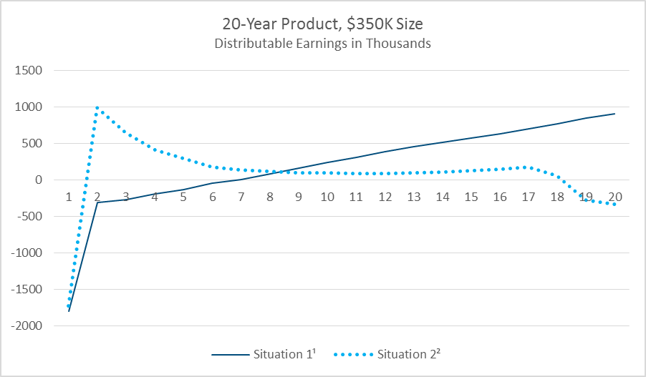
 | Situation 1¹ | Situation 2² | Figure 7: 20-Year Product, $350,000: Distributable Earnings in Thousands
1 | (1,801.02) | (1,721.54)
2 | (304.04) | 992.71
3 | (265.67) | 645.58
4 | (189.00) | 414.44
5 | (132.84) | 299.41
6 | (41.94) | 172.65
7 | 4.20 | 138.93
8 | 86.80 | 120.34
9 | 162.85 | 103.12
10 | 237.30 | 95.02
11 | 305.40 | 89.67
12 | 383.08 | 91.85
13 | 455.39 | 100.90
14 | 517.25 | 110.01
15 | 575.75 | 123.85
16 | 636.43 | 145.68
17 | 697.85 | 175.20
18 | 771.67 | 54.58
19 | 846.41 | (277.87) | 1 Situation 1: XXX Stat/Tax, 2001 CSO.
20 | 910.28 | (330.28) | 2 Situation 2: AG48 Stat, XXX Tax 2001 CSO.

Figure 9
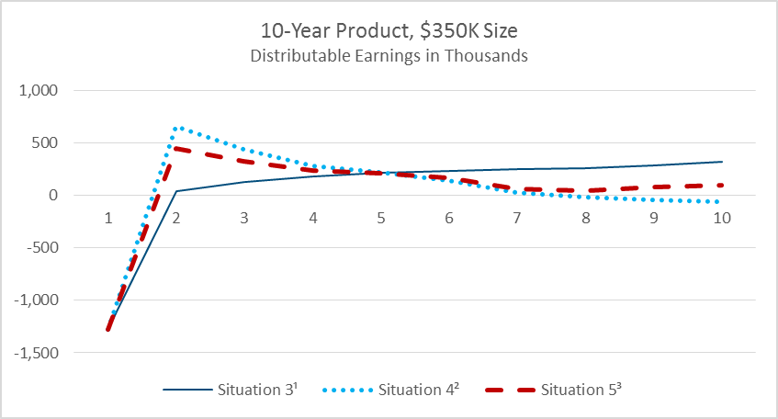
 | Situation 3¹ | Situation 4² | Situation 5³ | Figure 9: 10-Year Product, $350,000: Distributable Earnings in Thousands
1 | (1,283.72) | (1,280.57) | (1,280.57)
2 | 40.41 | 656.16 | 447.42
3 | 126.76 | 439.20 | 329.35
4 | 179.39 | 280.98 | 239.69
5 | 215.65 | 224.42 | 213.32
6 | 234.03 | 146.17 | 167.20
7 | 248.25 | 25.10 | 60.88
8 | 258.67 | (17.16) | 49.65
9 | 289.17 | (37.45) | 80.94
10 | 318.78 | (59.38) | 102.61

 |  |  |  | 1 Situation 3: XXX Stat/Tax, 2017 CSO.
 |  |  |  | 2 Situation 4: AG48 Stat, XXX Tax, 2017 CSO.
 |  |  |  | 3 Situation 5: VM-20 NPR+DR Excess Stat, NPR Tax, 2017 CSO.

Figure 10
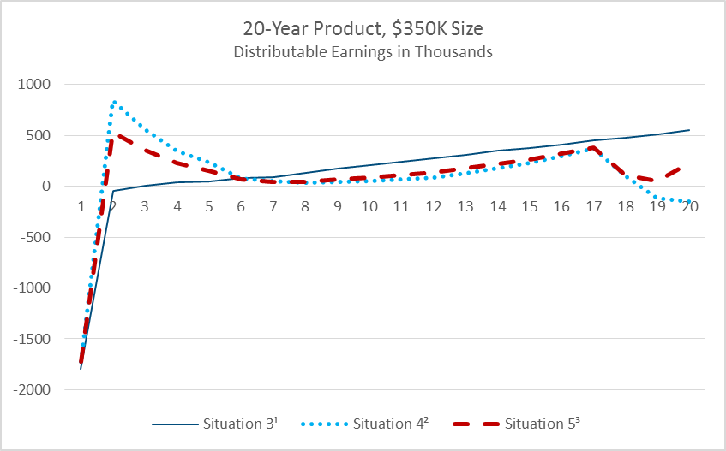
 | Situation 3¹ | Situation 4² | Situation 5³ | Figure 10: 20-Year Product, $350,000: Distributable Earnings in Thousands
1 | (1,798.22) | (1,721.54) | (1,721.54)
2 | (42.28) | 843.58 | 527.03
3 | 7.29 | 555.56 | 356.84
4 | 36.67 | 347.42 | 229.37
5 | 47.40 | 231.80 | 155.29
6 | 84.41 | 78.29 | 63.96
7 | 90.88 | 46.89 | 44.62
8 | 130.04 | 30.46 | 46.52
9 | 171.86 | 40.11 | 67.05
10 | 210.30 | 50.21 | 86.99
11 | 238.61 | 63.55 | 105.75
12 | 269.90 | 86.66 | 132.24
13 | 310.30 | 128.79 | 174.62
14 | 345.34 | 174.80 | 217.78
15 | 375.69 | 225.22 | 262.22
16 | 412.00 | 292.18 | 319.50
17 | 446.72 | 367.38 | 381.49
18 | 475.94 | 103.76 | 108.64
19 | 509.78 | (118.21) | 47.57 | 1 Situation 3: XXX Stat/Tax, 2017 CSO.
20 | 548.91 | (152.49) | 223.26 | 2 Situation 4: AG48 Stat, XXX Tax, 2017 CSO.
 |  |  |  | 3 Situation 5: VM-20 NPR+DR Excess Stat, NPR Tax, 2017 CSO.

Figure 12
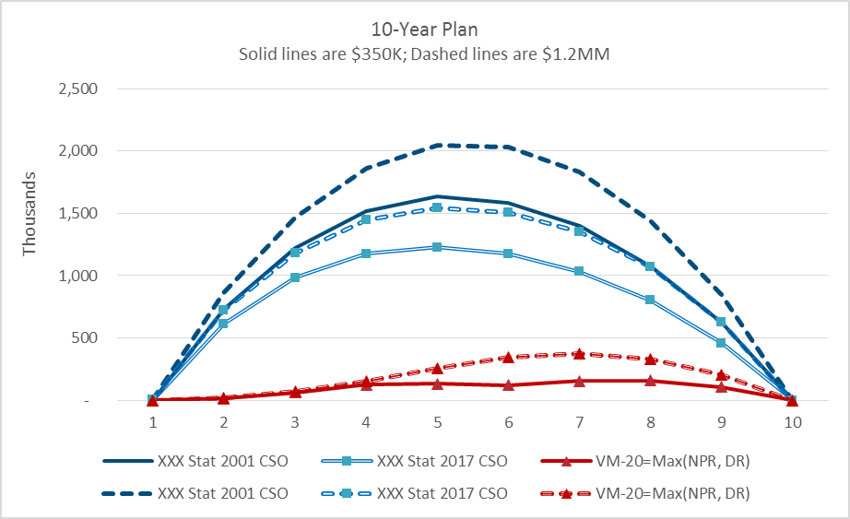
 | XXX Stat 2001 CSO | XXX Stat 2017 CSO | VM-20=Max(NPR, DR) | XXX Stat 2001 CSO | XXX Stat 2017 CSO | VM-20=Max(NPR, DR) | Figure 12: Reserve Levels, 10-Year Plan
1 | 2,097.75 | 3,036.88 | - | 3,558.82 | 3,539.81 | -
2 | 734,918.28 | 613,125.35 | 16,321.86 | 863,320.46 | 722,462.43 | 19,219.89
3 | 1,224,720.16 | 981,708.29 | 62,684.34 | 1,471,389.54 | 1,180,821.34 | 75,438.35
4 | 1,518,366.21 | 1,175,540.84 | 125,556.84 | 1,864,692.63 | 1,444,693.29 | 154,384.73
5 | 1,632,545.15 | 1,228,199.18 | 131,562.41 | 2,049,118.94 | 1,542,303.18 | 256,233.71
6 | 1,585,824.66 | 1,175,440.31 | 123,289.73 | 2,034,090.03 | 1,508,153.41 | 348,845.40
7 | 1,396,355.68 | 1,032,670.89 | 156,836.47 | 1,829,897.72 | 1,353,246.30 | 375,740.30
8 | 1,075,907.43 | 800,726.26 | 158,298.28 | 1,440,047.08 | 1,070,754.88 | 330,138.44
9 | 620,181.42 | 458,165.11 | 106,702.22 | 847,779.64 | 625,865.75 | 207,501.45
10 | 0.00 | 3.05 | - | 0.00 | 0.00 | -

Figure 13
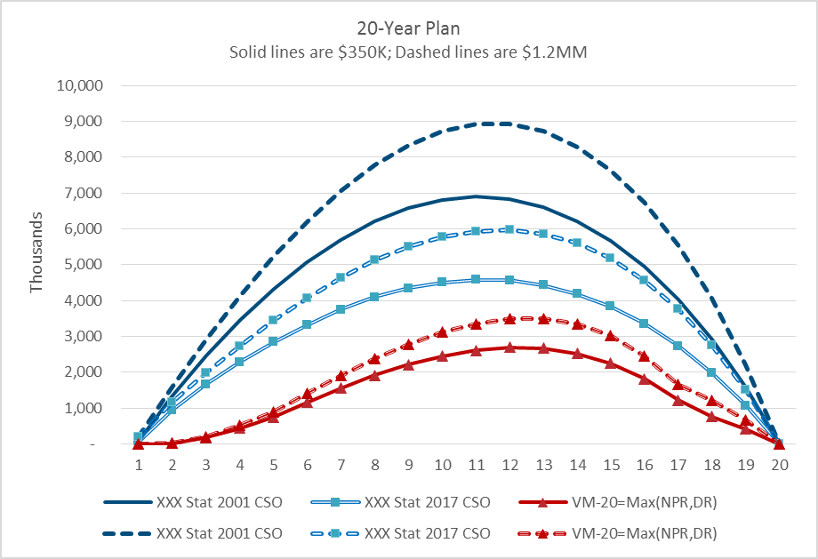
 | XXX Stat 2001 CSO | XXX Stat 2017 CSO | VM-20=Max(NPR,DR) | XXX Stat 2001 CSO | XXX Stat 2017 CSO | VM-20=Max(NPR,DR) | Figure 13: Reserve Levels, 20-Year Plan
1 | 76,632.70 | 73,935.69 | - | 211,033.77 | 211,033.77 | -
2 | 1,345,090.47 | 949,375.65 | 18,859.73 | 1,581,771.23 | 1,170,051.37 | 21,674.33
3 | 2,474,522.94 | 1,671,717.02 | 179,870.26 | 2,907,032.50 | 1,990,467.73 | 209,272.08
4 | 3,457,067.92 | 2,290,530.18 | 445,480.76 | 4,114,072.46 | 2,735,868.04 | 524,796.24
5 | 4,328,578.84 | 2,844,187.59 | 754,222.97 | 5,229,131.61 | 3,438,719.79 | 901,119.93
6 | 5,058,627.12 | 3,318,971.91 | 1,158,242.42 | 6,203,479.90 | 4,068,240.59 | 1,406,076.41
7 | 5,698,752.09 | 3,748,707.86 | 1,550,651.47 | 7,065,275.86 | 4,645,864.37 | 1,905,953.73
8 | 6,202,053.30 | 4,094,158.98 | 1,910,636.63 | 7,774,005.82 | 5,130,078.74 | 2,376,498.91
9 | 6,571,878.09 | 4,347,861.78 | 2,210,151.04 | 8,328,484.78 | 5,508,328.38 | 2,780,872.04
10 | 6,802,116.02 | 4,508,277.04 | 2,445,138.90 | 8,715,518.05 | 5,774,672.61 | 3,111,879.84
11 | 6,892,872.98 | 4,582,531.43 | 2,610,489.16 | 8,923,770.60 | 5,930,859.56 | 3,359,343.22
12 | 6,822,603.65 | 4,561,883.70 | 2,691,927.90 | 8,924,697.62 | 5,965,376.79 | 3,501,884.86
13 | 6,593,919.26 | 4,431,657.10 | 2,665,946.23 | 8,715,184.70 | 5,855,050.58 | 3,505,053.94
14 | 6,208,839.87 | 4,188,911.73 | 2,520,785.73 | 8,291,597.16 | 5,591,684.14 | 3,348,948.83
15 | 5,662,431.94 | 3,832,844.37 | 2,246,612.12 | 7,640,479.56 | 5,169,367.78 | 3,015,386.95
16 | 4,942,462.90 | 3,348,139.61 | 1,817,332.57 | 6,738,163.51 | 4,562,399.05 | 2,463,261.63
17 | 4,038,591.52 | 2,730,098.56 | 1,217,763.83 | 5,562,504.29 | 3,758,372.55 | 1,664,803.68
18 | 2,919,958.02 | 1,976,450.27 | 765,601.63 | 4,063,146.86 | 2,748,484.91 | 1,221,959.27
19 | 1,574,296.41 | 1,073,488.28 | 422,035.93 | 2,213,009.90 | 1,507,834.17 | 677,146.56
20 | 0.00 | 0.00 | - | 0.00 | 0.00 | -

Figure 14
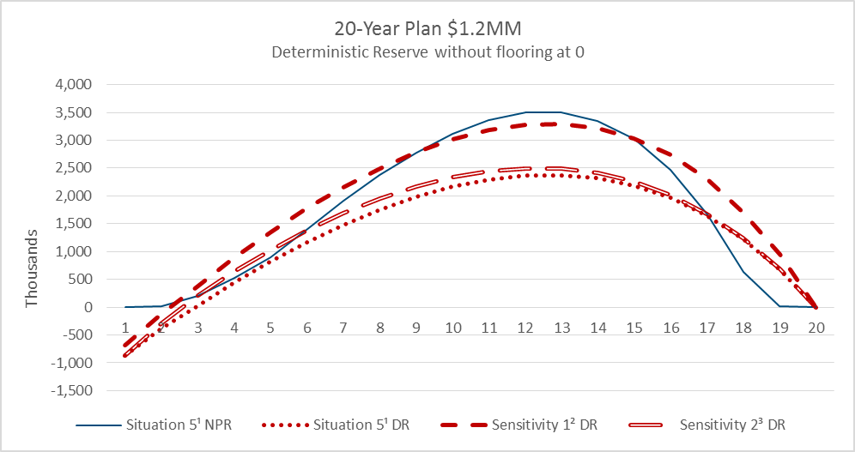
 | Situation 5¹ NPR | Situation 5¹ DR | Sensitivity 1² DR | Sensitivity 2³ DR | Figure 14: Pricing Situation 5 Sensitivities 1 and 2: 20-Year Plan, $1.2 Million
1 | - | (867,637.90) | (680,323.47) | (867,637.90)
2 | 21,674.33 | (381,919.35) | (107,721.61) | (280,789.50)
3 | 209,272.08 | 24,756.33 | 381,914.04 | 206,930.57
4 | 524,796.24 | 437,000.92 | 880,777.82 | 642,062.39
5 | 901,119.93 | 822,788.52 | 1,352,307.04 | 1,033,164.25
6 | 1,406,076.41 | 1,167,802.03 | 1,777,265.91 | 1,378,250.55
7 | 1,905,953.73 | 1,472,389.76 | 2,155,733.84 | 1,684,839.10
8 | 2,376,498.91 | 1,745,994.67 | 2,497,647.90 | 1,949,317.50
9 | 2,780,872.04 | 1,977,967.29 | 2,789,542.00 | 2,168,844.99
10 | 3,111,879.84 | 2,160,626.84 | 3,021,246.36 | 2,336,174.66
11 | 3,359,343.22 | 2,290,307.95 | 3,186,956.69 | 2,447,179.41
12 | 3,501,884.86 | 2,363,601.43 | 3,280,698.10 | 2,498,086.78
13 | 3,505,053.94 | 2,375,322.19 | 3,293,820.63 | 2,488,202.67
14 | 3,348,948.83 | 2,320,133.56 | 3,217,881.47 | 2,410,886.97
15 | 3,015,386.95 | 2,186,988.71 | 3,037,036.12 | 2,255,923.73
16 | 2,463,261.63 | 1,966,248.32 | 2,736,402.09 | 2,014,608.46
17 | 1,664,803.68 | 1,647,568.24 | 2,299,761.10 | 1,677,624.69
18 | 626,591.94 | 1,221,959.27 | 1,711,859.48 | 1,237,082.34
19 | 13,074.09 | 677,146.56 | 952,592.31 | 681,862.20 | 1 Situation 5: VM-20 NPR+DR Excess Stat, NPR Tax, 2017 CSO.
20 | - | - | - | - | 2 Sensitivity 1: No mortality improvement to future reserve nodes.
 |  |  |  |  | 3 Sensitivity 2: Year 1 DR discount rates in all years.

Figure 15
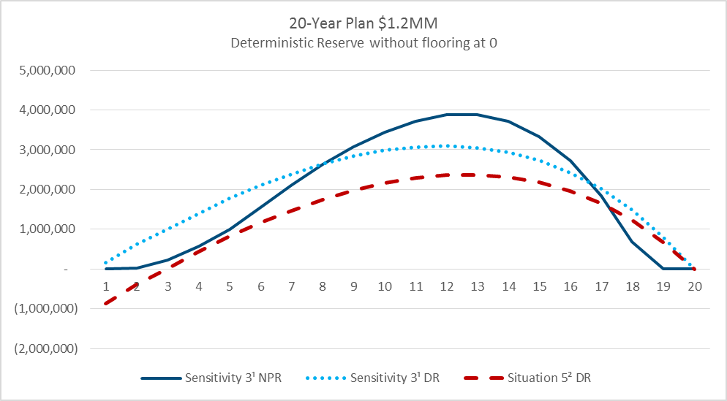
 | Sensitivity 3¹ NPR | Sensitivity 3¹ DR | Situation 5² DR | Figure 15: Pricing Situation 5, Sensitivity 3: 20-Year Plan, $1.2 Million
1 | - | 167,010.65 | (867,637.90)
2 | 24,004.79 | 622,216.60 | (381,919.35)
3 | 231,773.34 | 1,000,501.59 | 24,756.33
4 | 581,223.16 | 1,401,621.74 | 437,000.92
5 | 998,009.75 | 1,776,666.17 | 822,788.52
6 | 1,557,259.92 | 2,103,633.00 | 1,167,802.03
7 | 2,110,884.85 | 2,385,381.48 | 1,472,389.76
8 | 2,632,023.79 | 2,633,613.10 | 1,745,994.67
9 | 3,079,875.75 | 2,835,541.26 | 1,977,967.29
10 | 3,446,474.05 | 2,982,537.29 | 2,160,626.84
11 | 3,720,545.04 | 3,070,640.06 | 2,290,307.95
12 | 3,878,412.94 | 3,095,947.07 | 2,363,601.43
13 | 3,881,922.76 | 3,052,255.05 | 2,375,322.19
14 | 3,709,032.97 | 2,933,736.25 | 2,320,133.56
15 | 3,339,606.01 | 2,728,073.90 | 2,186,988.71
16 | 2,728,115.34 | 2,424,505.55 | 1,966,248.32
17 | 1,843,805.95 | 2,011,496.27 | 1,647,568.24
18 | 693,964.09 | 1,479,012.86 | 1,221,959.27
19 | 14,479.84 | 813,385.86 | 677,146.56
20 | - | - | - | 1 Sensitivity 3: 10% premium reduction.
 |  |  |  | 2 Situation 5: VM-20 NPR+DR Excess Stat, NPR Tax, 2017 CSO.

Figure 17
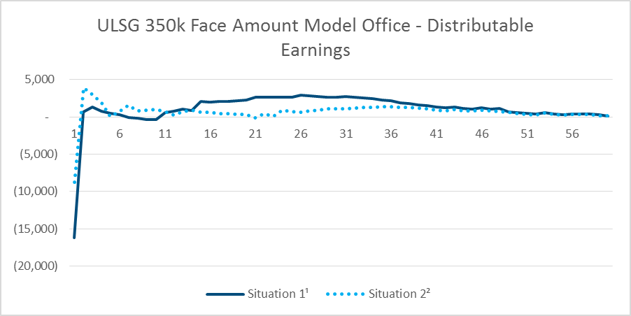
 | Situation 1¹ | Situation 2² | Figure 17: Pricing Situations 1 and 2: ULSG $350,000 Face Amount Model Office, Distributable Earnings
1 | (16,175.00) | (8,776.00)
2 | 686.00 | 3,867.00
3 | 1,285.00 | 2,957.00
4 | 765.00 | 1,867.00
5 | 511.00 | 52.00
6 | 325.00 | 724.00
7 | (38.00) | 1,531.00
8 | (201.00) | 799.00
9 | (391.00) | 872.00
10 | (311.00) | 964.00
11 | 561.00 | 765.00
12 | 795.00 | 254.00
13 | 1,093.00 | 720.00
14 | 835.00 | 904.00
15 | 2,045.00 | 657.00
16 | 2,004.00 | 664.00
17 | 2,053.00 | 480.00 | 1 Situation 1: AG38 Stat/Tax, 2001 CSO.
18 | 2,100.00 | 436.00 | 2 Situation 2: AG48 Stat, AG38 Tax 2001 CSO.
19 | 2,212.00 | 362.00
20 | 2,275.00 | 389.00
21 | 2,608.00 | (108.00)
22 | 2,617.00 | 423.00
23 | 2,649.00 | 73.00
24 | 2,671.00 | 877.00
25 | 2,643.00 | 720.00
26 | 2,965.00 | 653.00
27 | 2,804.00 | 834.00
28 | 2,764.00 | 938.00
29 | 2,684.00 | 1,082.00
30 | 2,642.00 | 1,089.00
31 | 2,729.00 | 1,119.00
32 | 2,654.00 | 1,184.00
33 | 2,560.00 | 1,269.00
34 | 2,427.00 | 1,322.00
35 | 2,272.00 | 1,400.00
36 | 2,132.00 | 1,348.00
37 | 1,937.00 | 1,325.00
38 | 1,774.00 | 1,263.00
39 | 1,632.00 | 1,178.00
40 | 1,494.00 | 1,060.00
41 | 1,363.00 | 950.00
42 | 1,209.00 | 835.00
43 | 1,289.00 | 962.00
44 | 1,166.00 | 858.00
45 | 1,020.00 | 783.00
46 | 1,272.00 | 873.00
47 | 1,003.00 | 833.00
48 | 1,104.00 | 764.00
49 | 720.00 | 583.00
50 | 562.00 | 439.00
51 | 471.00 | 358.00
52 | 369.00 | 274.00
53 | 571.00 | 497.00
54 | 395.00 | 315.00
55 | 325.00 | 273.00
56 | 362.00 | 335.00
57 | 365.00 | 352.00
58 | 392.00 | 318.00
59 | 271.00 | 200.00
60 | 136.00 | 129.00

Figure 18
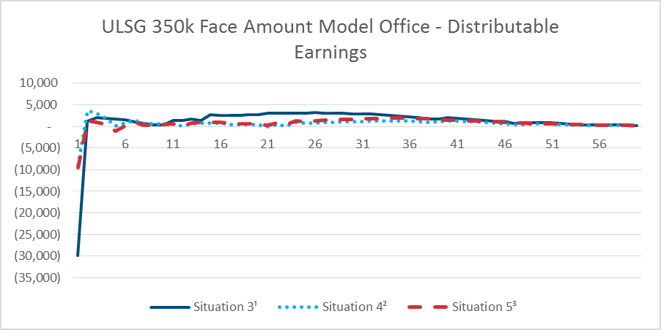
 | Situation 3¹ | Situation 4² | Situation 5³ | Figure 18: Pricing Situations 3, 4 and 5: ULSG $350,000 Face Amount Model Office, Distributable Earnings
1 | (29,815.00) | (8,925.00) | (9,586.00)
2 | 1,122.00 | 3,600.00 | 1,368.00
3 | 2,089.00 | 2,918.00 | 903.00
4 | 1,822.00 | 1,842.00 | 415.00
5 | 1,631.00 | 36.00 | (1,058.00)
6 | 1,514.00 | 722.00 | 65.00
7 | 1,026.00 | 1,428.00 | 970.00
8 | 721.00 | 650.00 | 269.00
9 | 370.00 | 644.00 | 339.00
10 | 337.00 | 689.00 | 514.00
11 | 1,290.00 | 566.00 | 603.00
12 | 1,449.00 | 102.00 | 181.00
13 | 1,687.00 | 603.00 | 726.00
14 | 1,316.00 | 756.00 | 906.00
15 | 2,638.00 | 717.00 | 901.00
16 | 2,551.00 | 715.00 | 891.00
17 | 2,605.00 | 511.00 | 742.00 | 1 Situation 3: AG38 Stat/Tax, 2017 CSO.
18 | 2,622.00 | 451.00 | 693.00 | 2 Situation 4: AG48 Stat, AG38 Tax, 2017 CSO.
19 | 2,731.00 | 369.00 | 624.00 | 3 Situation 5: VM-20 NPR+DR+SR Stat, NPR Tax, 2017 CSO.
20 | 2,754.00 | 402.00 | 657.00
21 | 3,093.00 | (107.00) | 275.00
22 | 3,083.00 | 429.00 | 806.00
23 | 3,104.00 | 73.00 | 446.00
24 | 3,103.00 | 881.00 | 1,248.00
25 | 3,074.00 | 713.00 | 1,071.00
26 | 3,225.00 | 721.00 | 1,254.00
27 | 3,118.00 | 872.00 | 1,466.00
28 | 3,072.00 | 967.00 | 1,552.00
29 | 2,985.00 | 1,107.00 | 1,670.00
30 | 2,900.00 | 1,118.00 | 1,673.00
31 | 2,950.00 | 1,154.00 | 1,757.00
32 | 2,852.00 | 1,206.00 | 1,797.00
33 | 2,717.00 | 1,280.00 | 1,865.00
34 | 2,576.00 | 1,295.00 | 1,892.00
35 | 2,413.00 | 1,336.00 | 1,941.00
36 | 2,233.00 | 1,238.00 | 1,860.00
37 | 2,014.00 | 1,145.00 | 1,830.00
38 | 1,772.00 | 1,001.00 | 1,743.00
39 | 1,751.00 | 1,058.00 | 1,646.00
40 | 1,968.00 | 1,267.00 | 1,530.00
41 | 1,938.00 | 1,285.00 | 1,435.00
42 | 1,658.00 | 1,076.00 | 1,340.00
43 | 1,552.00 | 1,044.00 | 1,262.00
44 | 1,318.00 | 899.00 | 1,176.00
45 | 1,171.00 | 821.00 | 1,109.00
46 | 1,126.00 | 618.00 | 996.00
47 | 734.00 | 470.00 | 912.00
48 | 886.00 | 433.00 | 774.00
49 | 789.00 | 538.00 | 680.00
50 | 869.00 | 640.00 | 612.00
51 | 817.00 | 611.00 | 550.00
52 | 641.00 | 465.00 | 495.00
53 | 583.00 | 435.00 | 450.00
54 | 427.00 | 321.00 | 401.00
55 | 366.00 | 287.00 | 369.00
56 | 324.00 | 269.00 | 331.00
57 | 358.00 | 317.00 | 308.00
58 | 388.00 | 281.00 | 266.00
59 | 350.00 | 244.00 | 237.00
60 | 244.00 | 203.00 | 170.00

Figure 20
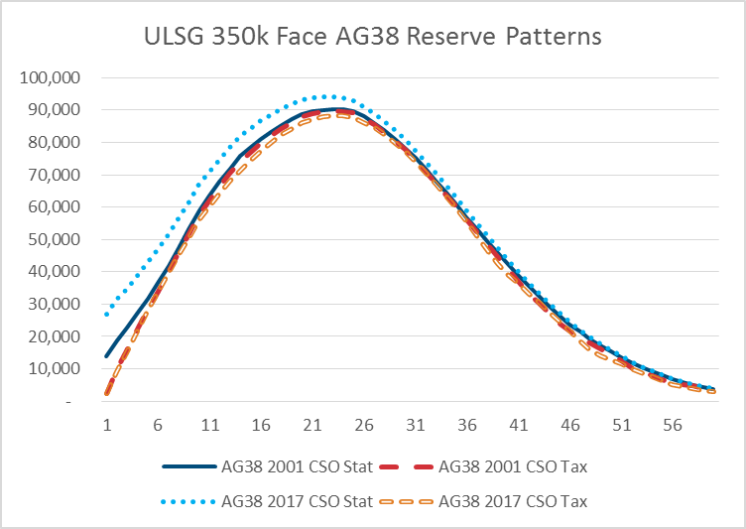
 | AG38 2001 CSO Stat | AG38 2001 CSO Tax | AG38 2017 CSO Stat | AG38 2017 CSO Tax | Figure 20: ULSG $350,000 Face Amount, AG38 Reserve Patterns 2001 and 2017 CSO
1 | 13,779.00 | 2,446.00 | 26,742.00 | 2,261.00
2 | 18,637.00 | 9,795.00 | 31,385.00 | 9,083.00
3 | 22,605.00 | 16,095.00 | 35,015.00 | 15,502.00
4 | 27,050.00 | 22,261.00 | 38,889.00 | 21,817.00
5 | 31,719.00 | 28,233.00 | 42,917.00 | 27,949.00
6 | 36,543.00 | 33,956.00 | 47,028.00 | 33,861.00
7 | 41,812.00 | 39,744.00 | 51,581.00 | 39,536.00
8 | 47,336.00 | 45,601.00 | 56,455.00 | 45,137.00
9 | 53,178.00 | 51,613.00 | 61,703.00 | 50,657.00
10 | 58,994.00 | 57,504.00 | 66,964.00 | 55,909.00
11 | 63,661.00 | 62,221.00 | 71,053.00 | 60,193.00
12 | 67,977.00 | 66,526.00 | 74,889.00 | 64,192.00
13 | 71,863.00 | 70,408.00 | 78,366.00 | 67,861.00
14 | 75,918.00 | 74,129.00 | 82,075.00 | 71,274.00
15 | 78,474.00 | 76,905.00 | 84,365.00 | 74,332.00
16 | 80,953.00 | 79,574.00 | 86,603.00 | 77,252.00
17 | 83,249.00 | 82,047.00 | 88,623.00 | 79,913.00
18 | 85,343.00 | 84,297.00 | 90,445.00 | 82,302.00
19 | 87,131.00 | 86,220.00 | 91,945.00 | 84,333.00
20 | 88,657.00 | 87,860.00 | 93,215.00 | 86,094.00
21 | 89,516.00 | 88,815.00 | 93,791.00 | 87,131.00
22 | 90,087.00 | 89,441.00 | 94,091.00 | 87,848.00
23 | 90,333.00 | 89,725.00 | 94,061.00 | 88,202.00
24 | 90,210.00 | 89,620.00 | 93,677.00 | 88,173.00
25 | 89,761.00 | 89,179.00 | 92,947.00 | 87,770.00
26 | 87,962.00 | 87,408.00 | 91,091.00 | 86,251.00
27 | 85,976.00 | 85,440.00 | 88,965.00 | 84,447.00
28 | 83,677.00 | 83,148.00 | 86,518.00 | 82,289.00
29 | 81,167.00 | 80,628.00 | 83,857.00 | 79,888.00
30 | 78,362.00 | 77,808.00 | 80,940.00 | 77,199.00
31 | 75,121.00 | 74,547.00 | 77,623.00 | 74,084.00
32 | 71,699.00 | 71,105.00 | 74,131.00 | 70,747.00
33 | 68,123.00 | 67,501.00 | 70,514.00 | 67,221.00
34 | 64,427.00 | 63,774.00 | 66,746.00 | 63,460.00
35 | 60,662.00 | 59,957.00 | 62,878.00 | 59,502.00
36 | 56,849.00 | 56,076.00 | 58,952.00 | 55,348.00
37 | 53,109.00 | 52,245.00 | 55,050.00 | 51,039.00
38 | 49,444.00 | 48,441.00 | 51,214.00 | 46,520.00
39 | 45,874.00 | 44,672.00 | 47,486.00 | 42,438.00
40 | 42,372.00 | 40,911.00 | 43,793.00 | 39,295.00
41 | 38,947.00 | 37,136.00 | 40,195.00 | 36,501.00
42 | 35,656.00 | 33,369.00 | 36,754.00 | 33,443.00
43 | 32,506.00 | 30,264.00 | 33,474.00 | 30,590.00
44 | 29,466.00 | 27,160.00 | 30,367.00 | 27,620.00
45 | 26,581.00 | 24,130.00 | 27,410.00 | 24,715.00
46 | 23,787.00 | 21,824.00 | 24,545.00 | 21,695.00
47 | 21,393.00 | 19,789.00 | 22,090.00 | 18,636.00
48 | 19,076.00 | 18,084.00 | 19,693.00 | 15,994.00
49 | 17,106.00 | 16,230.00 | 17,638.00 | 14,022.00
50 | 15,263.00 | 14,251.00 | 15,715.00 | 12,627.00
51 | 13,546.00 | 12,315.00 | 13,927.00 | 11,421.00
52 | 11,965.00 | 10,399.00 | 12,284.00 | 10,057.00
53 | 10,516.00 | 9,353.00 | 10,777.00 | 8,840.00
54 | 9,166.00 | 8,004.00 | 9,413.00 | 7,514.00
55 | 7,924.00 | 6,723.00 | 8,154.00 | 6,276.00
56 | 6,856.00 | 5,852.00 | 7,068.00 | 5,220.00
57 | 5,910.00 | 5,203.00 | 6,105.00 | 4,476.00
58 | 5,034.00 | 4,670.00 | 5,205.00 | 3,839.00
59 | 4,248.00 | 3,956.00 | 4,391.00 | 3,250.00
60 | 3,645.00 | 3,305.00 | 3,761.00 | 2,812.00

Figure 21
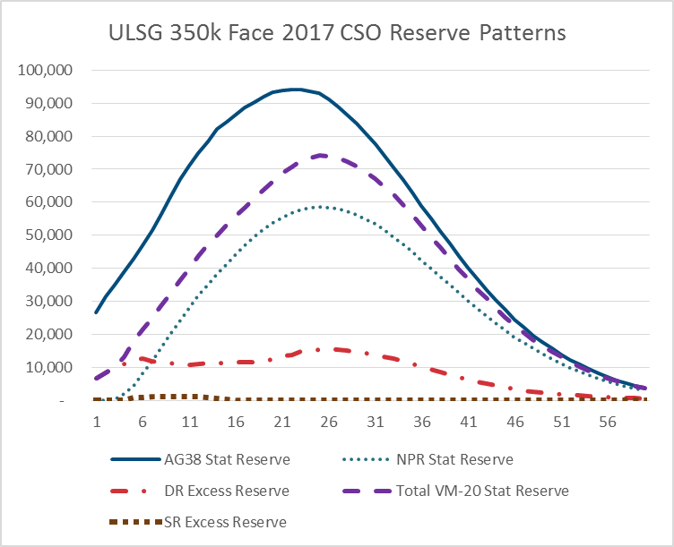
 | AG38 Stat Reserve | NPR Stat Reserve | DR Excess Reserve | Total VM-20 Stat Reserve | SR Excess Reserve | Figure 21: ULSG $350,000 Face Amount, 2017 CSO Reserve Patterns
1 | 26,742.00 | - | 6,669.00 | 6,669.00 | -
2 | 31,385.00 | 16.00 | 8,202.00 | 8,218.00 | -
3 | 35,015.00 | 216.00 | 9,977.00 | 10,193.00 | -
4 | 38,889.00 | 1,976.00 | 11,135.00 | 13,111.00 | -
5 | 42,917.00 | 4,514.00 | 12,363.00 | 17,687.00 | 810.00
6 | 47,028.00 | 8,076.00 | 12,570.00 | 21,587.00 | 941.00
7 | 51,581.00 | 11,944.00 | 11,800.00 | 24,770.00 | 1,026.00
8 | 56,455.00 | 15,941.00 | 11,606.00 | 28,671.00 | 1,124.00
9 | 61,703.00 | 20,050.00 | 11,318.00 | 32,573.00 | 1,205.00
10 | 66,964.00 | 24,234.00 | 10,859.00 | 36,356.00 | 1,263.00
11 | 71,053.00 | 28,045.00 | 10,736.00 | 39,933.00 | 1,152.00
12 | 74,889.00 | 31,692.00 | 11,129.00 | 43,827.00 | 1,006.00
13 | 78,366.00 | 35,131.00 | 11,179.00 | 47,111.00 | 801.00
14 | 82,075.00 | 38,379.00 | 11,191.00 | 50,115.00 | 545.00
15 | 84,365.00 | 41,380.00 | 11,344.00 | 52,977.00 | 253.00
16 | 86,603.00 | 44,230.00 | 11,497.00 | 55,727.00 | -
17 | 88,623.00 | 46,991.00 | 11,536.00 | 58,527.00 | -
18 | 90,445.00 | 49,528.00 | 11,704.00 | 61,232.00 | -
19 | 91,945.00 | 51,767.00 | 12,067.00 | 63,834.00 | -
20 | 93,215.00 | 53,757.00 | 12,482.00 | 66,239.00 | -
21 | 93,791.00 | 55,421.00 | 13,389.00 | 68,810.00 | -
22 | 94,091.00 | 56,780.00 | 13,878.00 | 70,658.00 | -
23 | 94,061.00 | 57,801.00 | 14,799.00 | 72,600.00 | -
24 | 93,677.00 | 58,447.00 | 15,043.00 | 73,490.00 | -
25 | 92,947.00 | 58,721.00 | 15,497.00 | 74,218.00 | -
26 | 91,091.00 | 58,409.00 | 15,607.00 | 74,016.00 | -
27 | 88,965.00 | 58,012.00 | 15,350.00 | 73,362.00 | -
28 | 86,518.00 | 57,261.00 | 15,048.00 | 72,309.00 | -
29 | 83,857.00 | 56,229.00 | 14,653.00 | 70,882.00 | -
30 | 80,940.00 | 54,906.00 | 14,221.00 | 69,155.00 | 28.00
31 | 77,623.00 | 53,319.00 | 13,715.00 | 67,088.00 | 54.00
32 | 74,131.00 | 51,499.00 | 13,176.00 | 64,753.00 | 78.00
33 | 70,514.00 | 49,488.00 | 12,549.00 | 62,136.00 | 99.00
34 | 66,746.00 | 47,295.00 | 11,846.00 | 59,259.00 | 118.00
35 | 62,878.00 | 44,938.00 | 11,051.00 | 56,123.00 | 134.00
36 | 58,952.00 | 42,448.00 | 10,286.00 | 52,882.00 | 148.00
37 | 55,050.00 | 39,995.00 | 9,416.00 | 49,569.00 | 158.00
38 | 51,214.00 | 37,505.00 | 8,581.00 | 46,252.00 | 166.00
39 | 47,486.00 | 35,019.00 | 7,803.00 | 42,989.00 | 167.00
40 | 43,793.00 | 32,554.00 | 7,063.00 | 39,787.00 | 170.00
41 | 40,195.00 | 30,124.00 | 6,359.00 | 36,654.00 | 171.00
42 | 36,754.00 | 27,763.00 | 5,696.00 | 33,630.00 | 171.00
43 | 33,474.00 | 25,482.00 | 5,062.00 | 30,712.00 | 168.00
44 | 30,367.00 | 23,256.00 | 4,475.00 | 27,895.00 | 164.00
45 | 27,410.00 | 21,133.00 | 3,884.00 | 25,175.00 | 158.00
46 | 24,545.00 | 19,159.00 | 3,397.00 | 22,707.00 | 151.00
47 | 22,090.00 | 17,332.00 | 2,956.00 | 20,432.00 | 144.00
48 | 19,693.00 | 15,644.00 | 2,625.00 | 18,404.00 | 135.00
49 | 17,638.00 | 14,057.00 | 2,353.00 | 16,538.00 | 128.00
50 | 15,715.00 | 12,564.00 | 2,107.00 | 14,791.00 | 120.00
51 | 13,927.00 | 11,169.00 | 1,888.00 | 13,164.00 | 107.00
52 | 12,284.00 | 9,880.00 | 1,684.00 | 11,659.00 | 95.00
53 | 10,777.00 | 8,695.00 | 1,490.00 | 10,269.00 | 84.00
54 | 9,413.00 | 7,590.00 | 1,322.00 | 8,985.00 | 73.00
55 | 8,154.00 | 6,580.00 | 1,142.00 | 7,785.00 | 63.00
56 | 7,068.00 | 5,695.00 | 987.00 | 6,737.00 | 55.00
57 | 6,105.00 | 4,918.00 | 835.00 | 5,800.00 | 47.00
58 | 5,205.00 | 4,235.00 | 714.00 | 4,990.00 | 41.00
59 | 4,391.00 | 3,626.00 | 609.00 | 4,270.00 | 35.00
60 | 3,761.00 | 3,091.00 | 553.00 | 3,674.00 | 30.00

Figure 22
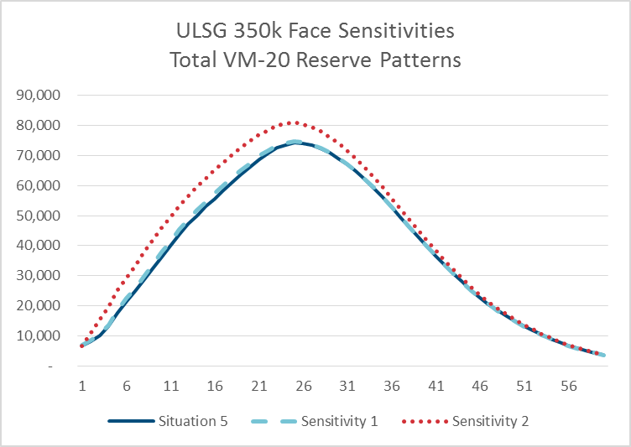
 | Situation 5 | Sensitivity 1 | Sensitivity 2 | Figure 22: ULSG $350,000 Face Amount Sensitivities: Total VM-20 Reserve Patterns
1 | 6,669.00 | 6,825.00 | 6,669.00
2 | 8,218.00 | 8,523.00 | 11,073.00
3 | 10,193.00 | 10,643.00 | 15,337.00
4 | 13,111.00 | 13,712.00 | 19,602.00
5 | 17,687.00 | 18,472.00 | 24,953.00
6 | 21,587.00 | 22,521.00 | 29,217.00
7 | 24,770.00 | 25,852.00 | 33,507.00
8 | 28,671.00 | 29,889.00 | 37,777.00
9 | 32,573.00 | 33,918.00 | 41,966.00
10 | 36,356.00 | 37,816.00 | 45,934.00
11 | 39,933.00 | 41,489.00 | 49,684.00
12 | 43,827.00 | 45,455.00 | 53,237.00
13 | 47,111.00 | 48,797.00 | 56,623.00
14 | 50,115.00 | 51,831.00 | 59,677.00
15 | 52,977.00 | 54,694.00 | 62,519.00
16 | 55,727.00 | 57,416.00 | 65,173.00
17 | 58,527.00 | 60,161.00 | 67,830.00
18 | 61,232.00 | 62,779.00 | 70,366.00
19 | 63,834.00 | 65,269.00 | 72,742.00 | 1 Situation 5: VM-20 NPR+DR+SR Stat, NPR Tax, 2017 CSO.
20 | 66,239.00 | 67,537.00 | 74,902.00 | 2 Sensitivity 1: No mortality improvement to future reserve nodes.
21 | 68,810.00 | 69,915.00 | 76,884.00 | 3 Sensitivity 2: Year 1 DR discount rates in all years.
22 | 70,658.00 | 71,590.00 | 78,439.00
23 | 72,600.00 | 73,380.00 | 80,113.00
24 | 73,490.00 | 74,129.00 | 80,653.00
25 | 74,218.00 | 74,734.00 | 81,031.00
26 | 74,016.00 | 74,410.00 | 80,460.00
27 | 73,362.00 | 73,653.00 | 79,431.00
28 | 72,309.00 | 72,514.00 | 77,976.00
29 | 70,882.00 | 71,021.00 | 76,169.00
30 | 69,155.00 | 69,243.00 | 74,060.00
31 | 67,088.00 | 67,140.00 | 71,621.00
32 | 64,753.00 | 64,778.00 | 68,923.00
33 | 62,136.00 | 62,144.00 | 65,959.00
34 | 59,259.00 | 59,259.00 | 62,759.00
35 | 56,123.00 | 56,123.00 | 59,324.00
36 | 52,882.00 | 52,882.00 | 55,799.00
37 | 49,569.00 | 49,569.00 | 52,220.00
38 | 46,252.00 | 46,252.00 | 48,649.00
39 | 42,989.00 | 42,989.00 | 45,150.00
40 | 39,787.00 | 39,787.00 | 41,729.00
41 | 36,654.00 | 36,654.00 | 38,390.00
42 | 33,630.00 | 33,630.00 | 35,174.00
...

