Q5
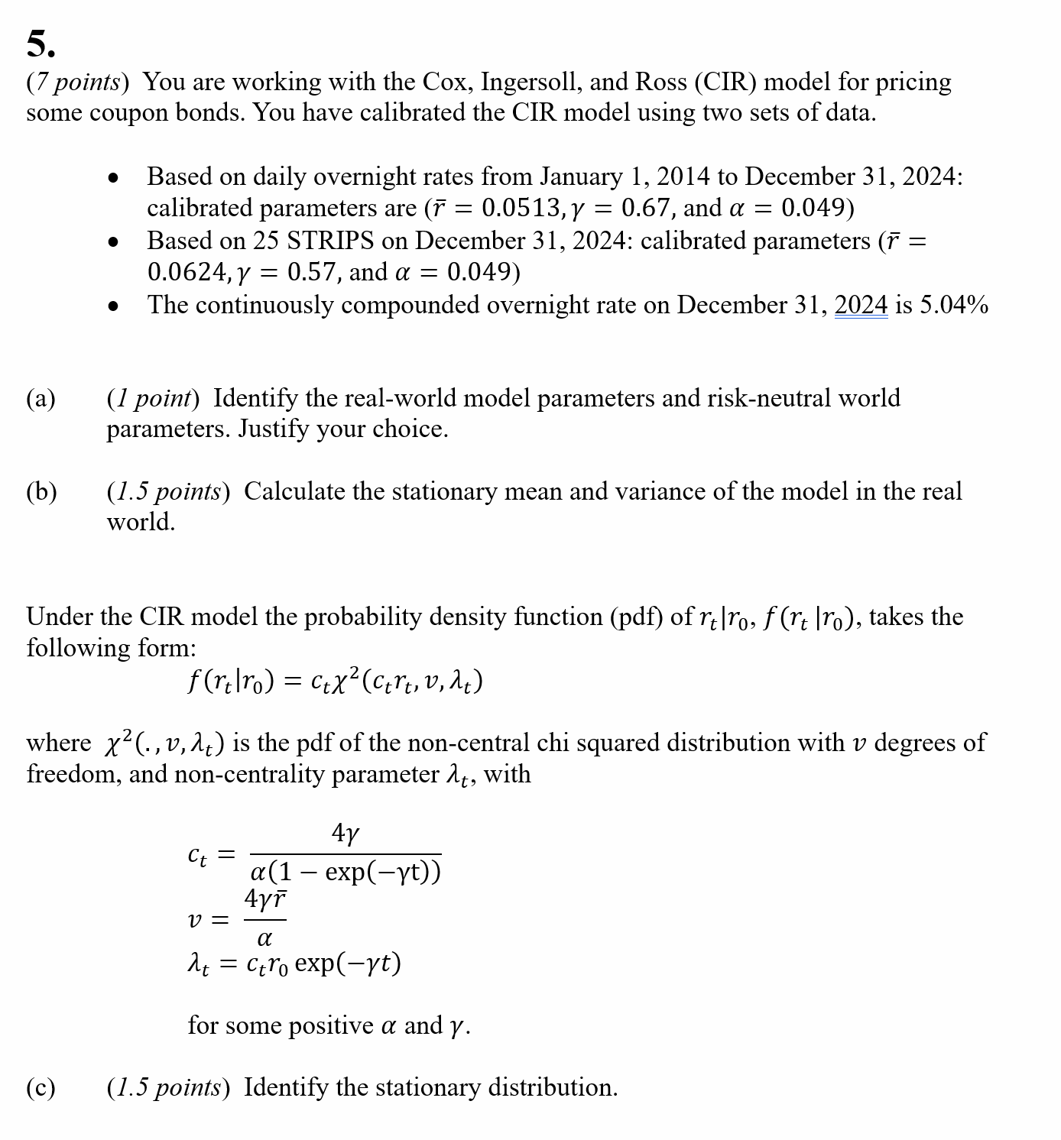
Q5

 | Fill in your final answers (and show your work) here, for part d):

Parameter | Value
gamma* |  | Enter values in B40:B43
alpha
rbar*
r0
 |  | Enter the formula in B44

T |  |  | B(0;T) | A(0;T) | Z(0;T)
0.5 |  |  |  | #DIV/0! |  | Enter formulas in B47:D47 and F47; formula in E47 is already entered
1 |  |  |  |  |  | Then copy down the formula
1.5
2
2.5
3
3.5
4
4.5
5
5.5
6
6.5
7
7.5
8
8.5
9
9.5
10

5% Coupon bond price | 0 | The bond price formula in B68 is prepopulated.

Q7
Q7
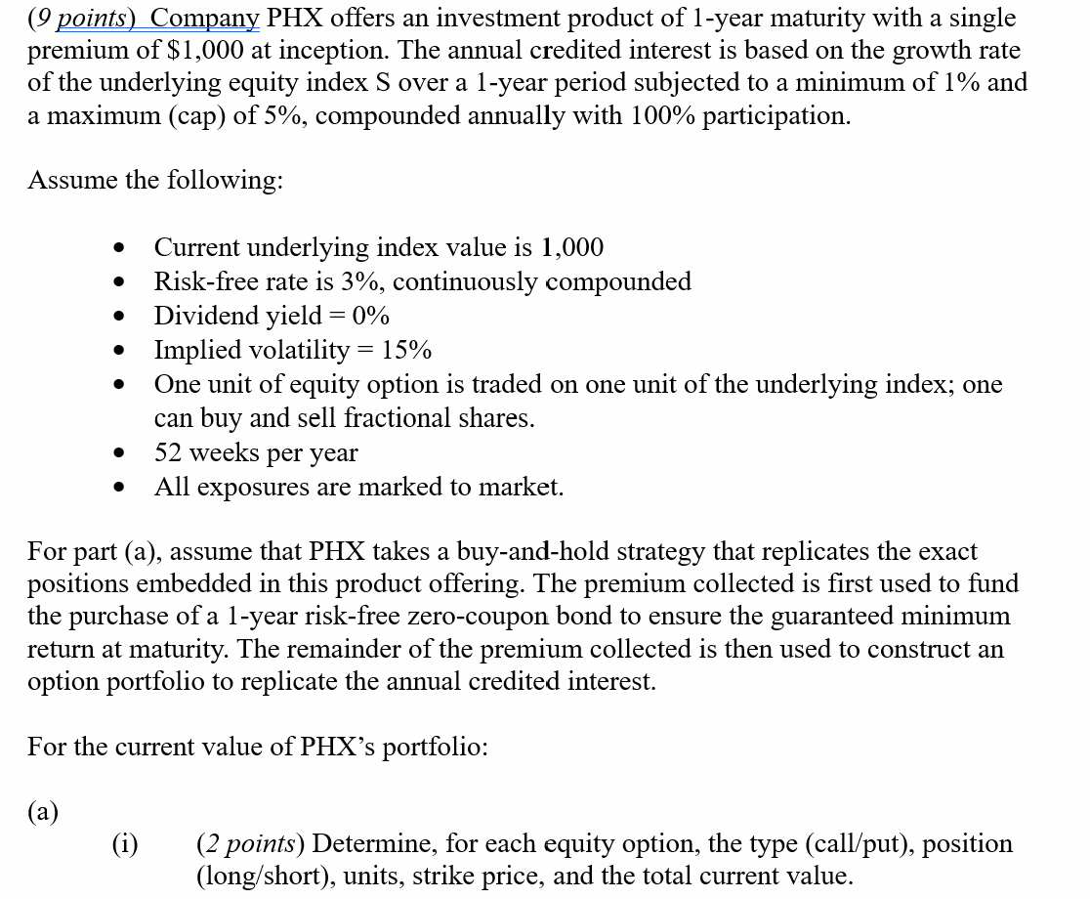

 | Fill in your final answers (and show your work) here, for part (a):

 |  |  | Given
 |  | Risk-free rate | 3%
 |  | Dividend yield | 0%
 |  | Implied volatility | 15%
 |  | Time to expiration | 1
 |  |  |  |  |  |  | You may use this section to calculate Option Value
 |  | Type of Option | Position (long/short) | Strike price | Unit | Option value | S(t) | K (Strike Price) | d1 | d2 | Sigma | N(d1) | N(d2)

 |  |  |  | Present value of bond =

 |  |  |  | Cash position =

 | Fill in your final answers (and show your work) here, for part (b):

 |  | List all the options you think should be included to construct the portfolio |  |  |  |  | You may use this section to calculate Option Value
 |  | Type of Option | Position (long/short) | Strike price | Unit | Option value | S(t) | K (Strike Price) | d1 | d2 | Sigma | N(d1) | N(d2)

 |  |  |  |  | Total Cash position =

 |  | List all the options you think should be included to construct the portfolio |  |  |  |  | You may use this section to calculate Option Delta
 |  | Components | Position (long/short) | Strike price | Unit | Delta | S(t) | K (Strike Price) | d1 | d2 | Sigma | N(d1) | N(d2)

 |  |  |  |  | Total Delta =

 | Fill in your final answers (and show your work) here, for part (c):

 | List all the options you think should be included to construct the portfolio |  |  |  |  |  | You may use this section to calculate Option Value
 |  | Type of Option | Position (long/short) | Strike price | Unit | Option value | S(t) | K (Strike Price) | d1 | d2 | Sigma | N(d1) | N(d2)

 |  |  |  | Present value of bond =

 |  |  |  | Cash position =

 | Fill in your final answers (and show your work) here, for part (d):

Q8
Q8
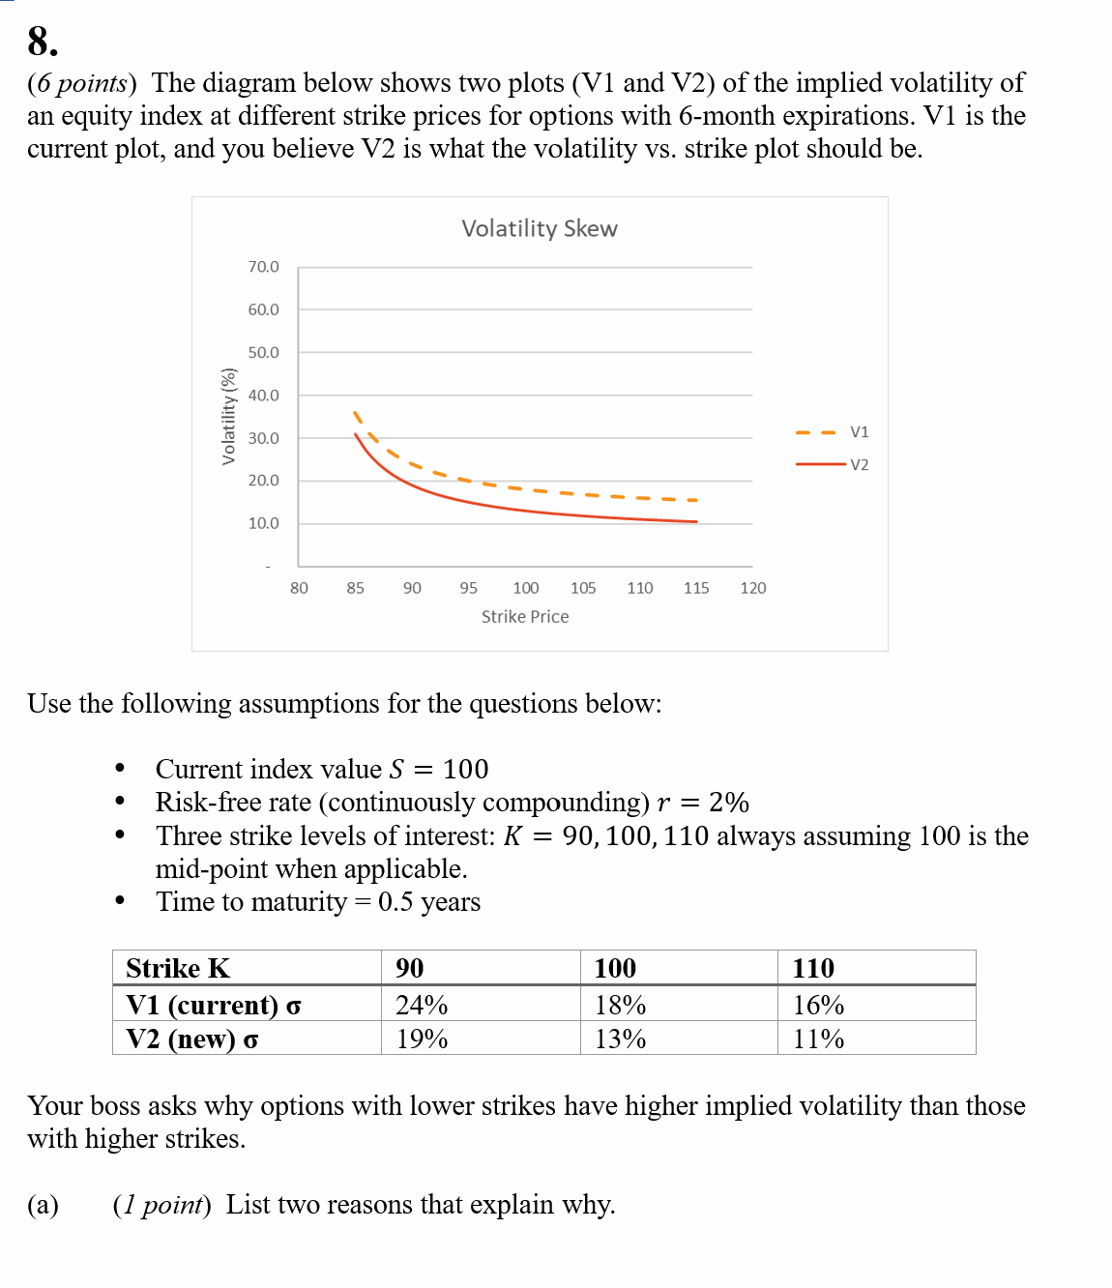

 | Fill in your final answers (and show your work) here, for part b (ii):
Vega vs. Spot price

 |  | BS parameters |  |  |  | V2 volatility
 |  | r = | 2.0% |  |  | K | σ
 |  | S= | 100 |  |  | 90 | 19%
 |  | t = | 0.5 |  |  | 100 | 13%
 |  | pi | 3.1416 |  |  | 110 | 11%

 | Vega vs. Spot
 |  |  |  |  |  |  |  |  |  |  | Update Column L with a formula
 | S | d1(K = 90) | Φ(d1)(K =90) | Vega (90) | d1(K = 110) | Φ(d1) (K = 110) | Vega(110) | d1(100) | Φ(d1) (K=100) | Vega(100) | Straddle Vega
 | 50 |  |  |  |  |  |  |  |  |  | 30.000
 | 51 |  |  |  |  |  |  |  |  |  | 30.000
 | 52 |  |  |  |  |  |  |  |  |  | 30.000
 | 53 |  |  |  |  |  |  |  |  |  | 30.000
 | 54 |  |  |  |  |  |  |  |  |  | 30.000
 | 55 |  |  |  |  |  |  |  |  |  | 30.000
 | 56 |  |  |  |  |  |  |  |  |  | 30.000
 | 57 |  |  |  |  |  |  |  |  |  | 30.000
 | 58 |  |  |  |  |  |  |  |  |  | 30.000
 | 59 |  |  |  |  |  |  |  |  |  | 30.000
 | 60 |  |  |  |  |  |  |  |  |  | 30.000
 | 61 |  |  |  |  |  |  |  |  |  | 30.000
 | 62 |  |  |  |  |  |  |  |  |  | 30.000
 | 63 |  |  |  |  |  |  |  |  |  | 30.000
 | 64 |  |  |  |  |  |  |  |  |  | 30.000
 | 65 |  |  |  |  |  |  |  |  |  | 30.000
 | 66 |  |  |  |  |  |  |  |  |  | 30.000
 | 67 |  |  |  |  |  |  |  |  |  | 30.000
 | 68 |  |  |  |  |  |  |  |  |  | 30.000
 | 69 |  |  |  |  |  |  |  |  |  | 30.000
 | 70 |  |  |  |  |  |  |  |  |  | 30.000
 | 71 |  |  |  |  |  |  |  |  |  | 30.000
 | 72 |  |  |  |  |  |  |  |  |  | 30.000
 | 73 |  |  |  |  |  |  |  |  |  | 30.000
 | 74 |  |  |  |  |  |  |  |  |  | 30.000
 | 75 |  |  |  |  |  |  |  |  |  | 30.000
 | 76 |  |  |  |  |  |  |  |  |  | 30.000
 | 77 |  |  |  |  |  |  |  |  |  | 30.000
 | 78 |  |  |  |  |  |  |  |  |  | 30.000
 | 79 |  |  |  |  |  |  |  |  |  | 30.000
 | 80 |  |  |  |  |  |  |  |  |  | 30.000
 | 81 |  |  |  |  |  |  |  |  |  | 30.000
 | 82 |  |  |  |  |  |  |  |  |  | 30.000
 | 83 |  |  |  |  |  |  |  |  |  | 30.000
 | 84 |  |  |  |  |  |  |  |  |  | 30.000
 | 85 |  |  |  |  |  |  |  |  |  | 30.000
 | 86 |  |  |  |  |  |  |  |  |  | 30.000
 | 87 |  |  |  |  |  |  |  |  |  | 30.000
 | 88 |  |  |  |  |  |  |  |  |  | 30.000
 | 89 |  |  |  |  |  |  |  |  |  | 30.000
 | 90 |  |  |  |  |  |  |  |  |  | 30.000
 | 91 |  |  |  |  |  |  |  |  |  | 30.000
 | 92 |  |  |  |  |  |  |  |  |  | 30.000
 | 93 |  |  |  |  |  |  |  |  |  | 30.000
 | 94 |  |  |  |  |  |  |  |  |  | 30.000
 | 95 |  |  |  |  |  |  |  |  |  | 30.000
 | 96 |  |  |  |  |  |  |  |  |  | 30.000
 | 97 |  |  |  |  |  |  |  |  |  | 30.000
 | 98 |  |  |  |  |  |  |  |  |  | 30.000
 | 99 |  |  |  |  |  |  |  |  |  | 30.000
 | 100 |  |  |  |  |  |  |  |  |  | 30.000
 | 101 |  |  |  |  |  |  |  |  |  | 30.000
 | 102 |  |  |  |  |  |  |  |  |  | 30.000
 | 103 |  |  |  |  |  |  |  |  |  | 30.000
 | 104 |  |  |  |  |  |  |  |  |  | 30.000
 | 105 |  |  |  |  |  |  |  |  |  | 30.000
 | 106 |  |  |  |  |  |  |  |  |  | 30.000
 | 107 |  |  |  |  |  |  |  |  |  | 30.000
 | 108 |  |  |  |  |  |  |  |  |  | 30.000
 | 109 |  |  |  |  |  |  |  |  |  | 30.000
 | 110 |  |  |  |  |  |  |  |  |  | 30.000
 | 111 |  |  |  |  |  |  |  |  |  | 30.000
 | 112 |  |  |  |  |  |  |  |  |  | 30.000
 | 113 |  |  |  |  |  |  |  |  |  | 30.000
 | 114 |  |  |  |  |  |  |  |  |  | 30.000
 | 115 |  |  |  |  |  |  |  |  |  | 30.000
 | 116 |  |  |  |  |  |  |  |  |  | 30.000
 | 117 |  |  |  |  |  |  |  |  |  | 30.000
 | 118 |  |  |  |  |  |  |  |  |  | 30.000
 | 119 |  |  |  |  |  |  |  |  |  | 30.000
 | 120 |  |  |  |  |  |  |  |  |  | 30.000
 | 121 |  |  |  |  |  |  |  |  |  | 30.000
 | 122 |  |  |  |  |  |  |  |  |  | 30.000
 | 123 |  |  |  |  |  |  |  |  |  | 30.000
 | 124 |  |  |  |  |  |  |  |  |  | 30.000
 | 125 |  |  |  |  |  |  |  |  |  | 30.000
 | 126 |  |  |  |  |  |  |  |  |  | 30.000
 | 127 |  |  |  |  |  |  |  |  |  | 30.000
 | 128 |  |  |  |  |  |  |  |  |  | 30.000
 | 129 |  |  |  |  |  |  |  |  |  | 30.000
 | 130 |  |  |  |  |  |  |  |  |  | 30.000
 | 131 |  |  |  |  |  |  |  |  |  | 30.000
 | 132 |  |  |  |  |  |  |  |  |  | 30.000
 | 133 |  |  |  |  |  |  |  |  |  | 30.000
 | 134 |  |  |  |  |  |  |  |  |  | 30.000
 | 135 |  |  |  |  |  |  |  |  |  | 30.000
 | 136 |  |  |  |  |  |  |  |  |  | 30.000
 | 137 |  |  |  |  |  |  |  |  |  | 30.000
 | 138 |  |  |  |  |  |  |  |  |  | 30.000
 | 139 |  |  |  |  |  |  |  |  |  | 30.000
 | 140 |  |  |  |  |  |  |  |  |  | 30.000
 | 141 |  |  |  |  |  |  |  |  |  | 30.000
 | 142 |  |  |  |  |  |  |  |  |  | 30.000
 | 143 |  |  |  |  |  |  |  |  |  | 30.000
 | 144 |  |  |  |  |  |  |  |  |  | 30.000
 | 145 |  |  |  |  |  |  |  |  |  | 30.000
 | 146 |  |  |  |  |  |  |  |  |  | 30.000
 | 147 |  |  |  |  |  |  |  |  |  | 30.000
 | 148 |  |  |  |  |  |  |  |  |  | 30.000
 | 149 |  |  |  |  |  |  |  |  |  | 30.000
 | 150 |  |  |  |  |  |  |  |  |  | 30.000
 | 151 |  |  |  |  |  |  |  |  |  | 30.000
 | 152 |  |  |  |  |  |  |  |  |  | 30.000
 | 153 |  |  |  |  |  |  |  |  |  | 30.000
 | 154 |  |  |  |  |  |  |  |  |  | 30.000
 | 155 |  |  |  |  |  |  |  |  |  | 30.000
 | 156 |  |  |  |  |  |  |  |  |  | 30.000
 | 157 |  |  |  |  |  |  |  |  |  | 30.000
 | 158 |  |  |  |  |  |  |  |  |  | 30.000
 | 159 |  |  |  |  |  |  |  |  |  | 30.000
 | 160 |  |  |  |  |  |  |  |  |  | 30.000
 | 161 |  |  |  |  |  |  |  |  |  | 30.000
 | 162 |  |  |  |  |  |  |  |  |  | 30.000
 | 163 |  |  |  |  |  |  |  |  |  | 30.000
 | 164 |  |  |  |  |  |  |  |  |  | 30.000
 | 165 |  |  |  |  |  |  |  |  |  | 30.000
 | 166 |  |  |  |  |  |  |  |  |  | 30.000
 | 167 |  |  |  |  |  |  |  |  |  | 30.000
 | 168 |  |  |  |  |  |  |  |  |  | 30.000
 | 169 |  |  |  |  |  |  |  |  |  | 30.000
 | 170 |  |  |  |  |  |  |  |  |  | 30.000

 | Fill in your final answers (and show your work) here, for part c (ii):
Vega vs. Spot price

 |  | BS parameters |  |  |  | V2 volatility
 |  | r = | 2.0% |  |  | K | σ
 |  | S= | 100 |  |  | 90 | 19%
 |  | t = | 0.5 |  |  | 100 | 13%
 |  | pi | 3.1416 |  |  | 110 | 11%

 | Vega vs. Spot

 | S | d1(K = 90) | Φ(d1)(K =90) | Vega (90) | d1(K = 110) | Φ(d1) (K = 110) | Vega(110) | d1(100) | Φ(d1) (K=100) | Vega(100) | Strangle Vega
 | 50 |  |  |  |  |  |  |  |  |  | 35.000
 | 51 |  |  |  |  |  |  |  |  |  | 35.000
 | 52 |  |  |  |  |  |  |  |  |  | 35.000
 | 53 |  |  |  |  |  |  |  |  |  | 35.000
 | 54 |  |  |  |  |  |  |  |  |  | 35.000
 | 55 |  |  |  |  |  |  |  |  |  | 35.000
 | 56 |  |  |  |  |  |  |  |  |  | 35.000
 | 57 |  |  |  |  |  |  |  |  |  | 35.000
 | 58 |  |  |  |  |  |  |  |  |  | 35.000
 | 59 |  |  |  |  |  |  |  |  |  | 35.000
 | 60 |  |  |  |  |  |  |  |  |  | 35.000
 | 61 |  |  |  |  |  |  |  |  |  | 35.000
 | 62 |  |  |  |  |  |  |  |  |  | 35.000
 | 63 |  |  |  |  |  |  |  |  |  | 35.000
 | 64 |  |  |  |  |  |  |  |  |  | 35.000
 | 65 |  |  |  |  |  |  |  |  |  | 35.000
 | 66 |  |  |  |  |  |  |  |  |  | 35.000
 | 67 |  |  |  |  |  |  |  |  |  | 35.000
 | 68 |  |  |  |  |  |  |  |  |  | 35.000
 | 69 |  |  |  |  |  |  |  |  |  | 35.000
 | 70 |  |  |  |  |  |  |  |  |  | 35.000
 | 71 |  |  |  |  |  |  |  |  |  | 35.000
 | 72 |  |  |  |  |  |  |  |  |  | 35.000
 | 73 |  |  |  |  |  |  |  |  |  | 35.000
 | 74 |  |  |  |  |  |  |  |  |  | 35.000
 | 75 |  |  |  |  |  |  |  |  |  | 35.000
 | 76 |  |  |  |  |  |  |  |  |  | 35.000
 | 77 |  |  |  |  |  |  |  |  |  | 35.000
 | 78 |  |  |  |  |  |  |  |  |  | 35.000
 | 79 |  |  |  |  |  |  |  |  |  | 35.000
 | 80 |  |  |  |  |  |  |  |  |  | 35.000
 | 81 |  |  |  |  |  |  |  |  |  | 35.000
 | 82 |  |  |  |  |  |  |  |  |  | 35.000
 | 83 |  |  |  |  |  |  |  |  |  | 35.000
 | 84 |  |  |  |  |  |  |  |  |  | 35.000
 | 85 |  |  |  |  |  |  |  |  |  | 35.000
 | 86 |  |  |  |  |  |  |  |  |  | 35.000
 | 87 |  |  |  |  |  |  |  |  |  | 35.000
 | 88 |  |  |  |  |  |  |  |  |  | 35.000
 | 89 |  |  |  |  |  |  |  |  |  | 35.000
 | 90 |  |  |  |  |  |  |  |  |  | 35.000
 | 91 |  |  |  |  |  |  |  |  |  | 35.000
 | 92 |  |  |  |  |  |  |  |  |  | 35.000
 | 93 |  |  |  |  |  |  |  |  |  | 35.000
 | 94 |  |  |  |  |  |  |  |  |  | 35.000
 | 95 |  |  |  |  |  |  |  |  |  | 35.000
 | 96 |  |  |  |  |  |  |  |  |  | 35.000
 | 97 |  |  |  |  |  |  |  |  |  | 35.000
 | 98 |  |  |  |  |  |  |  |  |  | 35.000
 | 99 |  |  |  |  |  |  |  |  |  | 35.000
 | 100 |  |  |  |  |  |  |  |  |  | 35.000
 | 101 |  |  |  |  |  |  |  |  |  | 35.000
 | 102 |  |  |  |  |  |  |  |  |  | 35.000
 | 103 |  |  |  |  |  |  |  |  |  | 35.000
 | 104 |  |  |  |  |  |  |  |  |  | 35.000
 | 105 |  |  |  |  |  |  |  |  |  | 35.000
 | 106 |  |  |  |  |  |  |  |  |  | 35.000
 | 107 |  |  |  |  |  |  |  |  |  | 35.000
 | 108 |  |  |  |  |  |  |  |  |  | 35.000
 | 109 |  |  |  |  |  |  |  |  |  | 35.000
 | 110 |  |  |  |  |  |  |  |  |  | 35.000
 | 111 |  |  |  |  |  |  |  |  |  | 35.000
 | 112 |  |  |  |  |  |  |  |  |  | 35.000
 | 113 |  |  |  |  |  |  |  |  |  | 35.000
 | 114 |  |  |  |  |  |  |  |  |  | 35.000
 | 115 |  |  |  |  |  |  |  |  |  | 35.000
 | 116 |  |  |  |  |  |  |  |  |  | 35.000
 | 117 |  |  |  |  |  |  |  |  |  | 35.000
 | 118 |  |  |  |  |  |  |  |  |  | 35.000
 | 119 |  |  |  |  |  |  |  |  |  | 35.000
 | 120 |  |  |  |  |  |  |  |  |  | 35.000
 | 121 |  |  |  |  |  |  |  |  |  | 35.000
 | 122 |  |  |  |  |  |  |  |  |  | 35.000
 | 123 |  |  |  |  |  |  |  |  |  | 35.000
 | 124 |  |  |  |  |  |  |  |  |  | 35.000
 | 125 |  |  |  |  |  |  |  |  |  | 35.000
 | 126 |  |  |  |  |  |  |  |  |  | 35.000
 | 127 |  |  |  |  |  |  |  |  |  | 35.000
 | 128 |  |  |  |  |  |  |  |  |  | 35.000
 | 129 |  |  |  |  |  |  |  |  |  | 35.000
 | 130 |  |  |  |  |  |  |  |  |  | 35.000
 | 131 |  |  |  |  |  |  |  |  |  | 35.000
 | 132 |  |  |  |  |  |  |  |  |  | 35.000
 | 133 |  |  |  |  |  |  |  |  |  | 35.000
 | 134 |  |  |  |  |  |  |  |  |  | 35.000
 | 135 |  |  |  |  |  |  |  |  |  | 35.000
 | 136 |  |  |  |  |  |  |  |  |  | 35.000
 | 137 |  |  |  |  |  |  |  |  |  | 35.000
 | 138 |  |  |  |  |  |  |  |  |  | 35.000
 | 139 |  |  |  |  |  |  |  |  |  | 35.000
 | 140 |  |  |  |  |  |  |  |  |  | 35.000
 | 141 |  |  |  |  |  |  |  |  |  | 35.000
 | 142 |  |  |  |  |  |  |  |  |  | 35.000
 | 143 |  |  |  |  |  |  |  |  |  | 35.000
 | 144 |  |  |  |  |  |  |  |  |  | 35.000
 | 145 |  |  |  |  |  |  |  |  |  | 35.000
 | 146 |  |  |  |  |  |  |  |  |  | 35.000
 | 147 |  |  |  |  |  |  |  |  |  | 35.000
 | 148 |  |  |  |  |  |  |  |  |  | 35.000
 | 149 |  |  |  |  |  |  |  |  |  | 35.000
 | 150 |  |  |  |  |  |  |  |  |  | 35.000
 | 151 |  |  |  |  |  |  |  |  |  | 35.000
 | 152 |  |  |  |  |  |  |  |  |  | 35.000
 | 153 |  |  |  |  |  |  |  |  |  | 35.000
 | 154 |  |  |  |  |  |  |  |  |  | 35.000
 | 155 |  |  |  |  |  |  |  |  |  | 35.000
 | 156 |  |  |  |  |  |  |  |  |  | 35.000
 | 157 |  |  |  |  |  |  |  |  |  | 35.000
 | 158 |  |  |  |  |  |  |  |  |  | 35.000
 | 159 |  |  |  |  |  |  |  |  |  | 35.000
 | 160 |  |  |  |  |  |  |  |  |  | 35.000
 | 161 |  |  |  |  |  |  |  |  |  | 35.000
 | 162 |  |  |  |  |  |  |  |  |  | 35.000
 | 163 |  |  |  |  |  |  |  |  |  | 35.000
 | 164 |  |  |  |  |  |  |  |  |  | 35.000
 | 165 |  |  |  |  |  |  |  |  |  | 35.000
 | 166 |  |  |  |  |  |  |  |  |  | 35.000
 | 167 |  |  |  |  |  |  |  |  |  | 35.000
 | 168 |  |  |  |  |  |  |  |  |  | 35.000
 | 169 |  |  |  |  |  |  |  |  |  | 35.000
 | 170 |  |  |  |  |  |  |  |  |  | 35.000

Q9
Q9
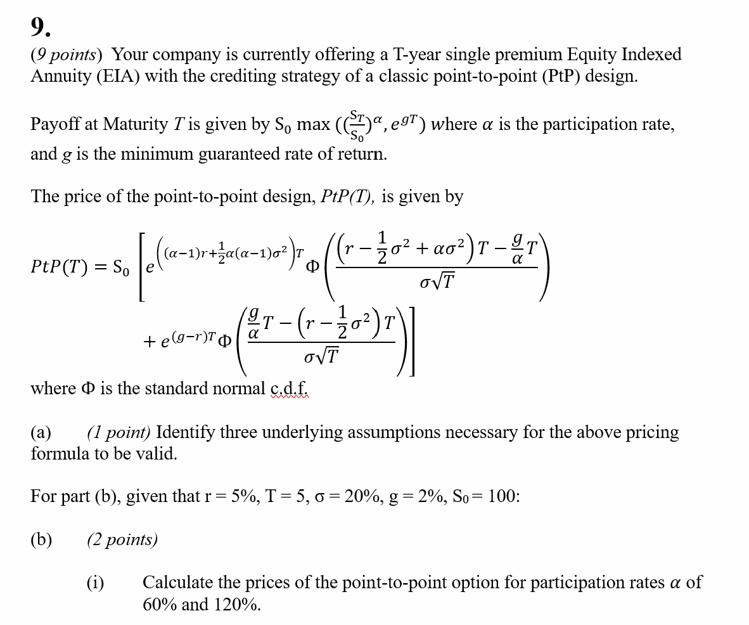

 | Fill in your final answers here for part (b) (i):
 | PtP(T) at participation rate=60%

 | PtP(T) at participation rate=120%

 | Show your work here:

 | EIA
 | Underlying Asset – Current Price (S0) | 100 |  |  | Input
 | Dividend Yield (q) | 0% |  |  | Calculated Results
 | Implied Volatility (σ)
 | Term (T) | 5
 | Risk-Free Rate (r)
 | Minimum guarantee rate (g) % | 2%

 | Point-to-Point Option Formula 1

 | Participation rate ( ) |  |  | #DIV/0!
 |  |  |  | #DIV/0!

 |  |  | PtP Option Price

 | Point-to-Point Option Formula 2

 | Participation rate ( ) |  |  | #DIV/0!
 |  |  |  | #DIV/0!

 |  |  | PtP Option Price

 | Fill in your final answers here for part (b) (ii):
 | Participation rate (alpha)

 | Show your work here:

 | EIA
 | Underlying Asset – Current Price (S0) | 100 |  |  | Input
 | Dividend Yield (q) | 0% |  |  | Calculated Results
 | Implied Volatility (σ)
 | Term (T) | 5
 | Risk-Free Rate (r)
 | Minimum guarantee rate (g) % | 2%

 | Point-to-Point Option Formula 3

 | Participation rate ( ) |  |  | #DIV/0!
 |  |  |  | #DIV/0!

 |  |  | PtP Option Price

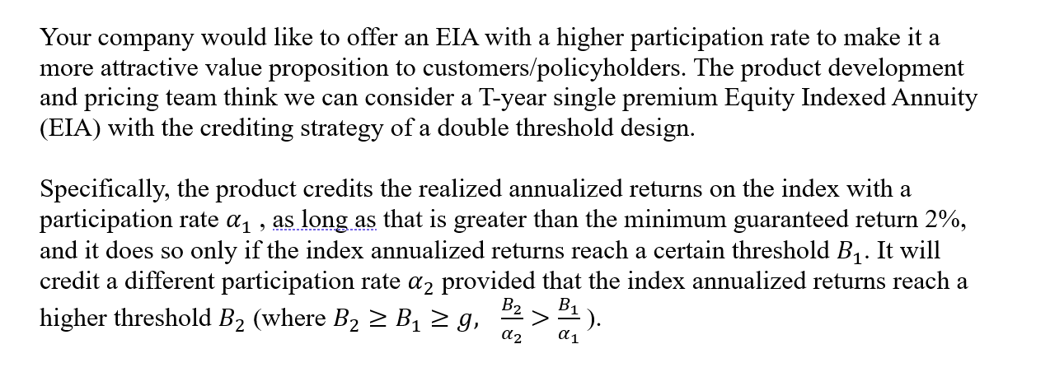

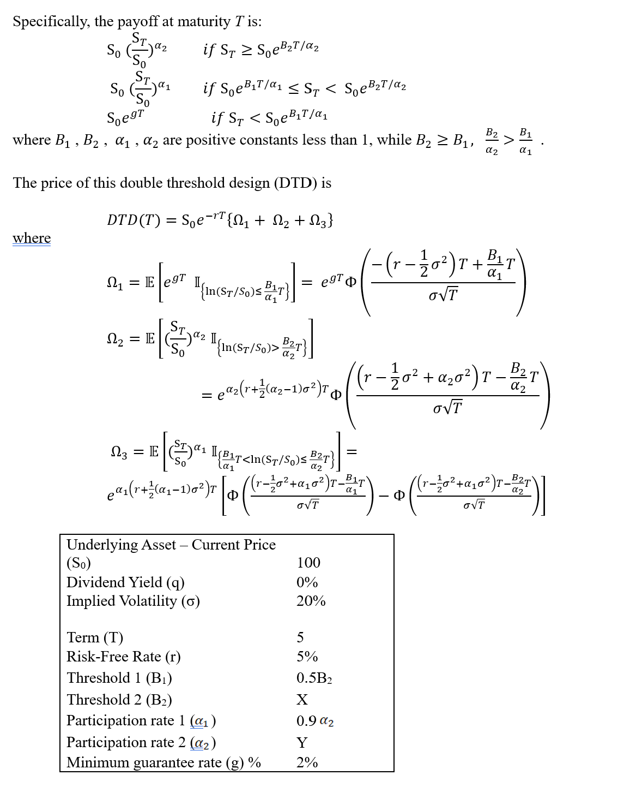

 | Fill in your final answers here for part (c):
 | Double Threshold Design Price

 | Show your work here:
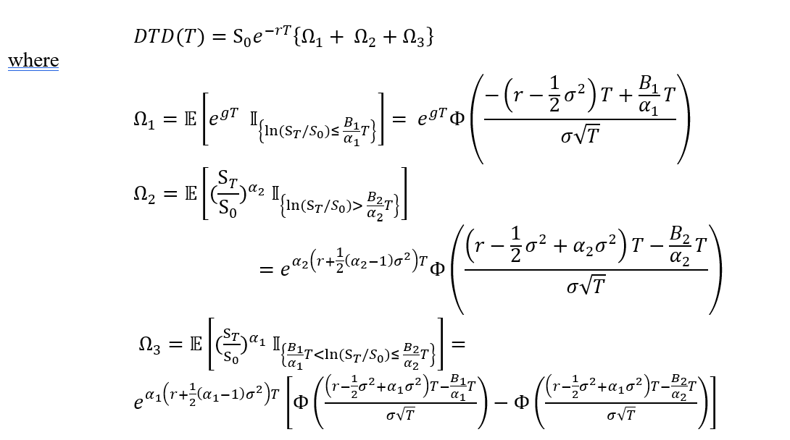

 | EIA |  |  |  |  | Input
 | Underlying Asset – Current Price (S0) | 100 |  |  |  | Calculated Results
 | Dividend Yield (q) | 0%
 | Implied Volatility (σ)
 | Term (T) | 5
 | Risk-Free Rate (r)
 | Minimum guarantee rate (g) % | 2%

 | Double Barrier Option Formula 1

 | Barrier 1 (B1) | 0.0% |  | #DIV/0!
 | Barrier 2 (B2) |  |  | #DIV/0!
 | Participation rate 1 ( ) | 0.00% |  | #DIV/0!
 | Participation rate 2 ( )

 |  |  | Double Barrier Option Price

 | Fill in your final answers here for part (d)(i):
...

