Q5
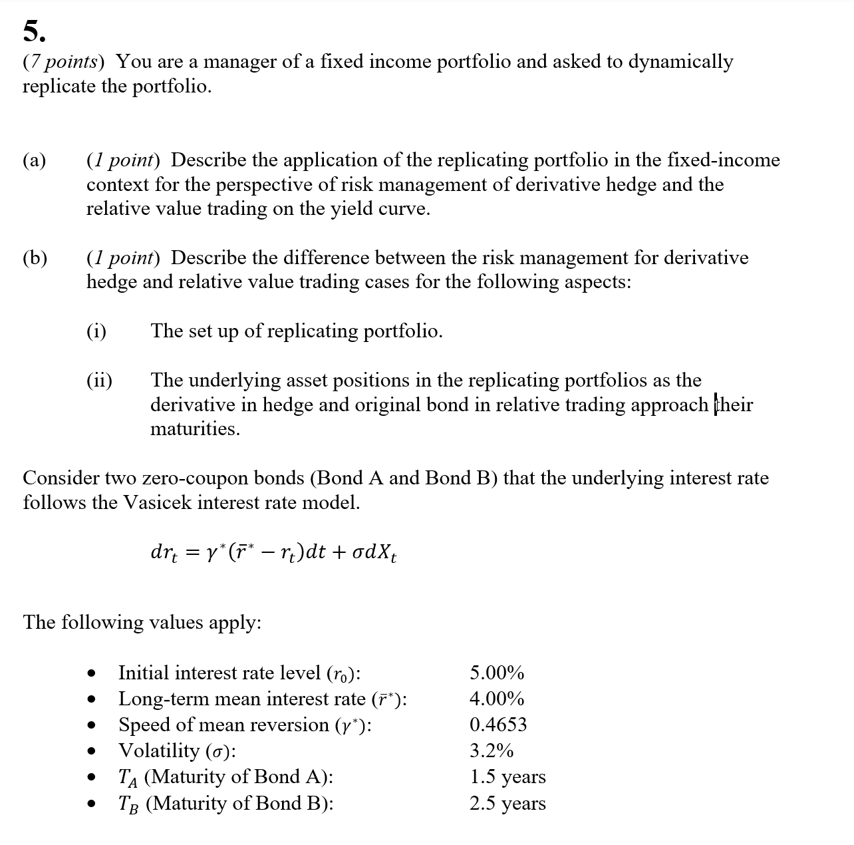

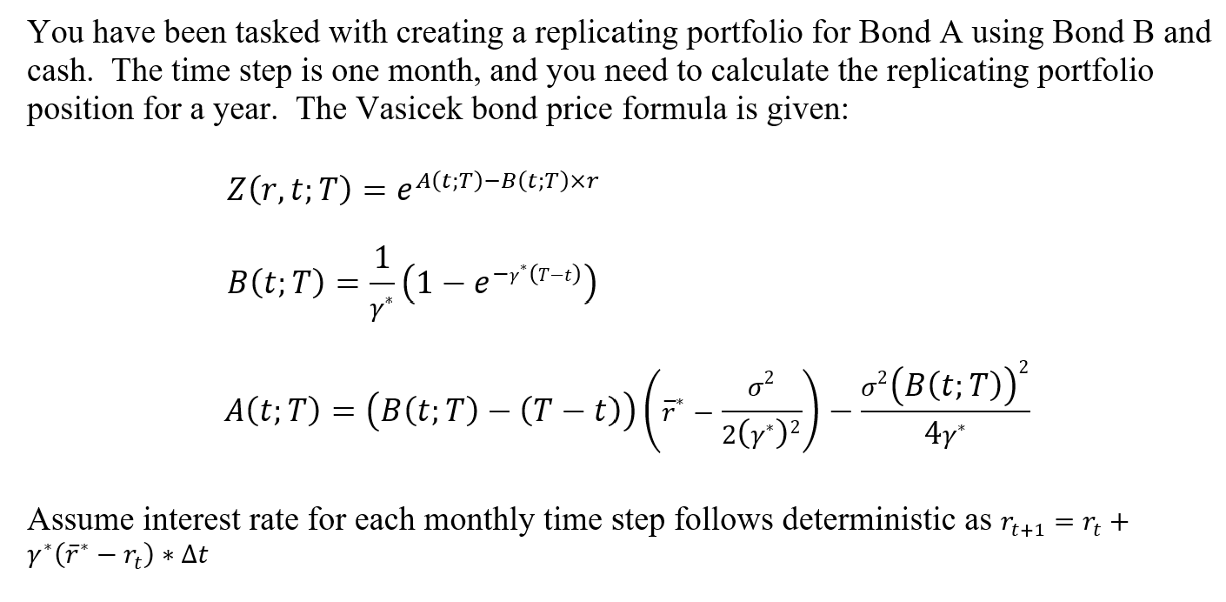

Fill in your final answers (and show your work) here, for part c (i) and c (ii):

Inputs
r_0 | 5.00%
γ* | 0.4653
r_bar* | 4.00%
σ | 3.20%
T_O | 1
T_A | 1.5
T_B | 2.5

Vasicek

t | T |  | A(t,T) | B(t,T) | Z(0,T) | Yield | r_t
0 | 0.00 |  | 0.0000 | 0.0000 | 1.0000 | 5.00% | 5.00%
0 | 0.08 |  | -0.0001 | 0.0817 | 0.9959 | 4.94% | 4.96%
0 | 0.17 |  | -0.0003 | 0.1604 | 0.9919 | 4.89% | 4.92%
0 | 0.25 |  | -0.0006 | 0.2360 | 0.9880 | 4.84% | 4.89%
0 | 0.33 |  | -0.0010 | 0.3088 | 0.9842 | 4.79% | 4.85%
0 | 0.42 |  | -0.0015 | 0.3788 | 0.9804 | 4.74% | 4.82%
0 | 0.50 |  | -0.0021 | 0.4461 | 0.9768 | 4.70% | 4.79%
0 | 0.58 |  | -0.0029 | 0.5109 | 0.9732 | 4.66% | 4.76%
0 | 0.67 |  | -0.0037 | 0.5732 | 0.9697 | 4.62% | 4.73%
0 | 0.75 |  | -0.0046 | 0.6331 | 0.9662 | 4.58% | 4.70%
0 | 0.83 |  | -0.0056 | 0.6908 | 0.9628 | 4.55% | 4.67%
0 | 0.92 |  | -0.0067 | 0.7462 | 0.9594 | 4.52% | 4.65%
0 | 1.00 |  | -0.0079 | 0.7996 | 0.9561 | 4.49% | 4.62%
0 | 1.08 |  | -0.0091 | 0.8509 | 0.9529 | 4.46% | 4.60%
0 | 1.17 |  | -0.0105 | 0.9003 | 0.9497 | 4.43% | 4.57%
0 | 1.25 |  | -0.0119 | 0.9478 | 0.9465 | 4.40% | 4.55%
0 | 1.33 |  | -0.0133 | 0.9935 | 0.9433 | 4.38% | 4.53%
0 | 1.42 |  | -0.0149 | 1.0374 | 0.9402 | 4.35% | 4.51%
0 | 1.50 |  | -0.0165 | 1.0797 | 0.9371 | 4.33% | 4.49%
0 | 1.58 |  | -0.0181 | 1.1204 | 0.9341 | 4.31% | 4.47%
0 | 1.67 |  | -0.0198 | 1.1595 | 0.9310 | 4.29% | 4.45%
0 | 1.75 |  | -0.0216 | 1.1972 | 0.9280 | 4.27% | 4.44%
0 | 1.83 |  | -0.0234 | 1.2334 | 0.9250 | 4.25% | 4.42%
0 | 1.92 |  | -0.0253 | 1.2682 | 0.9221 | 4.23% | 4.40%
0 | 2.00 |  | -0.0272 | 1.3017 | 0.9191 | 4.22% | 4.39%
0 | 2.08 |  | -0.0292 | 1.3339 | 0.9162 | 4.20% | 4.37%
0 | 2.17 |  | -0.0312 | 1.3649 | 0.9133 | 4.19% | 4.36%
0 | 2.25 |  | -0.0333 | 1.3948 | 0.9104 | 4.17% | 4.34%
0 | 2.33 |  | -0.0354 | 1.4235 | 0.9076 | 4.16% | 4.33%
0 | 2.42 |  | -0.0375 | 1.4511 | 0.9047 | 4.14% | 4.32%
0 | 2.50 |  | -0.0397 | 1.4776 | 0.9019 | 4.13% | 4.31%

Time |  | r_t | T_A | T_B | B(0,T_A) | B(0,T_B) | Z(0,T_A) | Z(0,T_B) | Hedge Ratio (Δ) | Cash Position | Cash Needed for Rebalancing | Interest | Replicating Portfolio
Month | Year
0.0000 | 0.0000 |  |  |  |  |  |  |  | - | -
1.0000 | 0.0833 |  |  |  |  |  |  |  | - | -
2.0000 | 0.1667 |  |  |  |  |  |  |  | - | -
3.0000 | 0.2500 |  |  |  |  |  |  |  | - | -
4.0000 | 0.3333 |  |  |  |  |  |  |  | - | -
5.0000 | 0.4167 |  |  |  |  |  |  |  | - | -
6.0000 | 0.5000 |  |  |  |  |  |  |  | - | -
7.0000 | 0.5833 |  |  |  |  |  |  |  | - | -
8.0000 | 0.6667 |  |  |  |  |  |  |  | - | -
9.0000 | 0.7500 |  |  |  |  |  |  |  | - | -
10.0000 | 0.8333 |  |  |  |  |  |  |  | - | -
11.0000 | 0.9167 |  |  |  |  |  |  |  | - | -
12.0000 | 1.0000 |  |  |  |  |  |  |  | - | -

Fill in your final answers (and show your work) here:
Hedge Ratio and Cash Position

Q10
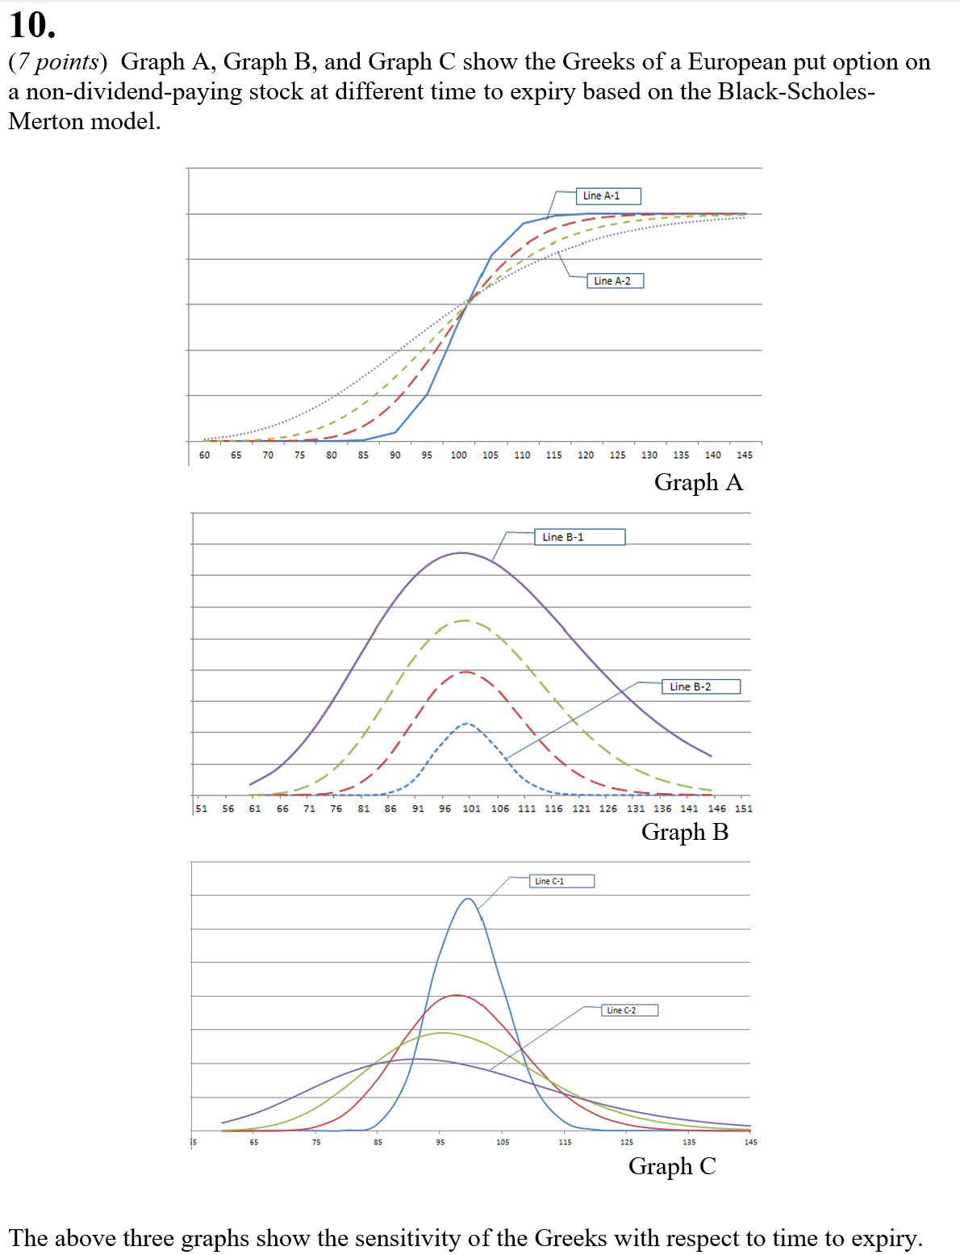

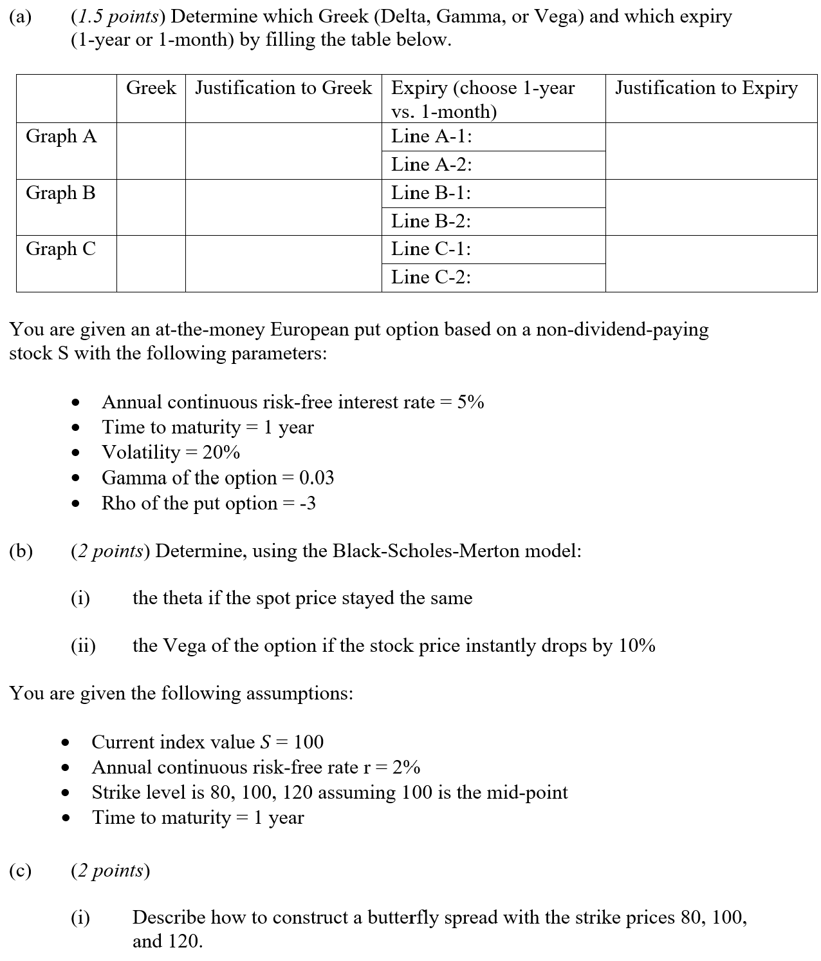

Fill in your final answers here:

Show your work here:

Current Stock Price | 120 |  |  |  |  | Input
Interest rate | 10% |  |  |  |  | Calculated Result
Time to Expiry | 7

Vega |  | Volatility
Indicate whether Long or Short Call/Put (-1 for Short positions and +1 for Long positions) | Strike | 0.1 | 0.12 | 0.14 | 0.16 | 0.18 | 0.2 | 0.22 | 0.24 | 0.26 | 0.28 | 0.3 | 0.32 | 0.34 | 0.36 | 0.38 | 0.4 | 0.42 | 0.44 | 0.46 | 0.48 | 0.5
 | 120 | 2.67 | 7.76 | 14.71 | 22.24 | 29.46 | 35.93 | 41.51 | 46.22 | 50.13 | 53.33 | 55.92 | 57.98 | 59.60 | 60.83 | 61.73 | 62.35 | 62.72 | 62.89 | 62.86 | 62.68 | 62.35
 | 120 | 2.67 | 7.76 | 14.71 | 22.24 | 29.46 | 35.93 | 41.51 | 46.22 | 50.13 | 53.33 | 55.92 | 57.98 | 59.60 | 60.83 | 61.73 | 62.35 | 62.72 | 62.89 | 62.86 | 62.68 | 62.35
 | 120 | 2.67 | 7.76 | 14.71 | 22.24 | 29.46 | 35.93 | 41.51 | 46.22 | 50.13 | 53.33 | 55.92 | 57.98 | 59.60 | 60.83 | 61.73 | 62.35 | 62.72 | 62.89 | 62.86 | 62.68 | 62.35
 | 120 | 2.67 | 7.76 | 14.71 | 22.24 | 29.46 | 35.93 | 41.51 | 46.22 | 50.13 | 53.33 | 55.92 | 57.98 | 59.60 | 60.83 | 61.73 | 62.35 | 62.72 | 62.89 | 62.86 | 62.68 | 62.35
Total Vega |  | - | - | - | - | - | - | - | - | - | - | - | - | - | - | - | - | - | - | - | - | -

Fill in your final answers here:

Butterfly Vega

Q11
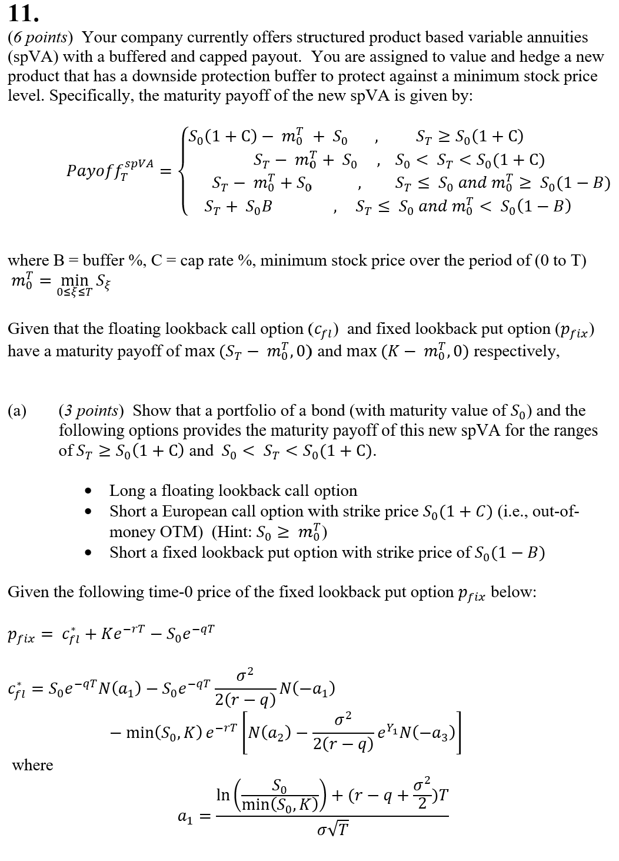

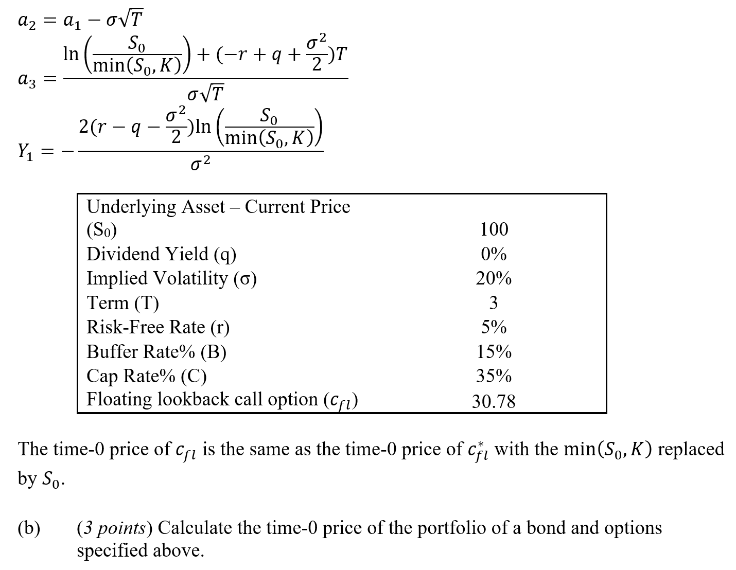

Fill in your final answers here:

Show your work here:

spVA
Underlying Asset – Current Price (S0) | 100 |  | Initial Investment/Premium | 100 |  |  |  | Input
Dividend Yield (q) | 0% |  | SpVA | #DIV/0! |  |  |  | Calculated Result
Implied Volatility (σ) | 20%
Term (T) | 3 |  | Option 1 | #DIV/0! | <--update this formula
Risk-Free Rate (r) | 5% |  | Option 2 | #DIV/0! | <--update this formula
Buffer Rate% (B) | 15% |  | Option 3 | #DIV/0! | <--update this formula
Cap Rate% (C) | 35% |  | Bond | 86.07

Black Scholes Formula for Option 1
S | 100 | d1 | #DIV/0! | N(d1) | #DIV/0! | N'(d1) | #DIV/0!
K |  | d2 | #DIV/0! | N(d2) | #DIV/0! | N'(d2) | #DIV/0!
T | 3 | -d1 | #DIV/0! | N(-d1) | #DIV/0! | N'(-d1) | #DIV/0!
r | 5% | -d2 | #DIV/0! | N(-d2) | #DIV/0! | N'(-d2) | #DIV/0!
q | 0%
σ |  | Call | #DIV/0! | Put | #DIV/0!

Pricing Formula for Floating Lookback Call Option
S | 100 | a1 | #DIV/0!
K |  | a2 | #DIV/0!
T | 3 | a3 | #DIV/0!
r | 5% | Y1` | #DIV/0!
q | 0%
σ |  |  | #DIV/0!

Pricing Formula for Fixed Lookback Put Option
S | 100 | a1 | #DIV/0!
K |  | a2 | #DIV/0!
T | 3 | a3 | #DIV/0!
r | 5% | Y1` | #DIV/0!
q | 0%
σ |  |  | #DIV/0!

 |  |  | #DIV/0!

