Q6
6.
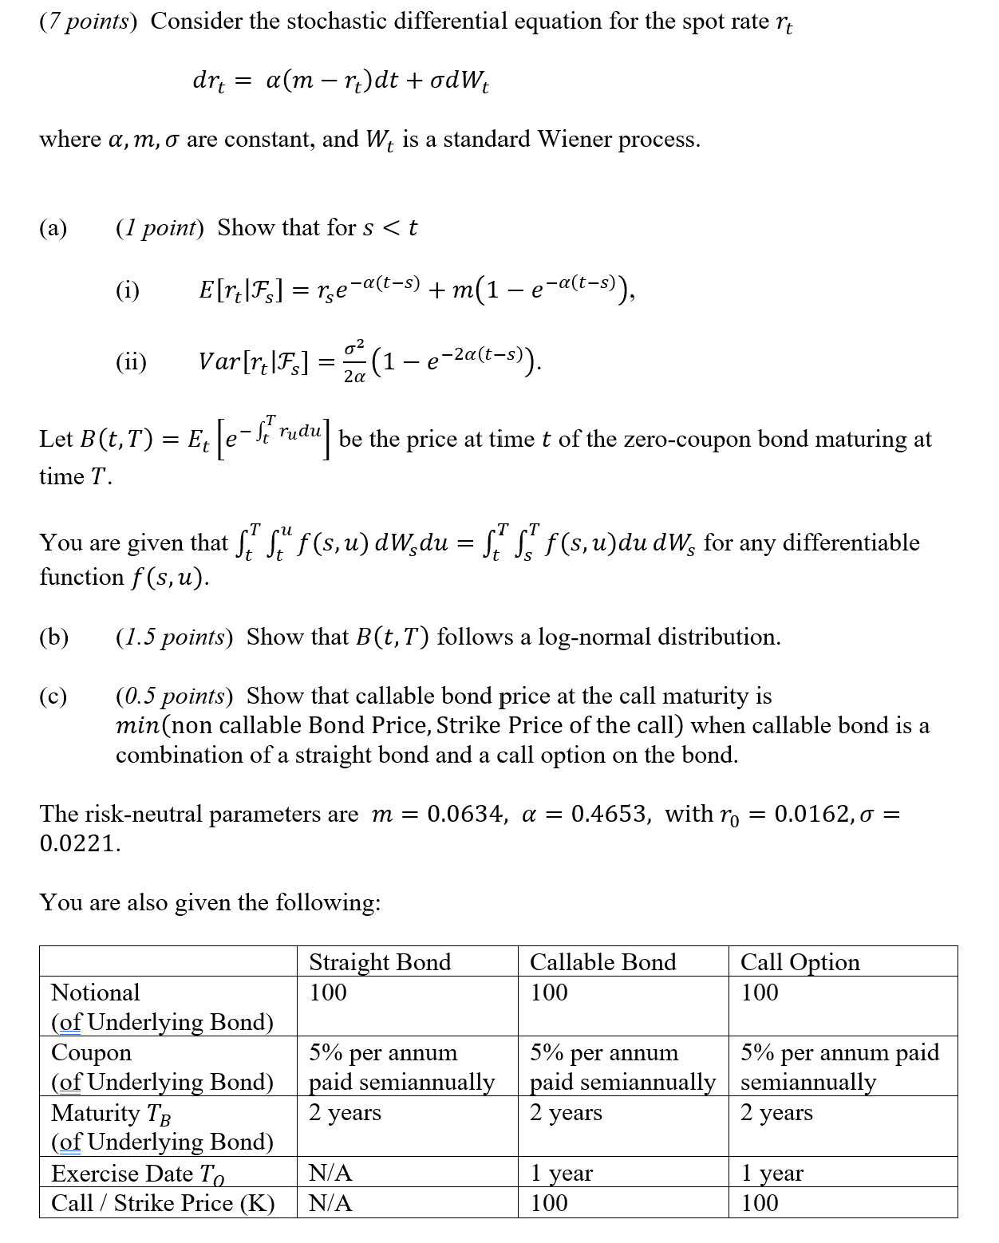

(d) (3 points) Calculate

(i) the bond option price at time 0.
 | Fill in your final answers here:
 | the bond option price at time 0

 | Show your work here:

(ii) the callable bond price using the embedded call option price and the straight bond price
 | Fill in your final answers here:
 | the callable bond price

 | Show your work here:

(e) (1 point)

(i) Describe a shortcoming of a one-factor Vasicek model.

(ii) Explain how two-factor Vasicek model can resolve it.

Q8
8.
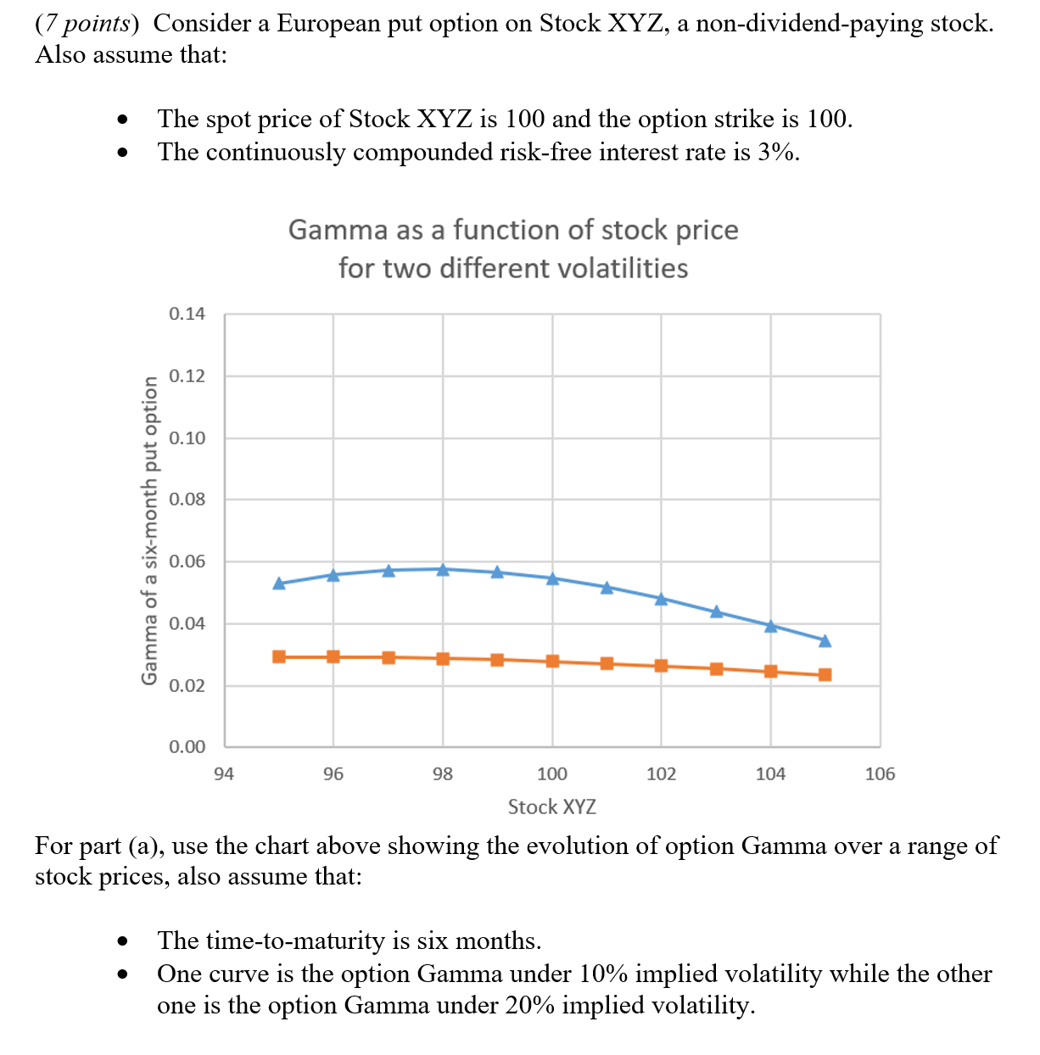

 | (a) (2 points) Draw the two Gamma curves in the Excel spreadsheet.
 | Fill in your final answers here:
 | Populate the highlighted range below:
Gamma as a function of stock price for two volatilities
 | Stock | Gamma (vol=10%) |  | Gamma (vol=20%)
 | 95 | 0.1000 |  | 0.1200
 | 96 | 0.0900 |  | 0.1100
 | 97 | 0.1000 |  | 0.1200
 | 98 | 0.0900 |  | 0.1100
 | 99 | 0.1000 |  | 0.1200
 | 100 | 0.0900 |  | 0.1100
 | 101 | 0.1000 |  | 0.1200
 | 102 | 0.0900 |  | 0.1100
 | 103 | 0.1000 |  | 0.1200
 | 104 | 0.0900 |  | 0.1100
 | 105 | 0.1000 |  | 0.1200

 | Show your work here:

 |  |  | 10% vol | 20% vol
 | Stock (S) |  | 100 | 100
 | Strike (K) |  | 100 | 100
 | Interest Rate (r ) |  | 0.03 | 0.03
 | Dividend (d) |  | 0.0 | 0.0
 | Maturity (T) |  | 0.5 | 0.5
 | Implied Vol |  | 0.1 | 0.2

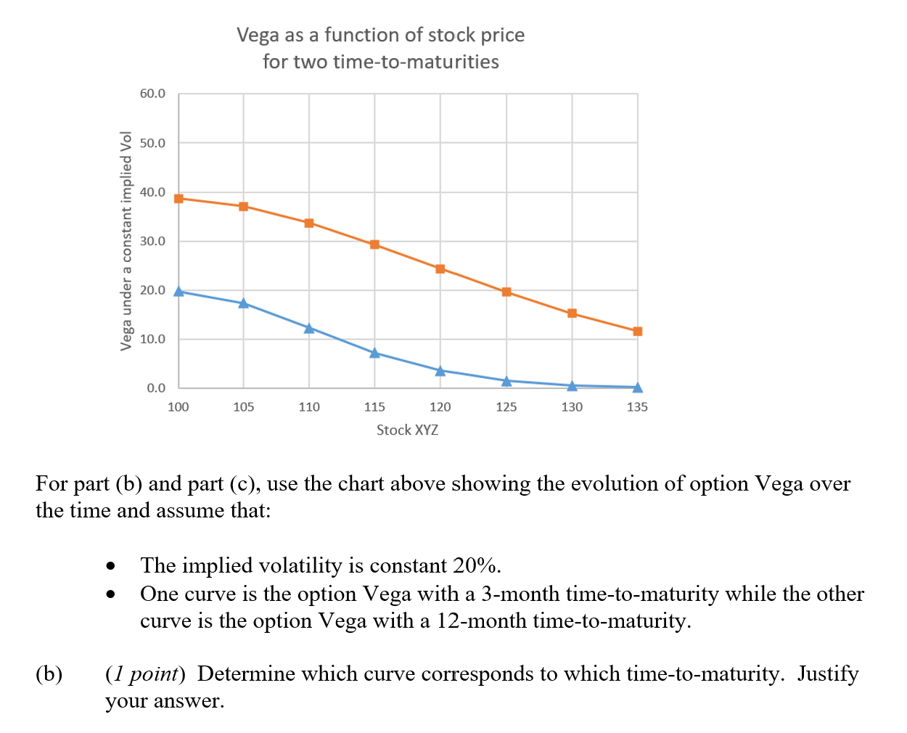

 | (c) (2 points) Draw the two Vega curves in the Excel spreadsheet.
 | Fill in your final answers here:
 | Populate the highlighted range below:

Vega as a function of stock price for two time-to-maturities
 | Stock | Vega T=0.25 |  | Vega (T1=1)
 | 100 | 0.1200 |  | 0.1400
 | 105 | 0.1100 |  | 0.1300
 | 110 | 0.1200 |  | 0.1400
 | 115 | 0.1100 |  | 0.1300
 | 120 | 0.1200 |  | 0.1400
 | 125 | 0.1100 |  | 0.1300
 | 130 | 0.1200 |  | 0.1400
 | 135 | 0.1100 |  | 0.1300

 | Show your work here:

 |  |  | T= 0.25 | T= 1
 | Stock (S) |  | 100 | 100
 | Strike (K) |  | 100 | 100
 | Interest Rate (r ) |  | 0.03 | 0.03
 | Dividend (d) |  | 0.0 | 0.0
 | Maturity (T) |  | 0.25 | 1.00
 | Implied Vol |  | 0.2 | 0.2

